Graficas
Graficas exportadas

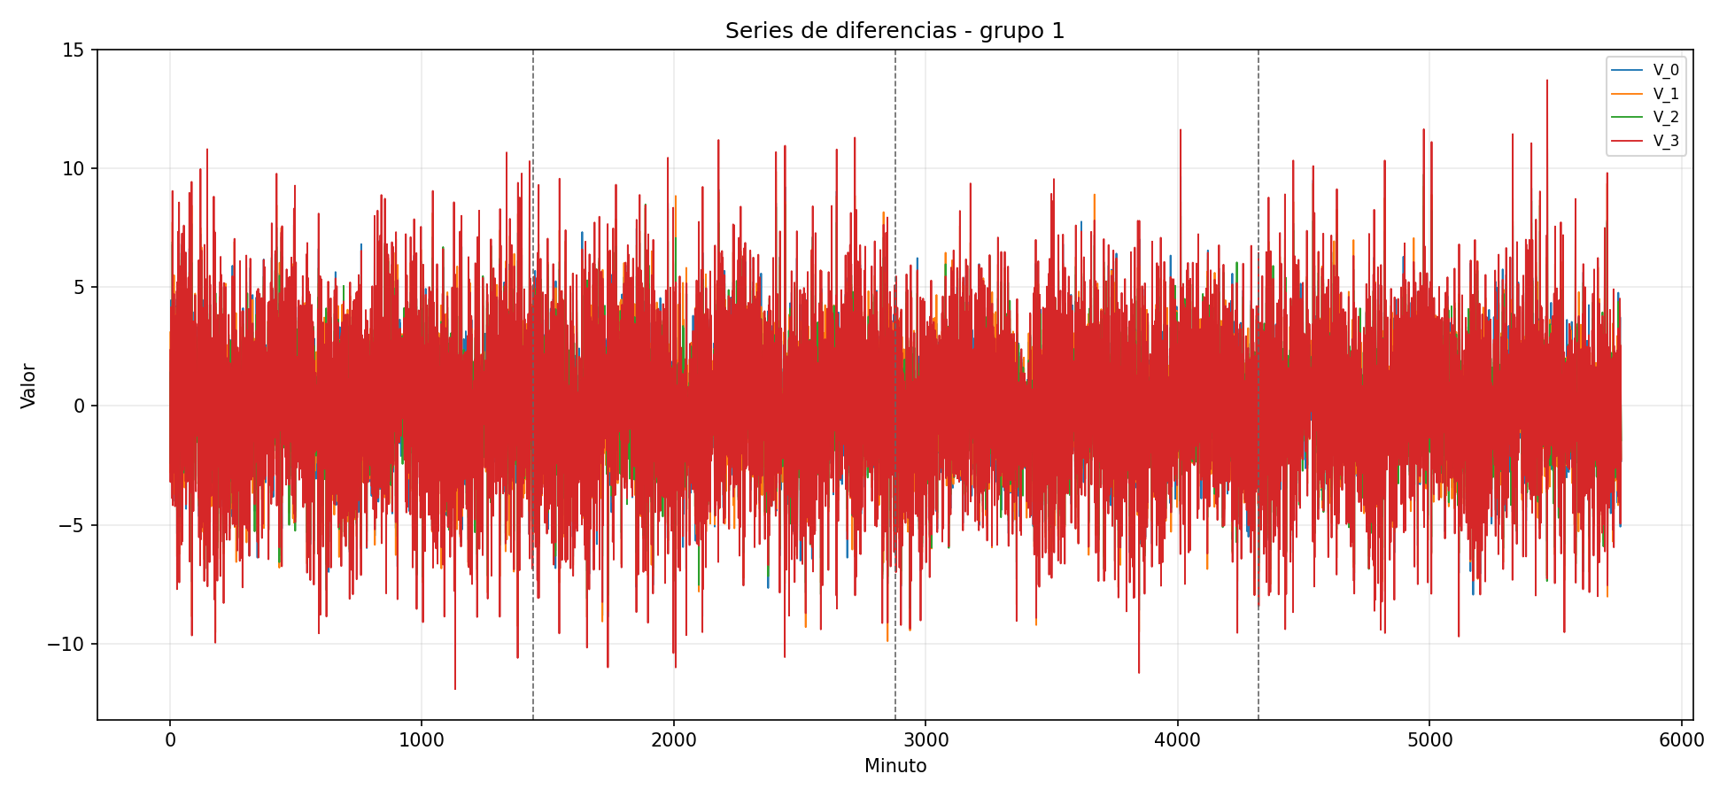
series_diferencias_grupo_01.png

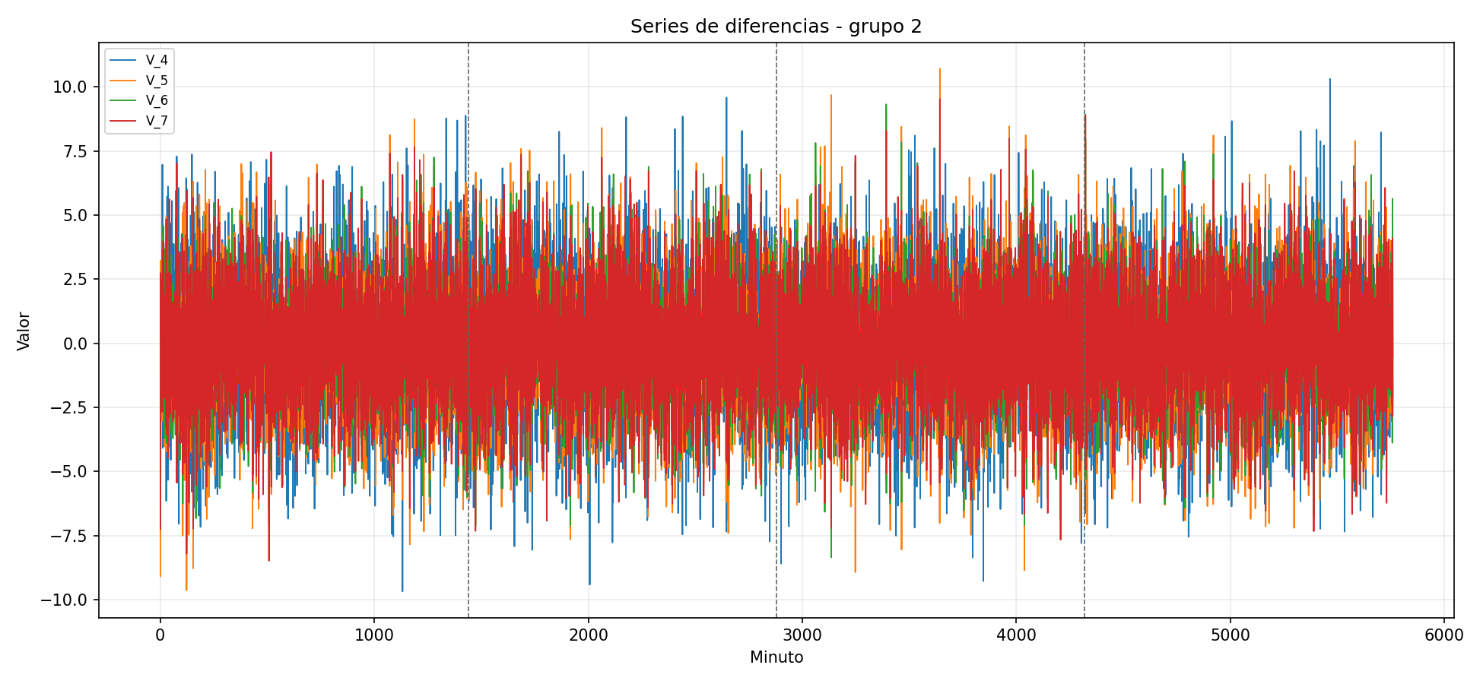
series_diferencias_grupo_02.png

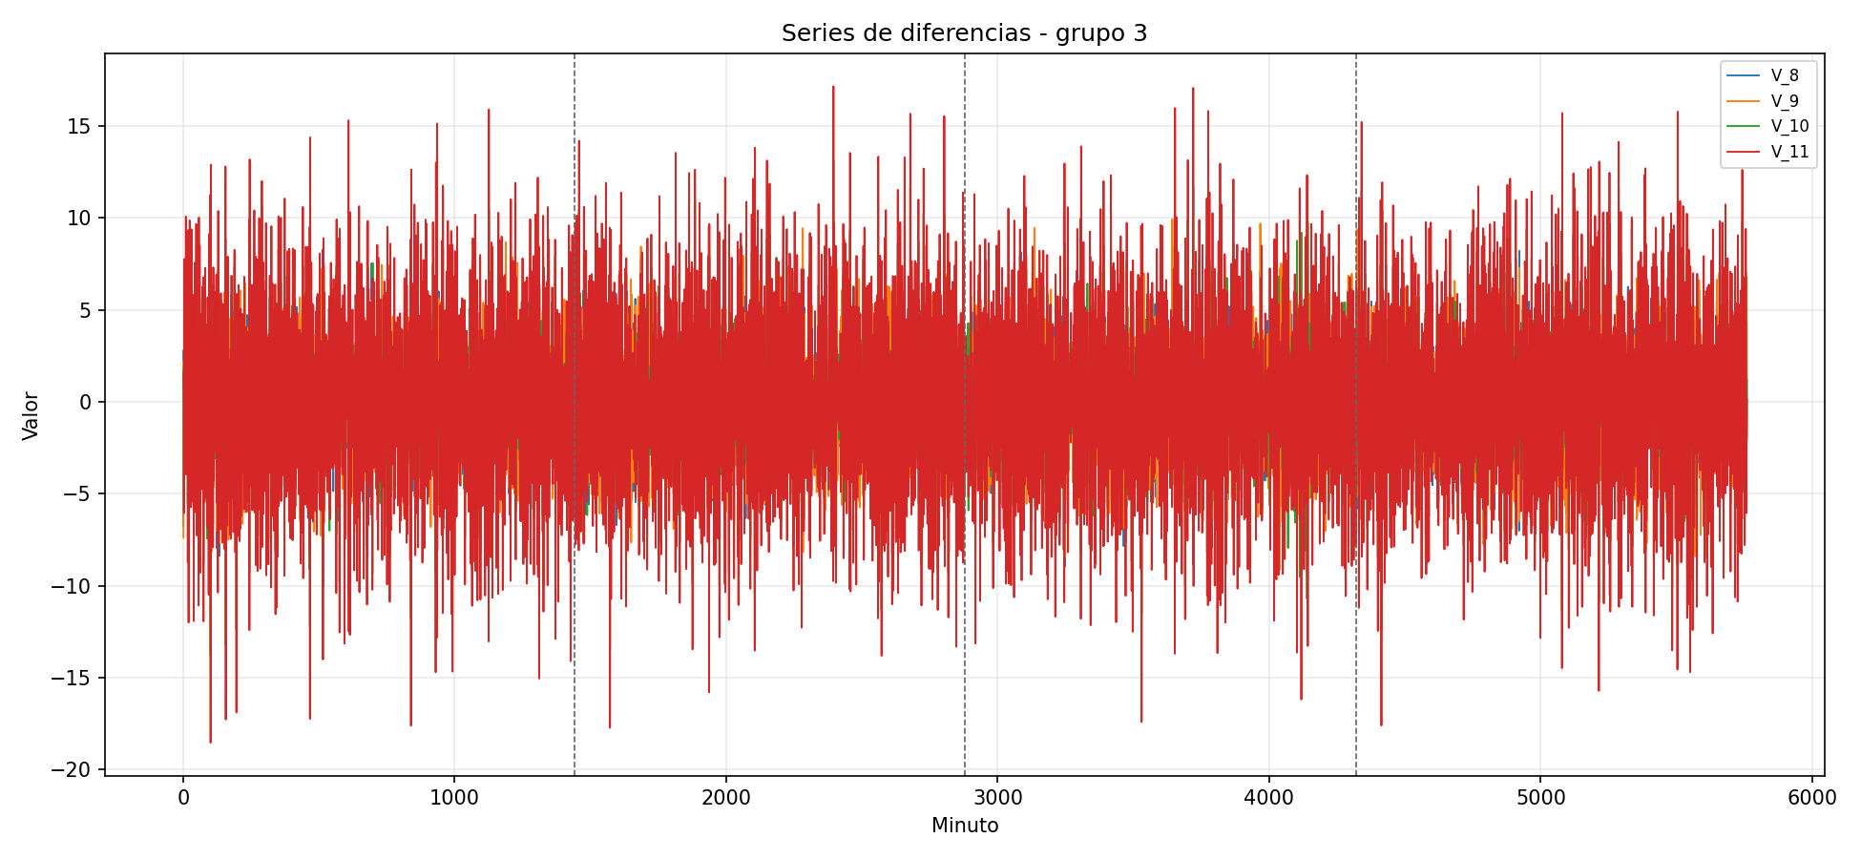
series_diferencias_grupo_03.png

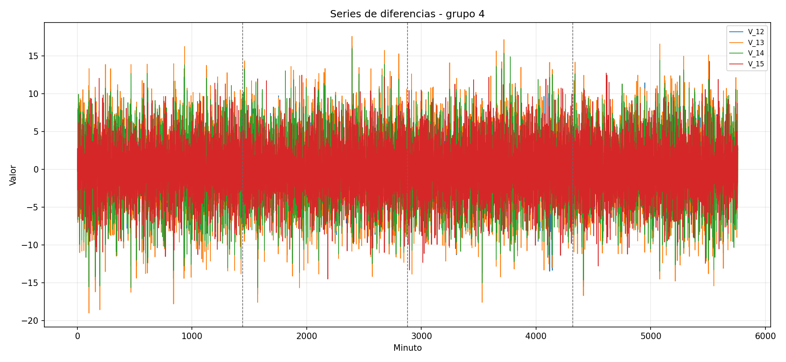
series_diferencias_grupo_04.png

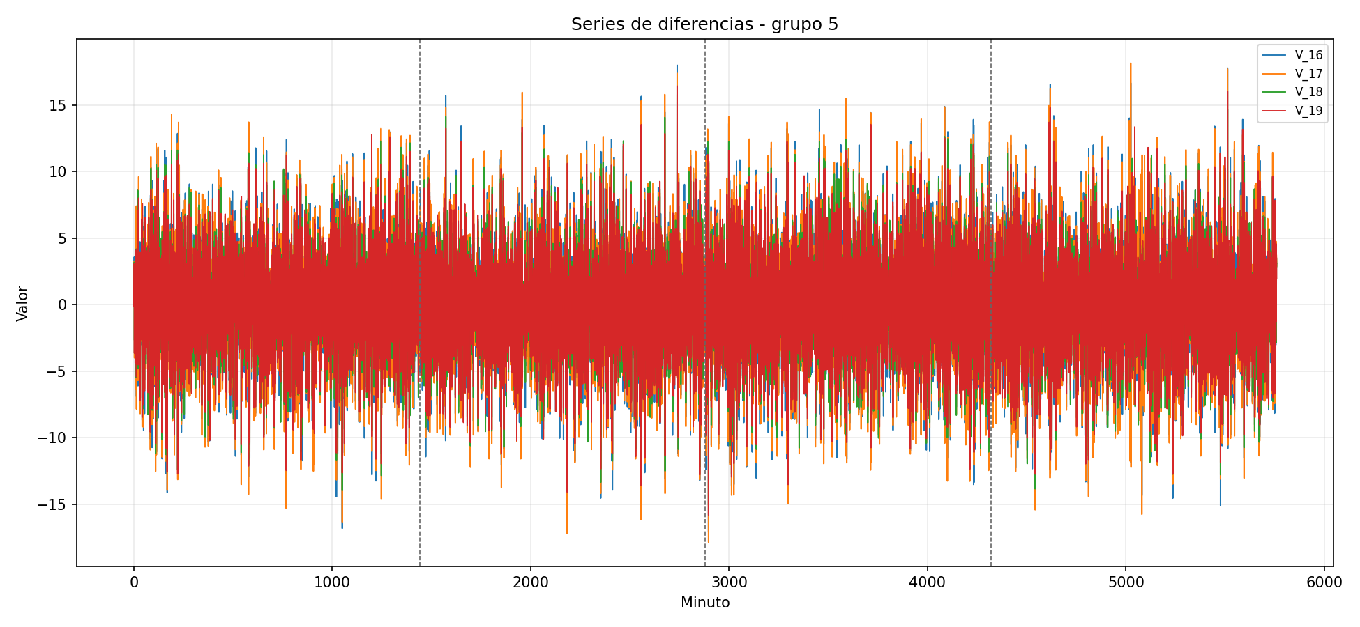
series_diferencias_grupo_05.png

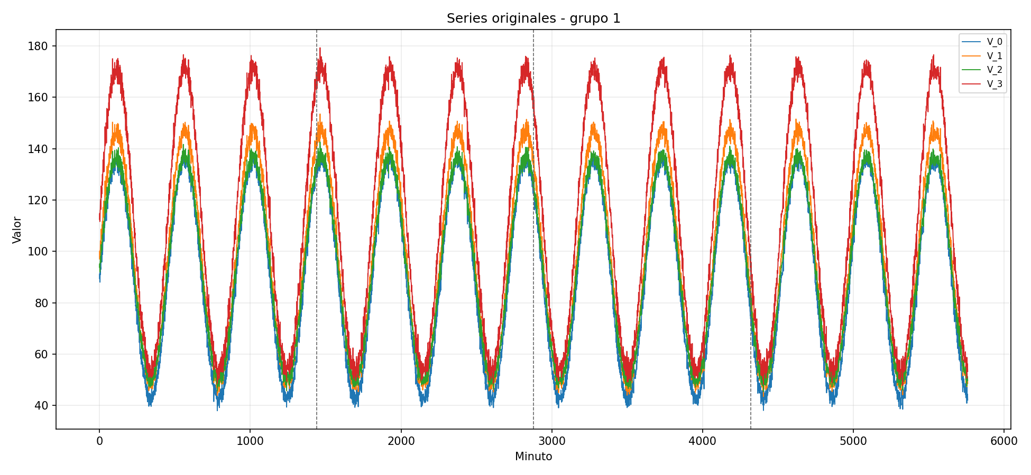
series_originales_grupo_01.png

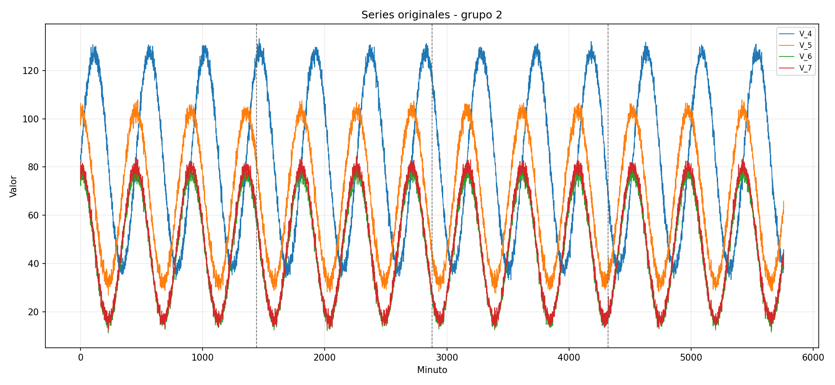
series_originales_grupo_02.png

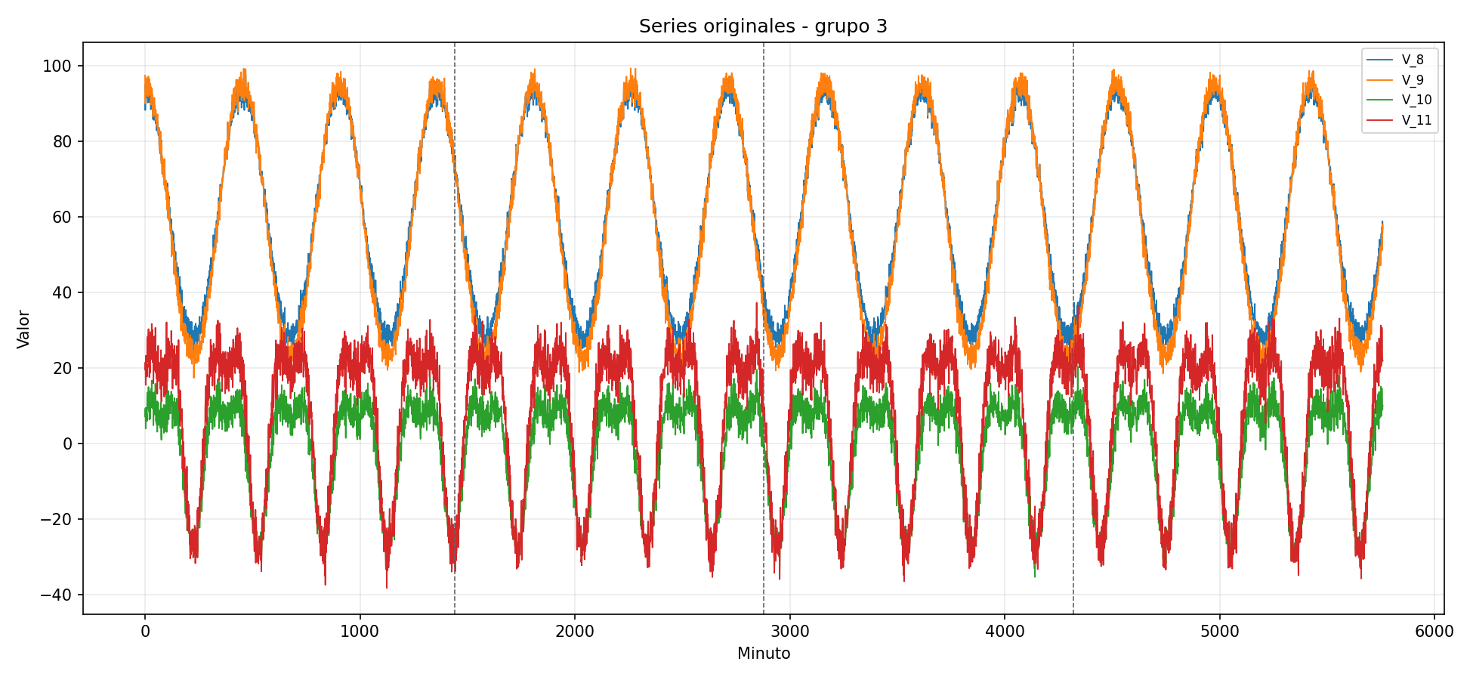
series_originales_grupo_03.png

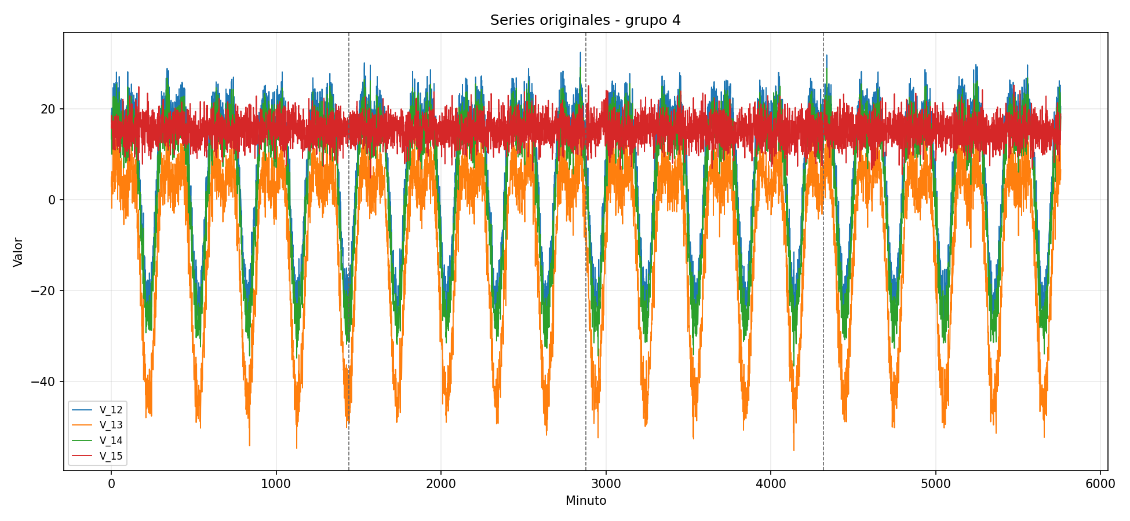
series_originales_grupo_04.png

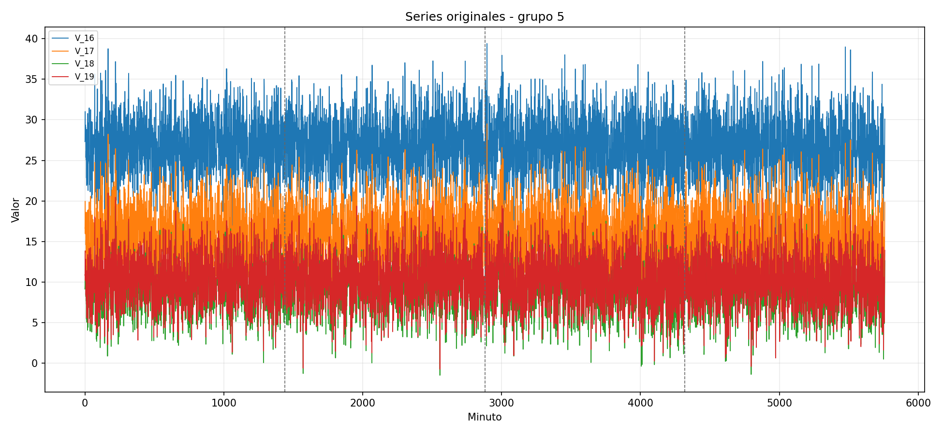
series_originales_grupo_05.png

