Introduction
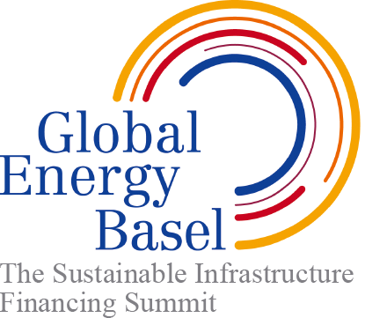 The Sustainable Infrastructure Project Self-Evaluation and Validation Tool of the Global Energy Basel (GEB) Foundation

Rationale of the Global Energy Basel - The Sustainable Infrastructure Finance Platform It is he infrastructure, in conjunction with their mind-set, that allows people to take the right choices for climate change action. How can they possibly save energy, if the insulation of their house is insufficient? Who can blame them to own and use multiple cars per household, if there is no adequate public transportation system? GEB Grade Sustainable Infrastructure addresses these issues at the root, efficiently and cost effectively.* The GEB Summit brings together project owners and investors who want to participate in this green, equitable and profitable development.

Self-Assessment for GEB Grade Sustainable Infrastructure
Accountability
Transparency
Customer Focus
Results Orientation
Poverty Responsiveness
Power-Balanced Partnerships
Shared Incentives
Sound Financial Mechanisms
Poractive Risk Management
Resource Protection

* The Sustainable Infrastructure Project Guidelines, Self-Evaluation and Validation Tool is an adaption done by Daniel Wiener, Chairman Global Energy Basel and CEO ecos, and André Schneider, Deputy Chairman Global Energy Basel of André Schneider Global Advisory, of the "Guidelines and Principles for Public Private Partnerships in Sustainable Water Management", which were designed in an extensive multi stakeholder and expert consultation process by the consultancies ecos of Basel and BHP of Zurich, commissioned by the Swiss State Secretariat of Economic Affairs (SECO) and the Swiss Development Cooperation (SDC) in cooperation with the re-insurer Swiss Re.

Result Spider
 | Good Performance | Modest Performance | Self Evaluation
Accountability | 4 | 2.2 | 1
Transparency | 3.4 | 1.6 | 1
Customer Focus | 3.4 | 2.2 | 1
Results Orientation | 3.4 | 2.2 | 1
Poverty Responsiveness | 2.8 | 1.6 | 1
Power-Balanced Partnership | 2.8 | 2.2 | 1
Shared Incentives | 2.8 | 2.2 | 1
Sound Financial Mechanisms | 2.8 | 2.2 | 1
Proactive Risk Management | 3.4 | 2.8 | 1
Resource Protection | 4 | 1.6 | 1

Spider
 | Good Performance | Modest Performance
Accountability | 4 | 2.2
Transparency | 3.4 | 1.6
Customer Focus | 3.4 | 2.2
Results Orientation | 3.4 | 2.2
Poverty Responsiveness | 2.8 | 1.6
Power-Balanced Partnership | 2.8 | 2.2
Shared Incentives | 2.8 | 2.2
Sound Financial Mechanisms | 2.8 | 2.2
Proactive Risk Management | 3.4 | 2.8
Resource Protection | 4 | 1.6

