Pivot0_LivePerCategory
country | (All)

Count of id | Column Labels
Row Labels | canceled | failed | live | successful | Grand Total
film & video | 40 | 180 |  | 300 | 520
food | 20 | 140 | 6 | 34 | 200
Project Launch Status By Category
 | canceled | failed | live | successful
film & video | 40 | 180 |  | 300
food | 20 | 140 | 6 | 34
games |  | 140 |  | 80
journalism | 24
music | 20 | 120 | 20 | 540
photography |  | 117 |  | 103
publishing | 30 | 127 |  | 80
technology | 178 | 213 |  | 209
theater | 37 | 493 | 24 | 839
games |  | 140 |  | 80 | 220
journalism | 24 |  |  |  | 24
music | 20 | 120 | 20 | 540 | 700
photography |  | 117 |  | 103 | 220
publishing | 30 | 127 |  | 80 | 237
technology | 178 | 213 |  | 209 | 600
theater | 37 | 493 | 24 | 839 | 1393
Grand Total | 349 | 1530 | 50 | 2185 | 4114

Pivot1_LivePerSubCategory
country | (All)
Parent Category | (Multiple Items)

Project Launch Status by Sub Category
 | canceled | failed | live | successful
animation |  | 100
art books | 20
audio | 24
children's books |  | 40
classical music |  |  |  | 40
documentary |  |  |  | 180
drama |  | 80
electronic music |  |  |  | 40
faith |  | 40 | 20
fiction |  | 40
food trucks | 20 | 120
gadgets |  | 20
hardware |  |  |  | 140
indie rock |  | 20 |  | 140
jazz |  | 60
makerspaces |  | 11 |  | 9
metal |  |  |  | 20
mobile games |  | 40
musical | 20 | 60 |  | 60
nature |  | 20
nonfiction |  |  |  | 60
people |  | 20
photobooks |  | 57 |  | 103
places |  | 20
plays |  | 353 | 19 | 694
pop |  |  |  | 40
radio & podcasts |  |  |  | 20
restaurants |  | 20
rock |  |  |  | 260
science fiction | 40
shorts |  |  |  | 60
small batch |  |  | 6 | 34
space exploration | 18 | 2 |  | 40
spaces | 17 | 80 | 5 | 85
tabletop games |  |  |  | 80
television |  |  |  | 60
translations | 10 | 47
video games |  | 100
wearables | 60 | 120 |  | 20
web | 100 | 60
world music | 20
Count of id | Column Labels
Row Labels | canceled | failed | live | successful | Grand Total
animation |  | 100 |  |  | 100
art books | 20 |  |  |  | 20
audio | 24 |  |  |  | 24
children's books |  | 40 |  |  | 40
classical music |  |  |  | 40 | 40
documentary |  |  |  | 180 | 180
drama |  | 80 |  |  | 80
electronic music |  |  |  | 40 | 40
faith |  | 40 | 20 |  | 60
fiction |  | 40 |  |  | 40
food trucks | 20 | 120 |  |  | 140
gadgets |  | 20 |  |  | 20
hardware |  |  |  | 140 | 140
indie rock |  | 20 |  | 140 | 160
jazz |  | 60 |  |  | 60
makerspaces |  | 11 |  | 9 | 20
metal |  |  |  | 20 | 20
mobile games |  | 40 |  |  | 40
musical | 20 | 60 |  | 60 | 140
nature |  | 20 |  |  | 20
nonfiction |  |  |  | 60 | 60
people |  | 20 |  |  | 20
photobooks |  | 57 |  | 103 | 160
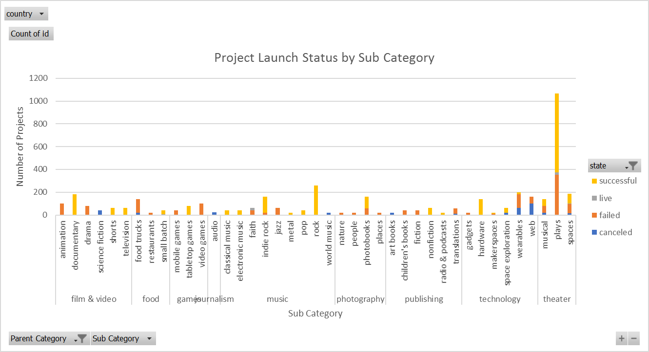
places |  | 20 |  |  | 20
plays |  | 353 | 19 | 694 | 1066
pop |  |  |  | 40 | 40
radio & podcasts |  |  |  | 20 | 20
restaurants |  | 20 |  |  | 20
rock |  |  |  | 260 | 260
science fiction | 40 |  |  |  | 40
shorts |  |  |  | 60 | 60
small batch |  |  | 6 | 34 | 40
space exploration | 18 | 2 |  | 40 | 60
spaces | 17 | 80 | 5 | 85 | 187
tabletop games |  |  |  | 80 | 80
television |  |  |  | 60 | 60
translations | 10 | 47 |  |  | 57
video games |  | 100 |  |  | 100
wearables | 60 | 120 |  | 20 | 200
web | 100 | 60 |  |  | 160
world music | 20 |  |  |  | 20
Grand Total | 349 | 1530 | 50 | 2185 | 4114

Pivot2_DateCreatedLineChart
Count of Projects by Month of Conversion
 | canceled | failed | live | successful
Jan | 34 | 149 | 2 | 183
Feb | 27 | 105 | 18 | 202
Mar | 28 | 108 | 30 | 179
Apr | 27 | 103 |  | 193
May | 26 | 126 |  | 233
Jun | 27 | 148 |  | 213
Jul | 44 | 148 |  | 192
Aug | 32 | 134 |  | 167
Sep | 24 | 127 |  | 148
Oct | 20 | 150 |  | 184
Nov | 37 | 113 |  | 180
Dec | 23 | 119 |  | 111
Parent Category | (All)
Years | (All)
Quarters | (All)

Count of state | Column Labels
Row Labels | canceled | failed | live | successful | Grand Total
Jan | 34 | 149 | 2 | 183 | 368
Feb | 27 | 105 | 18 | 202 | 352
Mar | 28 | 108 | 30 | 179 | 345
Apr | 27 | 103 |  | 193 | 323
May | 26 | 126 |  | 233 | 385
Jun | 27 | 148 |  | 213 | 388
Jul | 44 | 148 |  | 192 | 384
Aug | 32 | 134 |  | 167 | 333
Sep | 24 | 127 |  | 148 | 299
Oct | 20 | 150 |  | 184 | 354
Nov | 37 | 113 |  | 180 | 330
Dec | 23 | 119 |  | 111 | 253
Grand Total | 349 | 1530 | 50 | 2185 | 4114

Bonus
Goal | Number Successful | Number Failed | Number Canceled | Total Projects | Percentage Successful | Percentage Failed | Percentage Canceled | Check Percentage
Less Than 1000 | 322 | 113 | 18 | 453 | 71% | 25% | 4% | 1
Outcomes Based on Goals (Assumes all currencies are equal.)
 | Percentage Successful | Percentage Failed | Percentage Canceled
Less Than 1000 | 71% | 25% | 4%
1000 to 4999 | 66% | 30% | 4%
5000 to 9999 | 53% | 40% | 7%
10000 to 14999 | 48% | 41% | 11%
15000 to 19999 | 47% | 45% | 8%
20000 to 24999 | 42% | 49% | 9%
25000 to 29999 | 40% | 47% | 13%
30000 to 34999 | 39% | 45% | 16%
35000 to 39999 | 47% | 40% | 13%
40000 to 44999 | 49% | 37% | 14%
45000 to 49999 | 29% | 52% | 19%
Greater than or equal to 50000 | 19% | 58% | 23%
1000 to 4999 | 932 | 420 | 60 | 1412 | 66% | 30% | 4% | 1
5000 to 9999 | 381 | 283 | 52 | 716 | 53% | 40% | 7% | 1
10000 to 14999 | 168 | 144 | 40 | 352 | 48% | 41% | 11% | 1
15000 to 19999 | 94 | 90 | 17 | 201 | 47% | 45% | 8% | 1
20000 to 24999 | 62 | 72 | 14 | 148 | 42% | 49% | 9% | 1
25000 to 29999 | 55 | 64 | 18 | 137 | 40% | 47% | 13% | 1
30000 to 34999 | 32 | 37 | 13 | 82 | 39% | 45% | 16% | 1
35000 to 39999 | 26 | 22 | 7 | 55 | 47% | 40% | 13% | 1
40000 to 44999 | 21 | 16 | 6 | 43 | 49% | 37% | 14% | 1
45000 to 49999 | 6 | 11 | 4 | 21 | 29% | 52% | 19% | 1
Greater than or equal to 50000 | 86 | 258 | 100 | 444 | 19% | 58% | 23% | 1

Pivot3_Misc
country | (All)

 | Group1 - canceled | Group1 - failed | Group2 - live | Group2 - successful | (blank) - (blank)
theater | 37 | 493 | 24 | 839
music | 20 | 120 | 20 | 540
technology | 178 | 213 |  | 209
film & video | 40 | 180 |  | 300
publishing | 30 | 127 |  | 80
games |  | 140 |  | 80
photography |  | 117 |  | 103
food | 20 | 140 | 6 | 34
journalism | 24
(blank)
Count of id | Column Labels
 | Group1 |  | Group1 Total | Group2 |  | Group2 Total | (blank) | (blank) Total | Grand Total
Row Labels | canceled | failed |  | live | successful |  | (blank)
theater | 37 | 493 | 530 | 24 | 839 | 863 |  |  | 1393
music | 20 | 120 | 140 | 20 | 540 | 560 |  |  | 700
technology | 178 | 213 | 391 |  | 209 | 209 |  |  | 600
film & video | 40 | 180 | 220 |  | 300 | 300 |  |  | 520
publishing | 30 | 127 | 157 |  | 80 | 80 |  |  | 237
games |  | 140 | 140 |  | 80 | 80 |  |  | 220
Success Percentage of Projects, by Category
photography |  | 117 | 117 |  | 103 | 103 |  |  | 220
food | 20 | 140 | 160 | 6 | 34 | 40 |  |  | 200
Unsuccessful Percentage of Projects, by Category
journalism | 24 |  | 24 |  |  |  |  |  | 24
(blank)
Grand Total | 349 | 1530 | 1879 | 50 | 2185 | 2235 |  |  | 4114

Category | canceled | failed | live | successful | (blank) | Grand Total | % of Success | % of failed or Canceled
music | 20 | 120 | 20 | 540 |  | 700 | 77% | 20%
theater | 37 | 493 | 24 | 839 |  | 1393 | 60% | 38%
film & video | 40 | 180 |  | 300 |  | 520 | 58% | 42%
photography |  | 117 |  | 103 |  | 220 | 47% | 53%
games |  | 140 |  | 80 |  | 220 | 36% | 64%
technology | 178 | 213 |  | 209 |  | 600 | 35% | 65%
publishing | 30 | 127 |  | 80 |  | 237 | 34% | 66%
food | 20 | 140 | 6 | 34 |  | 200 | 17% | 80%
journalism | 24 |  |  |  |  | 24 | 0 | 100%
Grand Total | 349 | 1530 | 50 | 2185 |  | 4114 | 53%

Pivot4_Misc
country | (All)
Category and Sub-Category | (All)

Count of id | Column Labels
 | Group1 | Group2 | Grand Total
Row Labels
FALSE | 43.97% | 42.49% | 86.46%
TRUE | 1.70% | 11.84% | 13.54%
Grand Total | 45.67% | 54.33% | 100.00%
Summary of State, by Staff Picks

Pivot5_Misc
Row Labels | Count of id
theater | 33.86%
music | 17.02%
technology | 14.58%
film & video | 12.64%
publishing | 5.76%
games | 5.35%
photography | 5.35%
food | 4.86%
journalism | 0.58%
(blank) | 0.00%
Grand Total | 100.00%

Pivot6_Misc
Total Number of Projects, by Success and Failure (Failure = Canceled & Failed ~ Success = Successful & Live)
 | Failure | Success
theater | 530 | 863
music | 140 | 560
technology | 391 | 209
film & video | 220 | 300
publishing | 157 | 80
games | 140 | 80
photography | 117 | 103
food | 160 | 40
journalism | 24
Category and Sub-Category | (All)
Sub Category | (All)

Count of id | Column Labels
 | Failure | Success | Grand Total
Row Labels
theater | 530 | 863 | 1393
music | 140 | 560 | 700
technology | 391 | 209 | 600
film & video | 220 | 300 | 520
publishing | 157 | 80 | 237
games | 140 | 80 | 220
photography | 117 | 103 | 220
food | 160 | 40 | 200
journalism | 24 |  | 24
Total Number of Projects, by Success and Failure (Failure = Canceled & Failed ~ Success = Successful & Live)
Grand Total | 1879 | 2235 | 4114

Category | Failure | Success | Grand Total
theater | 530 | 863 | 1393
music | 140 | 560 | 700
technology | 391 | 209 | 600
film & video | 220 | 300 | 520
publishing | 157 | 80 | 237
games | 140 | 80 | 220
photography | 117 | 103 | 220
food | 160 | 40 | 200
journalism | 24 | 0 | 24
Grand Total | 1879 | 2235 | 4114

