Foglio1
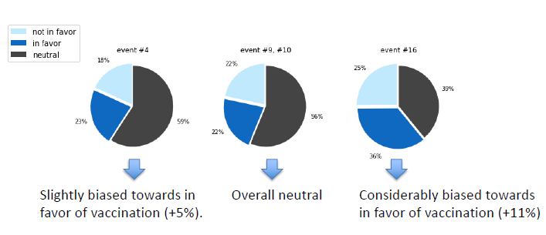
Classifier | Class | Precision | Recall | F1-score | Accuracy
SVM | positive | 85% | 60% | 0.70 | 0.67
 | neutral | 55% | 81% | 0.66
 | negative | 68% | 57% | 0.62
l.Reg | positive | 79% | 61% | 0.69 | 0.67
 | neutral | 59% | 71% | 0.64
 | negative | 67% | 71% | 0.69
MNb | positive | 73% | 65% | 0.69 | 0.62
 | neutral | 60% | 49% | 0.54
 | negative | 56% | 74% | 0.63
CNb | positive | 76% | 58% | 0.66 | 0.65
 | neutral | 57% | 61% | 0.59
 | negative | 65% | 79% | 0.72
Dt | positive | 69% | 50% | 0.58 | 0.56
 | neutral | 50% | 66% | 0.57
 | negative | 54% | 53% | 0.54
R.Forest | positive | 80% | 57% | 0.66 | 0.64
 | neutral | 54% | 79% | 0.64
 | negative | 66% | 56% | 0.60

Support | positive | 183
 | neutral | 160
 | negative | 150
 |  | 493

