Hannah
 | vol_boot | vol_last | name | sharp_boot | anzahlIST | value | Volval_boot_1mth | Volval_last_1mth | Volval_last_1mth
EJAH.DE | 0.18238231236 | 0.14455449581 | BNP Easy MSCI Japan ESG Filtered EUR hedged | 0.47571897137 | 1 | 14.875 | 0.78408580819 | 1 | 0.62145899572 | #VALUE!
VGEJ.DE | 0.19406266958 | 0.14099192619 | Vanguard FTSE Developed Asia ex Japan Distr | 0.28968561376 | 1 | 22.484375 | 1.2610918602 | 1 | 0.9162183065 | #VALUE!
IUSC.DE | 0.31113492282 | 0.1695535332 | Ishares MSCI EM Latin America | 0.12729401128 | 1 | 15.0703125 | 1.3551735597 | 1 | 0.73850425744 | #VALUE!
XRS2.DE | 0.24424243592 | 0.11042422056 | Xtrackers Russel2000 Acc | 0.40897238254 | 1 | 253.125 | 17.868169535 | 8 | 8.0783615115 | #VALUE!
SXR8.DE | 0.18468795904 | 0.082627929747 | SP500 ETF | 0.7603705316 | 1 | 424.25 | 22.645626192 | 10 | 10.131473756 | #VALUE!
LYP6.DE | 0.17879435653 | 0.11127479374 | Lyxor Europa Stoxx 600 inkl UK | 0.3777774343 | 1 | 207.75 | 10.735412592 | 7 | 6.6813116764 | #VALUE!
SXRT.DE | 0.21541168724 | 0.1646489501 | iShares Core EURO Stoxx 50 ex UK | 0.56633505481 | 1 | 154.875 | 9.6421633124 | 7 | 7.369943973 | #VALUE!
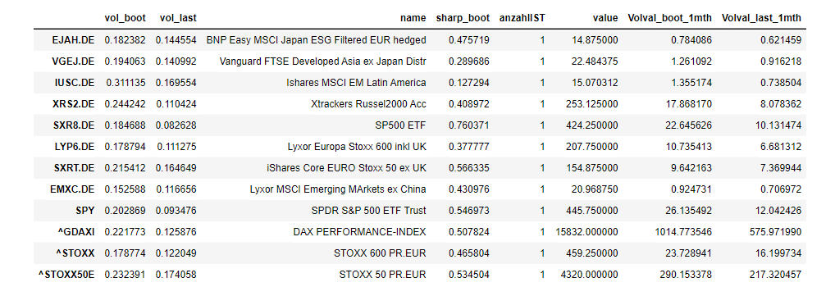
EMXC.DE | 0.15258751619 | 0.11665572971 | Lyxor MSCI Emerging MArkets ex China | 0.43097572645 | 1 | 20.96875 | 0.92473106359 | 1
SPY | 0.2028688802 | 0.093475699425 | SPDR S&P 500 ETF Trust | 0.54697313013 | 1 | 445.75 | 26.135492297 | 12.042425728
^GDAXI | 0.2217734 | 0.12587563694 | DAX PERFORMANCE-INDEX | 0.50782423897 | 1 | 15832 | 1014.7735459 | 575.97198958
^STOXX | 0.17877438433 | 0.12204916775 | STOXX 600 PR.EUR | 0.46580427612 | 1 | 459.25 | 23.728941042 | 16.199734188
^STOXX50E | 0.23239136254 | 0.17405758798 | STOXX 50 PR.EUR | 0.53450448959 | 1 | 4320 | 290.15337751 | 217.32045667

 |  |  |  |  |  | Euro in Sparplan
50 | 0.7 | Dev | 0.5 | 0.6 | USA Sp500 | 10.5
 |  |  |  | 0.4 | USA Russel 2000 | 7
 |  |  | 0.4 | 0.65 | EU | 9.1 | 50 | 0.4
 |  |  |  | 0.35 | UK | 4.9 | 600 | 0.6
 |  |  | 0.1 | 1 | Japan | 3.5
 | 0.3 | EM | 1 | 0.5 | Asien ex China | 7.5
 |  |  |  | 0.5 | Latin AM | 7.5

PROCESS
1 Positionupdate
1.0 Oeffne in Excel"momentum_ranking_dot.csv im Folder C:\Temp\Trading\ETFS\RES_US_long\Res.
1.01 Erledige Dtaen in Spalten und kopiere die Tabelle dann nach
1.02
1.1 Gehe in actual Position und ermittle aus Spalte "X" welche Stockes aus den Top 10 / Top 20
in der aktuellen Position fehlen.
1.2 Markiere die entsprechenden Zeilen in "... freshly screened mit light blue Background

1 Updtae des bestehende Portfolios
Starte Clenowprocess.bat
1.1 Update Marktdaten
1.1.1 StockDataGrabber_Boost.py portfolio1 marketCape=0
1.1.2 StockDataGrabber_Boost.py portfolio2 marketCape=0
1.1.3 StockDataGrabber_Boost.py Universum1 marketCape=??
1.1.4 StockDataGrabber_Boost.py Universum2 marketCape=??
1.2 Update der Rankings ; export nach Excel
1.2.1 Update Portfolio rankings
1.2.1.1 StockScreenerPlotter_v1.py portfolio1
1.2.1.2 StockScreenerPlotter_v1.py portfolio2
1.2.1.3 Rankingtabelle ist im Clipboard; Via "Ctrl.+v" nach tab "<portfolio1> freshly screened"
1.2.2 Update der Universm Rankings
1.2.2.1 StockScreenerPlotter_v1.py Universum1
1.2.2.2 StockScreenerPlotter_v1.py Universum2
1.2.2.3 Rankingtabelle ist im Clipboard; Via "Ctrl.+v" nach tab "<portfolio2> freshly screened"
1.3 Baue Portfoliorankings , export nach Excel und Erstellen der Basket Trader Tabellen
1.3.0 Oeffne PositionKeepingClenow.xlsx
Fuer Portfolio 1:
1.3.1 Starte Clenow_Analysis.ipynb mit portfolio1
1.3.2 Kopiere Portf olio1Viewtabelle "final" nach Clipboard und
kopiere Clipboard in tab "<portfolio1> actual position"
1.3.3 Kopiere basket Tabelle nach Clipboard und
kopiere Clipboard nach nach neuem ExcelSheet (blank)
1.3.4 Speichere das XL Sheet als "Portfolio1_basket.csv "in ein Dir ab.
Hier greift TWS die BAsketOrderDatei spaeter ab.
Fuer Portfolio 2:
1.3.1 Starte Clenow_Analysis.ipynb mit portfolio2
1.3.2 Kopiere Portf olio1Viewtabelle "final" nach Clipboard und
kopiere Clipboard in tab <portfolio2> actual position
1.3.3 Kopiere basket Tabelle nach Clipboard und kopiere Clipboard nach
nach neuem ExcelSheet (blank)
1.3.4 Speichere das XL Sheet als "Portfolio2_basket.csv "in ein Dir ab.
Hier greift TWS die BAsketOrderDatei spaeter ab.

