Sheet1
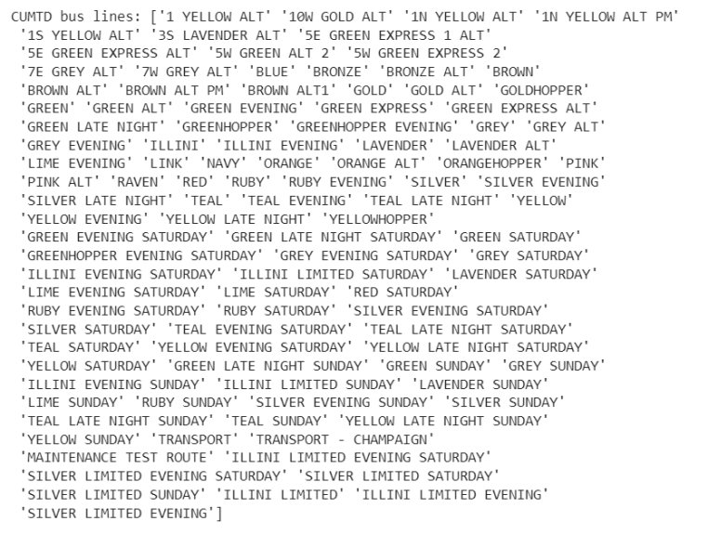
Student Names | Bus Route | DO NOT DO RUBY
Louis Sungwoo Cho | YELLOW
Jae Min | Green Late Night
Kosuke | Raven
Brandon | TEAL
Mitchell | Orange

