Description_variables
VARIABLE NAME | DESCRIPTION
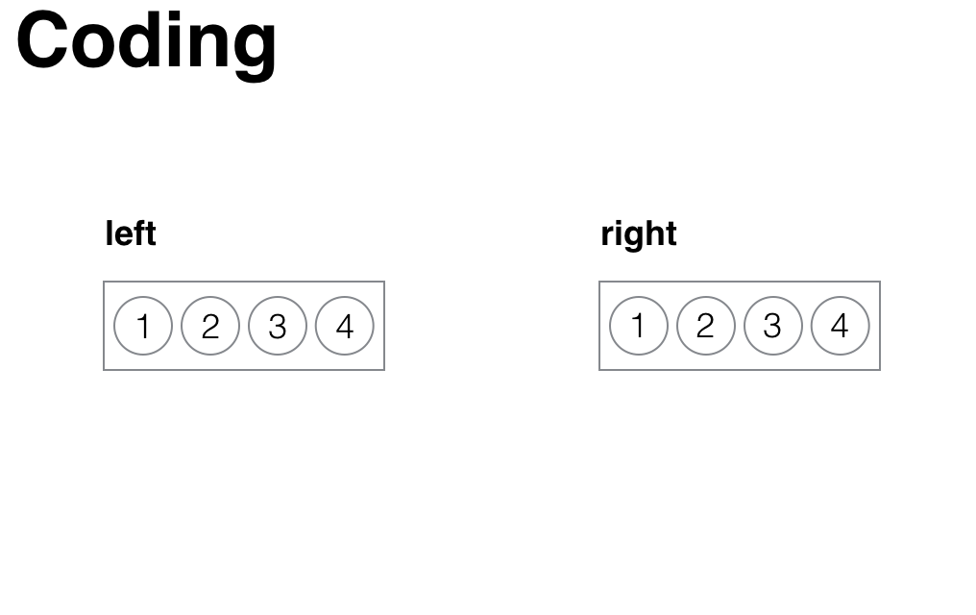
all_samples | A maximum of 32 trays could be opened within one session

field_site | Kenya

subject_sex | Female or male

subject_age | Age of chimpanzee at the moment of testing

date | Date the experiment took place

subject | Chimpanzee name

trial_no | Trial within condition (32 trials/condition)
 |  | Figure S1. | Coding scheme for trays
session | Session per condition (8 sessions/condition)

condition | Stable or changing environment

condition_order | Stable or changing condition first

counterbalancing | Refers to our counterbalancing, see SI, Experiment (section Methods/Test Phase/Counterbalancing).

safe assortment | Site of the safe option (left/right), see Fig. S1

food_pattern | Refers to the counterbalancing (six possible patterns to bait two out of four trays), see SI, Experiment (section Methods/Test Phase/Counterbalancing).

bucket drawn | Describes which bucket was drawn out of the option, see Fig. S1

search_order | A maximum of 8 trays could be opened within one trial

searched | Describes how many trays were opened and when (If one bucket was opened : yes in the first row and the rest of the rows no; If two buckets were opened: yes in the first row, yes in the second row and in the rest of the rows no; etc.)

searched_left | Describes which bucket was opened and when on the left side, see Fig. S1. (If the chimp searched first bucket 1, 1 is in the first row; NA if the side was not opened)

searched_right | Describes which bucket was opened and when on the right side, see Fig. S1. (If the chimp searched first bucket 1, 1 is in the first row; NA if the side was not opened)

search_assortment | Describes which option was searched and when (safe/risky). Risky refers to the uncertain option described in the manuscript.

sample_found | Describes which quantity of food was found and when: 0, 0.25 or 0.5 apples

sampled_only_0_in_risky | Describes whether the chimpanzee (within one trial) only sampled an empty tray within the risky option. | Risky option refers to the uncertain option described in the manuscript.

switched_assortment | Describes whether and when the chimp switched beween options. (In the first row always NA, because no switch was possible; yes if the chimp searched in a different option before and now switched; no if they stayed within the same option)

first_searched_assortment | Describes which option was searched first (within a trial) : safe or risky. Risky refers to the uncertain option described in the manuscript.

last_searched_assortment | Describes which option was searched last (within a trial) : safe or risky. Risky refers to the uncertain option described in the manuscript.

searched_both_assortments | Describes whether both options were searched (within a trial: yes/no)

experienced_variance_risk | Describes whether chimpanzees saw both possible outcomes within the risky assortment, i.e. 0 and 0.5 (within trial: yes/no)

choice_side | Describes which side was chosen (within a trial): left or right

choice_assortment | Describes which option was chosen (within a trial): safe or risky. Risky refers to the uncertain option described in the manuscript.

reward | Describes which reward the chimpanzee got after their choice (within a trial): 0, 0.25 or 0.5 apple

exploration_strategy | Given two options, at least three distinct strategies can be used to explore them (within a trial): Exploring only one option (exploration_one_prospect); extensively sampling from one then switching to the other (omprehensive_exploration_each_prospect); or exploring both options piecewise, switching back and forth between them (piecewise_exploration). Or no exploration (no_exploration)

