25C
P [atm] | P [MPa] | Solubility [cm^3(stp)/cm^3] | Solubility [g-sol/g-pol-am] | # https://doi.org/10.1016/0021-9797(66)90090-7, Fig1 (oriented)
2.8677098151 | 0.29057069701 | 1.5113350126 | 0.0011577365444 | MW1 [g/mol] | 18
4.0967283073 | 0.41510099573 | 1.9143576826 | 0.0014664662896 | rho2_am [g-pol/cm^3-pol] | 1.049
4.3527738265 | 0.44104480797 | 2.1410579345 | 0.0016401267713 | STP [cm^3(STP)/mol] | 22400
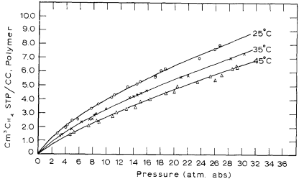
5.0697012802 | 0.51368748222 | 2.4685138539 | 0.0018909696893
5.9402560455 | 0.60189644381 | 2.5188916877 | 0.0019295609074
7.8862019915 | 0.79906941679 | 3.2997481108 | 0.0025277247887
8.9103840683 | 0.90284466572 | 3.677581864 | 0.0028171589248
10.907539118 | 1.1052064011 | 4.080604534 | 0.00312588867
11.317211949 | 1.1467165007 | 4.282115869 | 0.0032802535426
13.263157895 | 1.3438894737 | 4.8362720403 | 0.0037047569422
14.645803698 | 1.4839860597 | 5.0629722922 | 0.0038784174239
15.106685633 | 1.5306849218 | 5.2141057935 | 0.0039941910783
17.308677098 | 1.753801707 | 5.5415617128 | 0.0042450339963
17.359886202 | 1.7589904694 | 5.5919395466 | 0.0042836252144
18.230440967 | 1.847199431 | 6.0453400504 | 0.0046309461778
18.844950213 | 1.9094645804 | 6.1712846348 | 0.0047274242231
23.812233286 | 2.4127745377 | 6.9269521411 | 0.0053062924954
26.065433855 | 2.6410800853 | 7.556675063 | 0.0057886827222
26.884779516 | 2.7241002845 | 7.8589420655 | 0.0060202300311

35C_1.049
P [atm] | P [MPa] | Solubility [cm^3(stp)/cm^3] | Solubility [g-sol/g-pol-am] | # https://doi.org/10.1016/0021-9797(66)90090-7, Fig1 (oriented)
3.226173542 | 0.32689203414 | 1.3602015113 | 0.00104196289 | MW1 [g/mol] | 18
3.6358463727 | 0.36840213371 | 1.4609571788 | 0.0011191453263 | rho2_am [g-pol/cm^3-pol] | 1.049
4.9160739687 | 0.49812119488 | 1.8136020151 | 0.0013892838533 | STP [cm^3(STP)/mol] | 22400
6.5035561878 | 0.65897283073 | 2.3677581864 | 0.001813787253
7.6301564723 | 0.77312560455 | 2.5188916877 | 0.0019295609074
8.0910384068 | 0.81982446657 | 2.5440806045 | 0.0019488565165
8.2958748222 | 0.84057951636 | 2.8463476071 | 0.0021804038254
8.5519203414 | 0.86652332859 | 2.9219143577 | 0.0022382906526
10.13940256 | 1.0273749644 | 3.274559194 | 0.0025084291796
13.570412518 | 1.3750220484 | 4.080604534 | 0.00312588867
14.13371266 | 1.4320984353 | 4.1813602015 | 0.0032030711063
14.645803698 | 1.4839860597 | 4.3073047859 | 0.0032995491517
15.311522048 | 1.5514399716 | 4.4332493703 | 0.003396027197
 | Veith et al |  | NELF
0.32689203414 | 0.00104196289 | 0.0044722719141 | 0
0.36840213371 | 0.0011191453263 | 0.084973166369 | 0.00034146341463
0.49812119488 | 0.0013892838533 | 0.090066666667 | 0.00038647092552
0.65897283073 | 0.001813787253 | 0.20572450805 | 0.00073170731707
0.77312560455 | 0.0019295609074 | 0.21015555556 | 0.00079636433137
0.81982446657 | 0.0019488565165 | 0.30522592593 | 0.0010657228552
0.84057951636 | 0.0021804038254 | 0.34525555556 | 0.0011711240167
0.86652332859 | 0.0022382906526 | 0.49536666667 | 0.0016278623832
1.0273749644 | 0.0025084291796 | 0.50983899821 | 0.001487804878
1.3750220484 | 0.00312588867 | 0.57542592593 | 0.0016864185841
1.4320984353 | 0.0032030711063 | 0.60544814815 | 0.0018737984268
1.4839860597 | 0.0032995491517 | 0.64547777778 | 0.0018855096669
1.5514399716 | 0.003396027197 | 0.86063703704 | 0.0024242267146
1.6344601707 | 0.0035310964606 | 0.91234347048 | 0.0023658536585
2.137770128 | 0.0042643296054 | 0.92068148148 | 0.0024710716753
2.241545377 | 0.0043222164326 | 0.98072592593 | 0.0026116065573
2.8849519203 | 0.0052677012772 | 1.1758703704 | 0.0030214999631
3.0769361309 | 0.0055378398043 | 1.2164579606 | 0.0029756097561
 |  | 1.2309111111 | 0.0029746550025
 |  | 1.2609333333 | 0.0031737460853
 |  | 1.3159740741 | 0.0031737460853
 |  | 1.3910296296 | 0.0033025697272
 |  | 1.5250447227 | 0.003487804878
 |  | 1.5411407407 | 0.0035953507313
 |  | 1.6612296296 | 0.003712463133
 |  | 1.7012592593 | 0.003782730574
 |  | 1.7531305903 | 0.0038536585366
 |  | 1.7563 | 0.0038295755347
 |  | 1.8813925926 | 0.0040286666175
 |  | 2.0164925926 | 0.0041574902594
 |  | 2.0259391771 | 0.0041219512195
16.13086771 | 1.6344601707 | 4.6095717884 | 0.0035310964606
21.098150782 | 2.137770128 | 5.5667506297 | 0.0042643296054
22.122332859 | 2.241545377 | 5.6423173804 | 0.0043222164326
28.472261735 | 2.8849519203 | 6.8765743073 | 0.0052677012772
30.366998578 | 3.0769361309 | 7.2292191436 | 0.0055378398043

35C_1
P [atm] | P [MPa] | Solubility [cm^3(stp)/cm^3] | Solubility [g-sol/g-pol-am] | # https://doi.org/10.1021/acs.iecr.1c01854
0.88888888889 | 0.090066666667 | 0.5702764977 | 0.00038647092552 | MW1 [g/mol] | 16
2.0740740741 | 0.21015555556 | 1.1751152074 | 0.00079636433137 | rho2 [g-pol/cm^3-pol] | 1.054
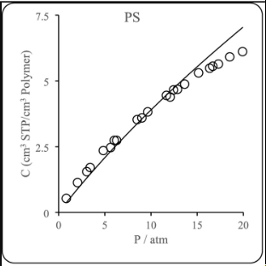
3.012345679 | 0.30522592593 | 1.5725806452 | 0.0010657228552 | STP [cm^3(STP)/mol] | 22400
3.4074074074 | 0.34525555556 | 1.7281105991 | 0.0011711240167
4.8888888889 | 0.49536666667 | 2.4020737327 | 0.0016278623832
5.6790123457 | 0.57542592593 | 2.4884792627 | 0.0016864185841
5.975308642 | 0.60544814815 | 2.7649769585 | 0.0018737984268
6.3703703704 | 0.64547777778 | 2.7822580645 | 0.0018855096669
8.4938271605 | 0.86063703704 | 3.5771889401 | 0.0024242267146
9.0864197531 | 0.92068148148 | 3.6463133641 | 0.0024710716753
9.6790123457 | 0.98072592593 | 3.8536866359 | 0.0026116065573
11.604938272 | 1.1758703704 | 4.4585253456 | 0.0030214999631
12.148148148 | 1.2309111111 | 4.3894009217 | 0.0029746550025
12.444444444 | 1.2609333333 | 4.6831797235 | 0.0031737460853
12.987654321 | 1.3159740741 | 4.6831797235 | 0.0031737460853
13.728395062 | 1.3910296296 | 4.8732718894 | 0.0033025697272
15.209876543 | 1.5411407407 | 5.3052995392 | 0.0035953507313
16.395061728 | 1.6612296296 | 5.4781105991 | 0.003712463133
16.790123457 | 1.7012592593 | 5.581797235 | 0.003782730574
17.333333333 | 1.7563 | 5.650921659 | 0.0038295755347
18.567901235 | 1.8813925926 | 5.9447004608 | 0.0040286666175
19.901234568 | 2.0164925926 | 6.1347926267 | 0.0041574902594

35C_2
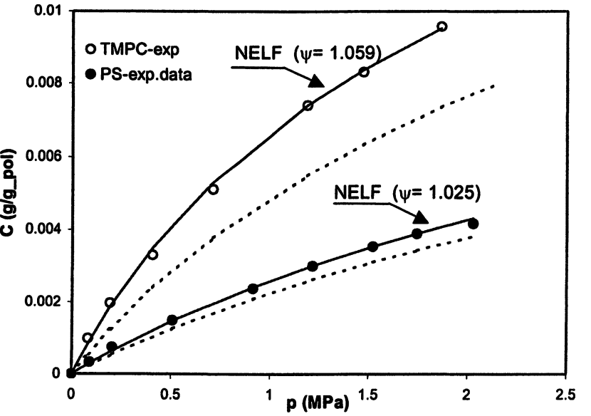
P [MPa] | Solubility [g-sol/g-pol-am] | # 10.1021/bk-2004-0876.ch004
0.0044722719141 | 0
0.084973166369 | 0.00034146341463
0.20572450805 | 0.00073170731707
0.50983899821 | 0.001487804878
0.91234347048 | 0.0023658536585
1.2164579606 | 0.0029756097561
1.5250447227 | 0.003487804878
1.7531305903 | 0.0038536585366
2.0259391771 | 0.0041219512195

