_S_30C
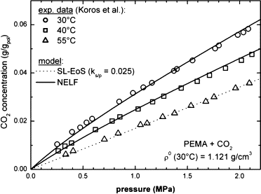
P [MPa] | Solubility [g-sol/g-pol-am] | # https://doi.org/10.1016/j.fluid.2014.08.010, Fig.6
0.25041736227 | 0.010528846154
0.38731218698 | 0.015432692308
0.4674457429 | 0.017451923077
0.52754590985 | 0.019326923077
0.58096828047 | 0.020913461538
0.84140233723 | 0.028125
0.97495826377 | 0.031586538462
1.0751252087 | 0.033894230769
1.1552587646 | 0.035913461538
1.3656093489 | 0.040673076923
1.3956594324 | 0.041394230769
1.5392320534 | 0.045
1.7662771285 | 0.050048076923
1.796327212 | 0.051201923077
1.9766277129 | 0.055673076923
2.0367278798 | 0.056826923077
2.0801335559 | 0.058269230769

S_15C (32)
P [atm] | P [MPa] | Solubility [cm^3(STP)/cm^3] | Solubility [g-sol/g-pol-am] | rho20 (g/cm^3) | primary ref | secondary ref
1.5907700252 | 0.16118477281 | 5.8036791155 | 0.010142423467 | 1.124 | [32] | [33]
2.2811789298 | 0.23114045506 | 9.133628785 | 0.015961794076 | [32] | Fig. 2 | Fig. 9
3.2347354906 | 0.32775957359 | 11.929501894 | 0.020847820417 |  | primary ref data check? Use rho20 for g/g unit conversion.
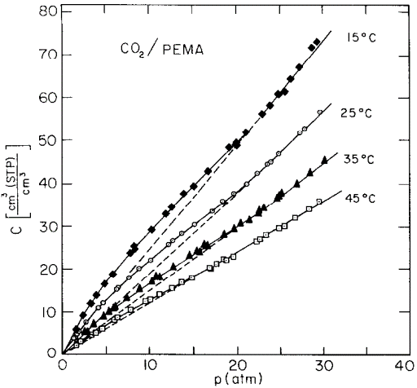
3.9233051912 | 0.39752889849 | 13.865334894 | 0.024230853431
4.8239492663 | 0.4887866594 | 16.553543828 | 0.028928727457
5.8292864949 | 0.5906524541 | 18.599163162 | 0.032503621439
7.8412342474 | 0.79451306012 | 23.655559525 | 0.04134010466
8.1602654113 | 0.8268388928 | 25.481181759 | 0.044530534976
8.4231301131 | 0.85347365871 | 24.732625711 | 0.043222369539
10.275915977 | 1.0412071863 | 29.144310316 | 0.050932164063
11.916768943 | 1.2074666131 | 32.910858731 | 0.057514528159
12.552143203 | 1.2718459101 | 34.524548069 | 0.06033458769
13.981063272 | 1.4166312361 | 37.645960294 | 0.065789521358
15.144147617 | 1.5344807573 | 39.263893949 | 0.068616998194
16.837630115 | 1.7060728714 | 42.923627052 | 0.075012693437
19.272311844 | 1.9527669976 | 48.412377843 | 0.08460475284
20.065716175 | 2.0331586915 | 49.812860988 | 0.087052216394
20.169984897 | 2.0437237197 | 48.848552157 | 0.085367004596
21.176736898 | 2.1457328662 | 51.966568929 | 0.09081600442
23.029381285 | 2.3334520587 | 56.27101379 | 0.09833838836
23.929176496 | 2.4246238085 | 58.315784261 | 0.10191179888
24.882733057 | 2.521242927 | 61.11165737 | 0.10679782522
25.727776579 | 2.6068669619 | 61.654646997 | 0.10774674583
26.312077558 | 2.6660712585 | 64.554788828 | 0.11281499064
27.265492641 | 2.7626760419 | 67.243422193 | 0.1175136064
28.749305877 | 2.913023418 | 71.973855007 | 0.12578044056
29.437026714 | 2.9827067318 | 73.266249545 | 0.12803901007

P_35C (32)
P [atm] | P [MPa] | Permeability [barrer] | primary ref | secondary ref
0.95847574722 | 0.097117555087 | 7.0212999744 | [32] | [33]
1.9860373791 | 0.20123523744 | 7.1214856954 | Fig. 10 | Fig. 10
4.0864300778 | 0.41405752763 | 7.2728714134 | primary ref data check?
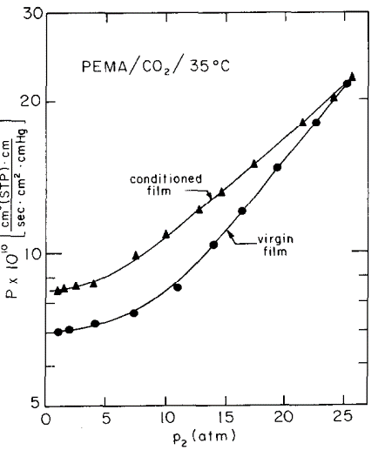
7.3476474438 | 0.74450037725 | 7.6250700123
11.051014472 | 1.1197440413 | 8.5552070181
14.032797615 | 1.4218732183 | 10.402418603
16.436440986 | 1.6654223829 | 12.11034082
19.417678714 | 1.9674962957 | 14.832811489
22.622536543 | 2.2922285152 | 18.165730345
25.20343975 | 2.5537385327 | 21.613975127

