25C
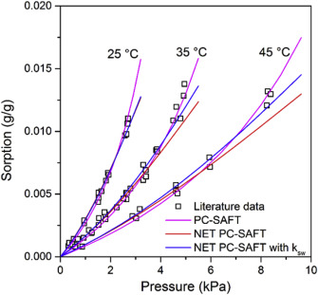
P [kPa] | P [MPa] | Solubility [g-sol/g-pol-am] | # https://www.sciencedirect.com/science/article/pii/S0032386116309053#fig8
0.28943560058 | 0.00028943560058 | 0.00078374455733
0.34732272069 | 0.00034732272069 | 0.0010449927431
0.46309696093 | 0.00046309696093 | 0.00095791001451
0.50651230101 | 0.00050651230101 | 0.0013352685051
0.94066570188 | 0.00094066570188 | 0.0029027576197
0.96960926194 | 0.00096960926194 | 0.0025834542816
1.505065123 | 0.001505065123 | 0.0050798258345
1.5340086831 | 0.0015340086831 | 0.0043541364296
1.5484804631 | 0.0015484804631 | 0.0046153846154
1.6497829233 | 0.0016497829233 | 0.0051669085631
1.8379160637 | 0.0018379160637 | 0.0060377358491
1.8958031838 | 0.0018958031838 | 0.0064441219158
1.8958031838 | 0.0018958031838 | 0.006618287373
2.5470332851 | 0.0025470332851 | 0.0096371552975
2.6338639653 | 0.0026338639653 | 0.0097242380261
2.6483357453 | 0.0026483357453 | 0.010566037736
2.6917510854 | 0.0026917510854 | 0.010972423803

