S_28C (35)
P [bar] | P [MPa] | Solubility [cm^3(stp)/cm^3] | Solubility [g-sol/g-pol-am] | x1 [mol-sol/mol-mix] |  |  |  |  | primary ref
56.034482759 | 5.6034482759 | 8.6405959032 | 0.020597814436 | 9.92E-01 | MW1 [g/mol] | 44 |  |  | [35]
72.413793103 | 7.2413793103 | 9.9813780261 | 0.023794027021 | 9.93E-01 | rho2_am [g-pol/cm^3-pol] | 0.824 | MW1 [g/mol] | 44 | primary ref data check?
87.068965517 | 8.7068965517 | 11.322160149 | 0.026990239606 | 9.94E-01 | STP [cm^3(STP)/mol] | 22400 | MW2 [g/mol] | 2.50E+05
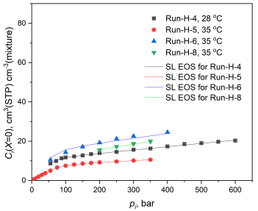
100.86206897 | 10.086206897 | 11.620111732 | 0.027700509069 | 9.94E-01
124.13793103 | 12.413793103 | 12.216014898 | 0.029121047996 | 9.94E-01
150 | 15 | 12.662942272 | 0.030186452191 | 9.94E-01
174.13793103 | 17.413793103 | 13.258845438 | 0.031606991118 | 9.95E-01
200 | 20 | 14.003724395 | 0.033382664776 | 9.95E-01
250 | 25 | 14.301675978 | 0.034092934239 | 9.95E-01
299.13793103 | 29.913793103 | 15.642458101 | 0.037289146824 | 9.95E-01
350.86206897 | 35.086206897 | 16.089385475 | 0.038354551019 | 9.96E-01
401.72413793 | 40.172413793 | 17.132216015 | 0.040840494141 | 9.96E-01
450 | 45 | 18.472998138 | 0.044036706726 | 9.96E-01
500 | 50 | 18.919925512 | 0.045102110921 | 9.96E-01
550 | 55 | 19.664804469 | 0.046877784579 | 9.96E-01
599.13793103 | 59.913793103 | 20.260707635 | 0.048298323506 | 9.97E-01

 |  |  |  |  | figure 6.2, 28°C, RUN-H-4

