Perm_30C
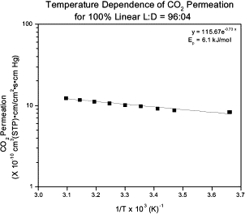
P [atm] | P [MPa] | Permeability [barrer] | # https://doi.org/10.1016/S0376-7388(01)00446-X, Fig. 11
2.36 | 0.23291389094 | 1.2

