S_35C (16)
P [bar] | P [MPa] | Solubility [g-sol/100g-pol-am] | Solubility [g-sol/g-pol-am] | _fit_ksw_NE?_ | primary ref | 2nd ref
2.9282868526 | 0.29282868526 | 0.83916083916 | 0.0083916083916 | Yes | [16] | [17], [3]
4.5418326693 | 0.45418326693 | 1.2027972028 | 0.012027972028 | Yes | no rh20 to convert to g/g | table 2, fig 48
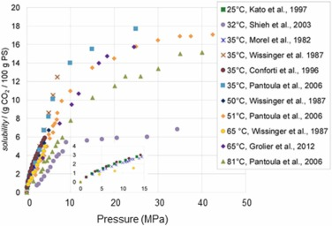
5.4980079681 | 0.54980079681 | 1.3986013986 | 0.013986013986 | Yes
6.0956175299 | 0.60956175299 | 1.5664335664 | 0.015664335664 | Yes
7.4103585657 | 0.74103585657 | 1.7342657343 | 0.017342657343 | Yes
8.5458167331 | 0.85458167331 | 1.9020979021 | 0.019020979021 | Yes
10.039840637 | 1.0039840637 | 2.1538461538 | 0.021538461538 | Yes
10.697211155 | 1.0697211155 | 2.2377622378 | 0.022377622378 | Yes
11.175298805 | 1.1175298805 | 2.2657342657 | 0.022657342657 | Yes
11.71314741 | 1.171314741 | 2.3496503497 | 0.023496503497 | Yes
12.071713147 | 1.2071713147 | 2.5174825175 | 0.025174825175 | Yes
12.609561753 | 1.2609561753 | 2.5734265734 | 0.025734265734 | Yes
13.984063745 | 1.3984063745 | 2.6573426573 | 0.026573426573 | Yes
14.581673307 | 1.4581673307 | 2.7972027972 | 0.027972027972 | Yes
 | 1 |  | 0.021450459653 | Yes
 | 2 |  | 0.03305785124 | Yes
 | 3 |  | 0.043841336117 | Yes
 | 4 |  | 0.054852320675 | Yes

P_35C (16)
P [atm] | P [MPa] | Permeability [barrer] | primary ref | secondary ref
2.1739130435 | 0.21454853624 | 10.75 | [16] | [27]
4.2199488491 | 0.41647657035 | 10.208333333 | Fig. 6 | Fig 4
6.3299232737 | 0.62471485553 | 10.041666667 | primary ref data check?
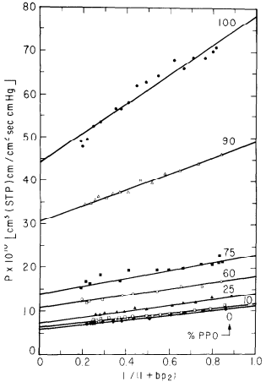
7.9283887468 | 0.78247113218 | 9.9166666667
8.8874680307 | 0.87712489817 | 9.7083333333
10.038363171 | 0.99070941736 | 9.6666666667
12.468030691 | 1.2304989579 | 9.4166666667
13.171355499 | 1.2999117196 | 9.375
14.833759591 | 1.4639782473 | 9.25
16.240409207 | 1.6028037708 | 9.125
17.647058824 | 1.7416292942 | 9.125
19.62915601 | 1.9372470772 | 9
20.140664962 | 1.9877290858 | 8.875

S_100C (18)
P [MPa] | Solubility [g-sol/g-pol-am] | Solubility*100 [g-sol/g-pol-am] | x1 [mol-sol/mol-mix] | _fit_ksw_NE?_ |  |  | primary ref
3.617 | 0.0226 | 2.26 | 9.93E-01 | Yes |  |  | [18]
5.86 | 0.0359 | 3.59 | 9.96E-01 | Yes | MW1 | 44 | fig. 3
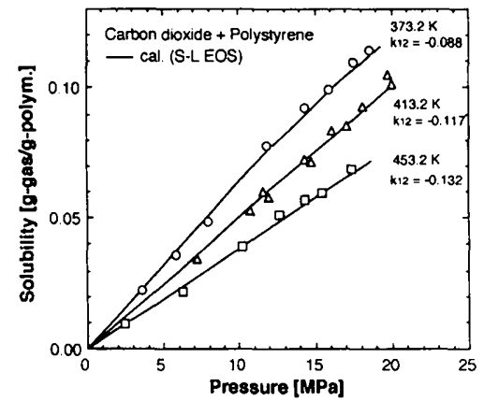
7.921 | 0.0484 | 4.84 | 9.97E-01 | Yes | MW2 | 2.70E+05 | primary ref data check?
11.928 | 0.0781 | 7.81 | 9.98E-01 | Yes
14.348 | 0.0929 | 9.29 | 9.98E-01 | Yes
15.908 | 0.1 | 10 | 9.99E-01 | Yes
17.476 | 0.1104 | 11.04 | 9.99E-01 | Yes
18.554 | 0.1157 | 11.57 | 9.99E-01 | Yes

!S_150C (19)
P [MPa] | Solubility [g-sol/g-pol-am] | _fit_ksw_NE?_ | primary ref | secondary ref
3.371559633 | 0.016697247706 | Yes | [19] | [3]
7.0107033639 | 0.034165137615 | Yes | unpublished | fig. 27
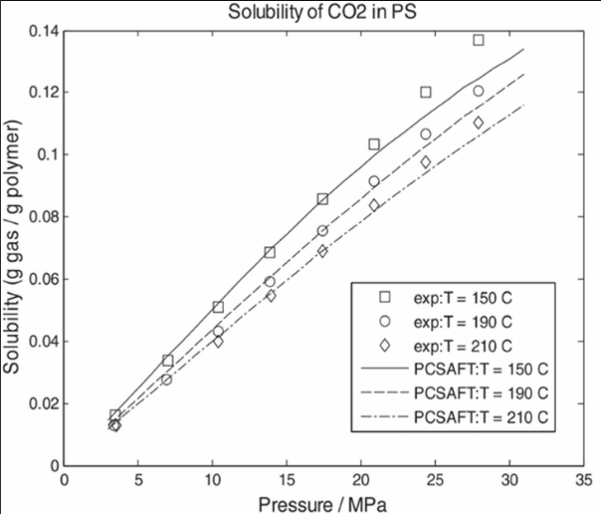
10.435779817 | 0.051119266055 | Yes
13.860856269 | 0.068844036697 | Yes
17.339449541 | 0.086568807339 | Yes
20.871559633 | 0.10403669725 | Yes
24.510703364 | 0.12099082569 | Yes
27.935779817 | 0.13768807339 | Yes

S_35C (22)
P [atm] | P [MPa] | Solubility [mg-sol/g-pol-am] | Solubility [g-sol/g-pol-am] | _fit_ksw_NE?_ | primary ref | secondary ref
3.3650793651 | 0.34066380952 | 11.333333333 | 0.011333333333 | Yes | [22] | [3]
6.7936507937 | 0.6877552381 | 18.777777778 | 0.018777777778 | Yes | Fig. 4 | fig. 46
13.714285714 | 1.3883657143 | 29.666666667 | 0.029666666667 | Yes | primary ref data check?
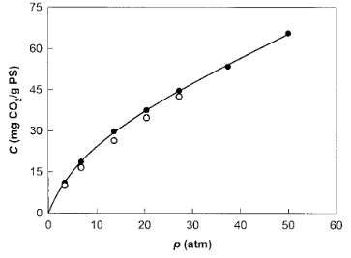
20.380952381 | 2.0632657143 | 37.666666667 | 0.037666666667 | Yes
27.365079365 | 2.7703038095 | 44.777777778 | 0.044777777778 | Yes
37.396825397 | 3.785867619 | 53.333333333 | 0.053333333333 | Yes
50.095238095 | 5.0713914286 | 65.555555556 | 0.065555555556 | Yes

S_35C (8)
P [bar] | P [MPa] | Solubility [g-sol/100g-pol-am] | Solubility [g-sol/g-pol-am] | _fit_ksw_NE?_ | primary ref | secondary ref
9.4339622642 | 0.94339622642 | 1.7650429799 | 0.017650429799 | Yes | [8] | [3]
18.867924528 | 1.8867924528 | 3.1518624642 | 0.031518624642 | Yes | Fig. 2 | fig. 23
30.398322851 | 3.0398322851 | 4.6017191977 | 0.046017191977 | Yes | primary ref data check?
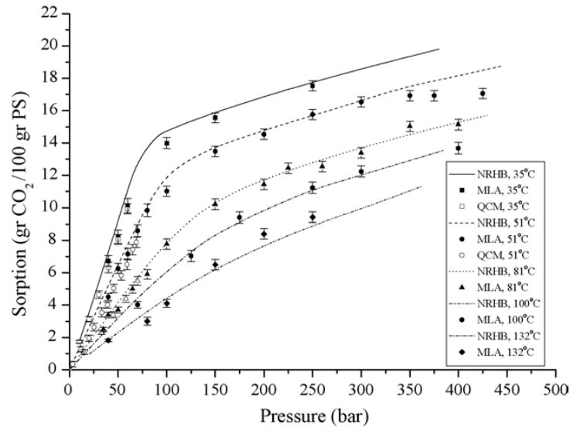
38.784067086 | 3.8784067086 | 6.7449856734 | 0.067449856734 | Yes
39.832285115 | 3.9832285115 | 6.3037249284 | 0.063037249284 | Yes
49.266247379 | 4.9266247379 | 8.0687679083 | 0.080687679083 | Yes
59.748427673 | 5.9748427673 | 10.085959885 | 0.10085959885 | Yes
100.62893082 | 10.062893082 | 14.05730659 | 0.1405730659 | No
149.8951782 | 14.98951782 | 15.633237822 | 0.15633237822 | No
249.47589099 | 24.947589099 | 17.650429799 | 0.17650429799 | No

S_51C (8)
P [bar] | P [MPa] | Solubility [g-sol/100g-pol-am] | Solubility [g-sol/g-pol-am] | _fit_ksw_NE?_ | primary ref | secondary ref
3.6069600998 | 0.36069600998 | 0.37235543018 | 0.0037235543018 | Yes | [8] | [3]
11.848838429 | 1.1848838429 | 1.3342736248 | 0.013342736248 | Yes | Fig. 2 | fig. 23
20.098002075 | 2.0098002075 | 1.9858956276 | 0.019858956276 | Yes | primary ref data check?
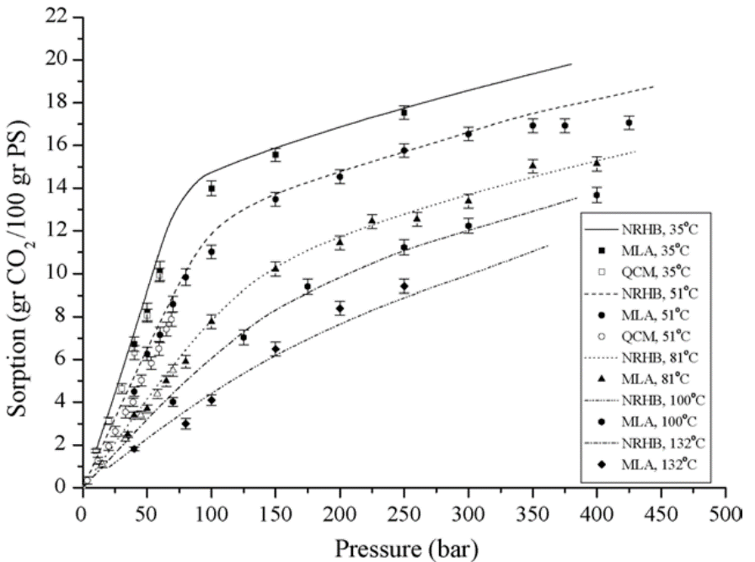
25.247992167 | 2.5247992167 | 2.6375176305 | 0.026375176305 | Yes
32.974070102 | 3.2974070102 | 3.5684062059 | 0.035684062059 | Yes
38.64496031 | 3.864496031 | 4.0338504937 | 0.040338504937 | Yes
39.666361655 | 3.9666361655 | 4.5303244006 | 0.045303244006 | Yes
45.852323724 | 4.5852323724 | 5.0578279267 | 0.050578279267 | Yes
49.438884939 | 4.9438884939 | 6.2990126939 | 0.062990126939 | Yes
53.065515392 | 5.3065515392 | 5.8335684062 | 0.058335684062 | Yes
58.73203441 | 5.873203441 | 6.485190409 | 0.06485190409 | Yes
59.23253564 | 5.923253564 | 7.167842031 | 0.07167842031 | Yes
64.907797037 | 6.4907797037 | 7.4471086037 | 0.074471086037 | Yes
68.512571542 | 6.8512571542 | 7.9125528914 | 0.079125528914 | Yes
69.529601697 | 6.9529601697 | 8.5952045134 | 0.085952045134 | Yes
79.313052956 | 7.9313052956 | 9.898448519 | 0.09898448519 | Yes
99.946525778 | 9.9946525778 | 11.077574048 | 0.11077574048 | No
149.47647717 | 14.947647717 | 13.497884344 | 0.13497884344 | No
199.55428435 | 19.955428435 | 14.583921016 | 0.14583921016 | No
249.11337701 | 24.911337701 | 15.763046544 | 0.15763046544 | No
299.1984695 | 29.91984695 | 16.538787024 | 0.16538787024 | No
349.29157584 | 34.929157584 | 16.973201693 | 0.16973201693 | No
374.6014932 | 37.46014932 | 16.973201693 | 0.16973201693 | No
424.1846274 | 42.41846274 | 17.128349788 | 0.17128349788 | No

S_35C (7)
P [atm] | P [MPa] | Solubility [ccSTP/g-pol-am] | Solubility [g-sol/g-pol-am] | _fit_ksw_NE?_ | primary ref | secondary ref
5.4444444444 | 0.53732488966 | 6.377245509 | 0.01252673225 | Yes | [7] | [8]
10.208333333 | 1.0074841681 | 9.7005988024 | 0.019054747648 | Yes | Fig. 12 | fig. 4
15.652777778 | 1.5448090578 | 13.473053892 | 0.026464927288 | Yes | primary ref data check?
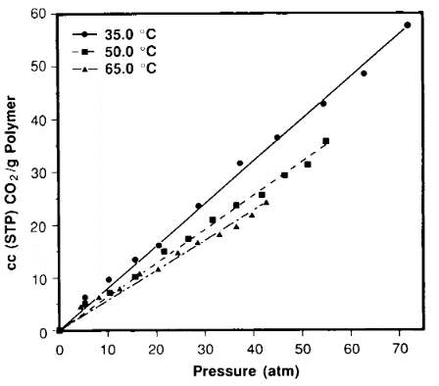
20.513888889 | 2.0245634235 | 16.347305389 | 0.032110778443 | Yes
28.777777778 | 2.8401458453 | 23.71257485 | 0.046578272027 | Yes
37.236111111 | 3.6749184418 | 31.796407186 | 0.0624572284 | Yes
44.916666667 | 4.4329303397 | 36.646706587 | 0.071984602224 | Yes
54.444444444 | 5.3732488966 | 43.113772455 | 0.084687767322 | Yes
62.611111111 | 6.179236231 | 48.862275449 | 0.095979469632 | Yes
71.652777778 | 7.0715793514 | 57.934131737 | 0.11379918734 | Yes

S_35C (23)
P [atm] | P [MPa] | Solubility [ccSTP/cm^3pol] | Solubility [g-sol/g-pol-am] | _fit_ksw_NE?_ | V20 (cm^3/g) | 0.9425 | primary ref | secondary ref
1.2820512821 | 0.12652862394 | 2.9954614221 | 0.0055456154096 | Yes | rho20 (cm^3/g) | 1.0610079576 | [23] | [8], [3]
3.3936651584 | 0.33492871042 | 6.1724659607 | 0.011427328723 | Yes | MW1 (g/mol) | 44 | Fig. 1 | fig. 4, fig. 48
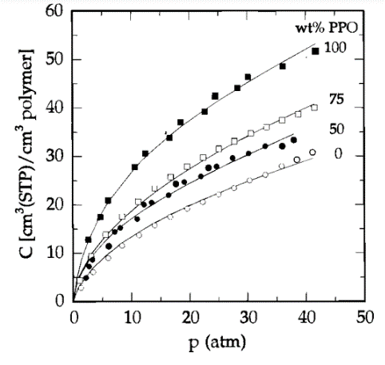
6.0331825038 | 0.59542881853 | 9.0771558245 | 0.01680489518 | Yes |  |  | primary ref data check?
8.371040724 | 0.82615748571 | 11.800302572 | 0.021846363735 | Yes
11.236802413 | 1.1089861745 | 13.797276853 | 0.025543440674 | Yes
13.95173454 | 1.3769291429 | 15.885022693 | 0.029408566566 | Yes
16.666666667 | 1.6448721112 | 17.6096823 | 0.03260149665 | Yes
19.457013575 | 1.9202579398 | 19.334341906 | 0.035794426734 | Yes
22.09653092 | 2.1807580479 | 20.69591528 | 0.038315161011 | Yes
24.886877828 | 2.4561438764 | 22.329803328 | 0.041340042144 | Yes
27.450980392 | 2.7092011243 | 23.600605144 | 0.043692727469 | Yes
30.165912519 | 2.9771440927 | 25.143721634 | 0.04654955965 | Yes
32.880844646 | 3.245087061 | 26.414523449 | 0.048902244975 | Yes
35.595776772 | 3.5130300293 | 28.048411498 | 0.051927126108 | Yes
38.235294118 | 3.7735301374 | 29.409984871 | 0.054447860385 | Yes
40.874811463 | 4.0340302456 | 30.953101362 | 0.057304692565 | Yes

!S_32C (11)
P [bar] | P [MPa] | Solubility [g-sol/100g-pol-am] | Solubility [g-sol/g-pol-am] | _fit_ksw_NE?_ | primary ref | secondary ref
24.685714286 | 2.4685714286 | 0.70921985816 | 0.0070921985816 | Yes | [11] | [8]
41.6 | 4.16 | 1.5886524823 | 0.015886524823 | Yes | Fig. 1 | fig. 4
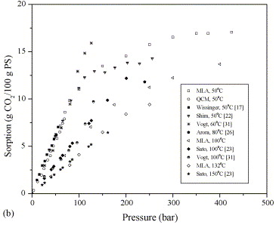
62.628571429 | 6.2628571429 | 3.0354609929 | 0.030354609929 | Yes | no rho20 to convert to g/g
82.285714286 | 8.2285714286 | 4.0283687943 | 0.040283687943 | Yes
138.05714286 | 13.805714286 | 5.0496453901 | 0.050496453901 | No
172.34285714 | 17.234285714 | 5.2482269504 | 0.052482269504 | No
206.62857143 | 20.662857143 | 5.3617021277 | 0.053617021277 | No
276.57142857 | 27.657142857 | 5.475177305 | 0.05475177305 | No

S_60C (15)
P [bar] | P [MPa] | Solubility [wt fraction] | Solubility [g-sol/g-pol-am] | _fit_ksw_NE?_ | primary ref | secondary ref
11.681009691 | 1.1681009691 | 0.016473988439 | 0.016749926535 | Yes | [15] | [8]
27.18984557 | 2.718984557 | 0.029479768786 | 0.030375223347 | Yes | Fig. 6 | fig. 4
43.918845081 | 4.3918845081 | 0.043930635838 | 0.045949214027 | Yes | primary ref data check?
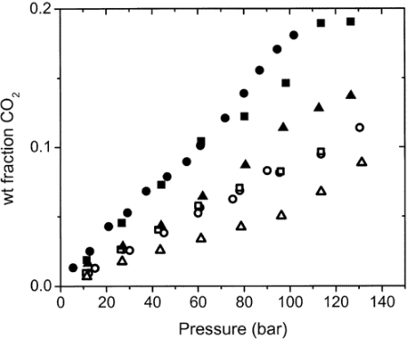
61.872789233 | 6.1872789233 | 0.065317919075 | 0.069882498454 | Yes
80.524257326 | 8.0524257326 | 0.087861271676 | 0.096324461343 | Yes
97.089947661 | 9.7089947661 | 0.11473988439 | 0.129611492 | Yes
112.60029333 | 11.260029333 | 0.12947976879 | 0.14873837981 | Yes
126.53819055 | 12.653819055 | 0.13815028902 | 0.16029510396 | Yes

S_100C (15)
P [bar] | P [MPa] | Solubility [wt fraction] | Solubility [g-sol/g-pol-am] | _fit_ksw_NE?_ | primary ref | secondary ref
11.498576482 | 1.1498576482 | 0.006936416185 | 0.0069848661234 | Yes | [15] | [8]
26.831521583 | 2.6831521583 | 0.017919075145 | 0.018246027075 | Yes | Fig. 6 | fig. 4
43.206726483 | 4.3206726483 | 0.026011560694 | 0.026706231454 | Yes | primary ref data check?

61.149095563 | 6.1149095563 | 0.034104046243 | 0.035308198683 | Yes
78.569579846 | 7.8569579846 | 0.042774566474 | 0.044685990338 | Yes
96.338071205 | 9.6338071205 | 0.051156069364 | 0.053914102955 | Yes
113.41759411 | 11.341759411 | 0.068208092486 | 0.073200992556 | No
131.37128663 | 13.137128663 | 0.089306358382 | 0.098064106633 | No

S_65C (26)
P [MPa] | Solubility [mg-sol/g-pol-am] | Solubility [g-sol/g-pol-am] | _fit_ksw_NE?_ | primary ref | secondary ref
3.7900874636 | 37.393767705 | 0.037393767705 | Yes | [26] | [3]
7.5801749271 | 75.212464589 | 0.075212464589 | Yes | Fig. 7 | fig. 48
10.27696793 | 95.609065156 | 0.095609065156 | Yes | primary ref data check?
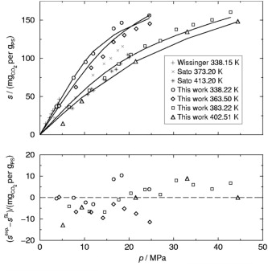
11.95335277 | 106.6572238 | 0.1066572238 | Yes
16.690962099 | 139.37677054 | 0.13937677054 | Yes
18.294460641 | 147.45042493 | 0.14745042493 | Yes
24.70845481 | 156.37393768 | 0.15637393768 | No

