S_100C (4)
P [MPa] | Solubility [g-sol/g-pol-am] | _fit_ksw_NE?_ | primary ref | ref
4.8762736536 | 0.042712842713 | Yes | [4] | [3]
9.8617176128 | 0.086291486291 | Yes | Fig. 2
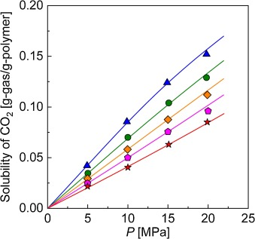
14.956331878 | 0.12467532468 | Yes | primary ref data check?
19.868995633 | 0.15238095238 | Yes

S_30C (6)
P [bar] | P [MPa] | Solubility [wt%] | Solubility [g-sol/g-pol-am] | _fit_ksw_NE?_ | primary ref | ref
48.817891374 | 4.8817891374 | 15.481651376 | 0.18317503392 | Yes | [6] | [3]
70.54313099 | 7.054313099 | 23.73853211 | 0.31127819549 | Yes | Fig. 11 | Fig. 29
70.54313099 | 7.054313099 | 24.97706422 | 0.33292571079 | Yes | primary ref data check?
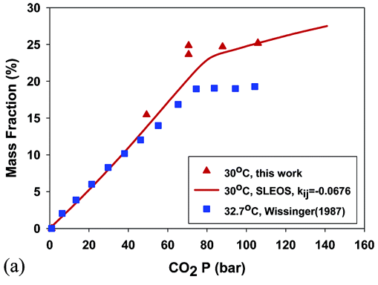
87.667731629 | 8.7667731629 | 24.701834862 | 0.3280536095 | Yes
105.55910543 | 10.555910543 | 25.321100917 | 0.33906633907 | Yes

S_33C (7)
P [atm] | P [MPa] | Solubility [ccSTP/g-pol] | Solubility [g-sol/g-pol-am] | _fit_ksw_NE?_ | primary ref | ref
5.4751153808 | 0.55476606596 | 10.972423803 | 0.021552975327 | Yes | [7] | [6]
12.531772909 | 1.26978189 | 20.725689405 | 0.040711175617 | Yes | Fig. 5 | Fig. 11
20.39647983 | 2.0666733188 | 33.526850508 | 0.065856313498 | Yes | primary ref data check?
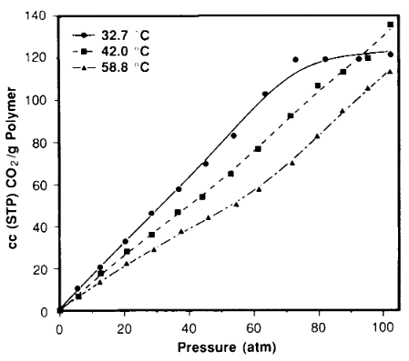
28.525737016 | 2.8903703032 | 46.328011611 | 0.091001451379 | Yes
37.046060159 | 3.7536920456 | 57.910014514 | 0.11375181422 | Yes
45.303752851 | 4.5904027576 | 69.898403483 | 0.13730043541 | Yes
54.22954055 | 5.4948081963 | 83.309143687 | 0.16364296081 | Yes
63.716105697 | 6.4560344098 | 103.42525399 | 0.20315674891 | Yes
73.316707751 | 7.4288154128 | 119.68069666 | 0.23508708273 | Yes
82.576926917 | 8.3671071198 | 119.8838897 | 0.2354862119 | No
93.026662366 | 9.4259265643 | 119.8838897 | 0.2354862119 | No
102.95881617 | 10.432302048 | 122.3222061 | 0.24027576197 | No

S_35C (8)
P [bar] | P [MPa] | Solubility [g-sol/100g-pol-am] | Solubility [g-sol/g-pol-am] | _fit_ksw_NE?_ | primary ref | ref
10.960334029 | 1.0960334029 | 4.5435092725 | 0.045435092725 | Yes | [8] | [3]
21.39874739 | 2.139874739 | 7.6390870185 | 0.076390870185 | Yes | Fig. 3 | Fig. 33
29.227557411 | 2.9227557411 | 8.8873038516 | 0.088873038516 | Yes | primary ref data check?
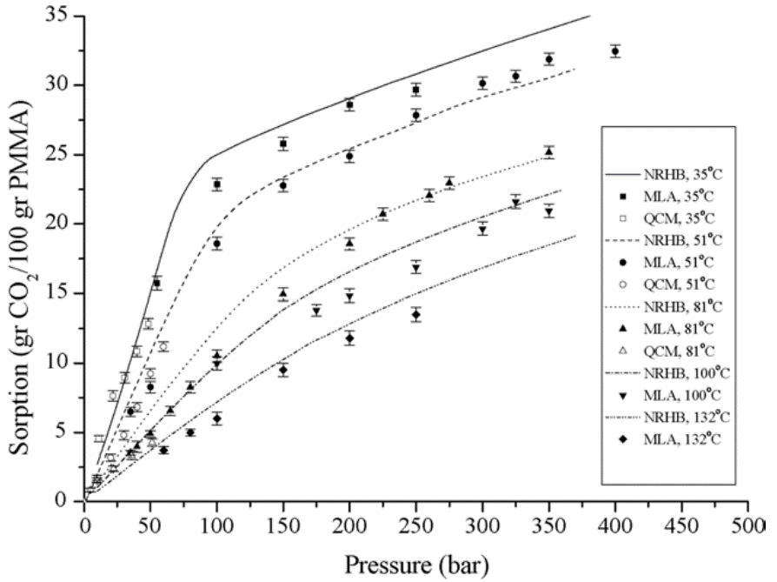
38.622129436 | 3.8622129436 | 10.784593438 | 0.10784593438 | Yes
48.538622129 | 4.8538622129 | 12.731811698 | 0.12731811698 | Yes
54.279749478 | 5.4279749478 | 15.877318117 | 0.15877318117 | No
100.73068894 | 10.073068894 | 22.867332382 | 0.22867332382 | No
150.3131524 | 15.03131524 | 25.863052782 | 0.25863052782 | No
200.41753653 | 20.041753653 | 28.659058488 | 0.28659058488 | No
248.95615866 | 24.895615866 | 29.757489301 | 0.29757489301 | No

S_40C (13)
P [bar] | P [MPa] | Solubility [g-sol/100g-pol-am] | Solubility [g-sol/g-pol-am] | _fit_ksw_NE?_ | primary ref | ref
14.155251142 | 1.4155251142 | 7.0085470085 | 0.070085470085 | Yes | [13] | [8]
28.310502283 | 2.8310502283 | 9.6581196581 | 0.096581196581 | Yes | Fig. 2 | Fig. 5
42.00913242 | 4.200913242 | 12.136752137 | 0.12136752137 | Yes | primary ref data check?
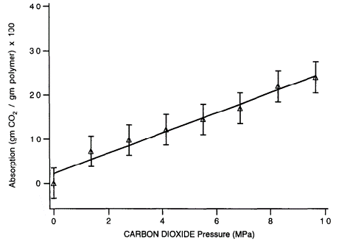
55.707762557 | 5.5707762557 | 14.273504274 | 0.14273504274 | Yes
68.949771689 | 6.8949771689 | 16.923076923 | 0.16923076923 | Yes
82.191780822 | 8.2191780822 | 21.965811966 | 0.21965811966 | No
96.347031963 | 9.6347031963 | 24.102564103 | 0.24102564103 | No

P_35C (30)
P [atm] | P [MPa] | Permeability [barrer] | primary ref | secondary ref
2.3227383863 | 0.23535146699 | 0.493981756 | [30] | [27]
2.8728606357 | 0.29109260391 | 0.50585416176 | Fig. 10 | Fig. 12
4.706601467 | 0.47689639364 | 0.49360160508 | primary ref data check?
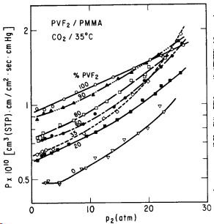
4.7677261614 | 0.4830898533 | 0.48163172473
8.6185819071 | 0.87327781174 | 0.55277843212
9.3520782396 | 0.94759932763 | 0.56063488453
10.880195599 | 1.1024358191 | 0.61620515153
13.080684597 | 1.3254003667 | 0.62382766491
13.936430318 | 1.412108802 | 0.65159817723
15.770171149 | 1.5979125917 | 0.72306655078
18.215158924 | 1.845650978 | 0.76254376203
19.987775061 | 2.0252613081 | 0.79814148438
22.004889976 | 2.2296454768 | 0.97722181157
22.677261614 | 2.297773533 | 0.92927405795

