omega_cr
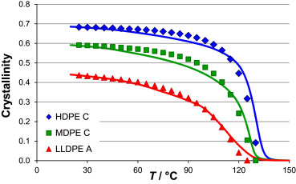
T (°C) | omega_cr_HDPE | ref | rho_cr_HDPE_converged (g/cm3)
25 | 0.6872 | https://doi.org/10.1016/j.polymer.2015.01.012 | 0.71484997157
35 | 0.6827 | https://doi.org/10.1016/j.polymer.2015.01.012 | 0.72674921812
50 | 0.6781 | https://doi.org/10.1016/j.polymer.2015.01.012 | 0.74310887647

