omega_cr
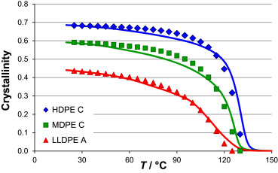
T (°C) | omega_cr_HDPE | ref
25 | 0.6872 | https://doi.org/10.1016/j.polymer.2015.01.012
35 | 0.6827
50 | 0.6781

