S4 Top 20 ICD-10 codes
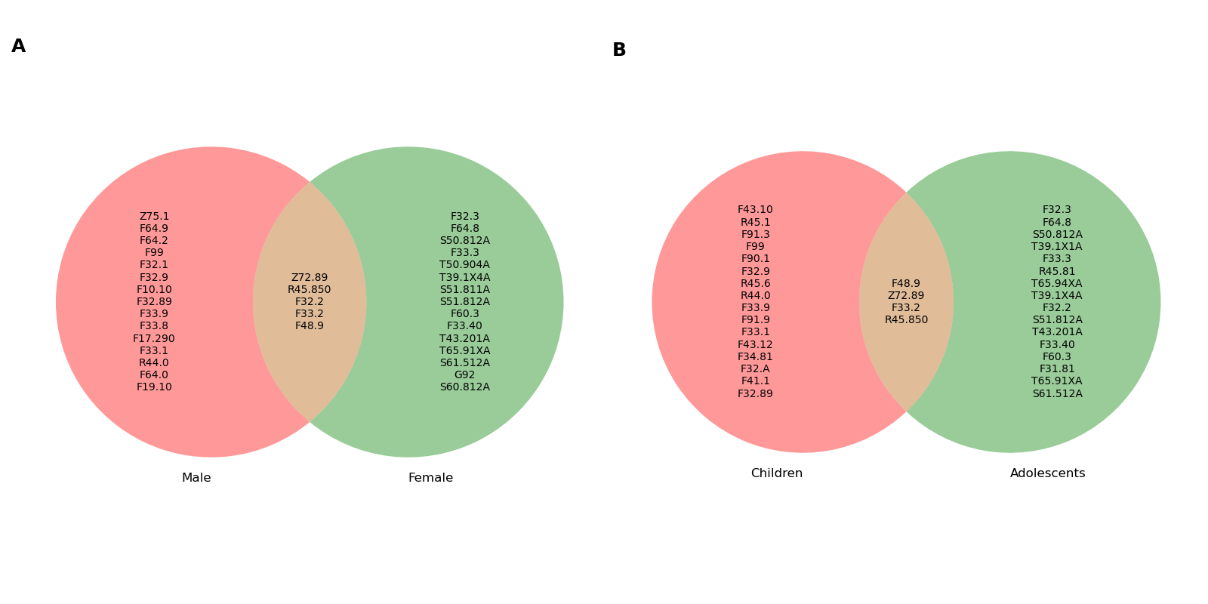
# | Code | Cond. Prob. | Description | p-value
 | All pediatric population
1 | T43.201A | 0.823529 | Poisoning by unspecified antidepressants, accidental (unintentional), initial encounter | 0.00000
2 | T39.1X4A | 0.725000 | Poisoning by 4-Aminophenol derivatives, undetermined, initial encounter | 0.00000
3 | F48.9 | 0.720978 | Nonpsychotic mental disorder, unspecified | 0.00000
4 | F33.2 | 0.686798 | Major depressive disorder, recurrent severe without psychotic features | 0.00000
5 | Z62.811 | 0.677419 | Personal history of psychological abuse in childhood | 0.00000
6 | F32.2 | 0.677215 | Major depressive disorder, single episode, severe without psychotic features | 0.00000
7 | F32.3 | 0.621053 | Major depressive disorder, single episode, severe with psychotic features | 0.00000
8 | F60.3 | 0.618182 | Borderline personality disorder | 0.00000
9 | F33.3 | 0.614679 | Major depressive disorder, recurrent, severe with psychotic symptoms | 0.00000
10 | S50.812A | 0.582734 | Abrasion of left forearm, initial encounter | 0.00000
11 | F31.81 | 0.560976 | Bipolar II disorder | 0.00000
12 | F33.40 | 0.550000 | Major depressive disorder, recurrent, in remission, unspecified | 0.00000
13 | R45.81 | 0.549296 | Low self-esteem | 0.00000
14 | S51.812A | 0.543353 | Laceration without foreign body of left forearm, initial encounter | 0.00000
15 | R45.84 | 0.540541 | Anhedonia | 0.00000
16 | F33.9 | 0.523617 | Major depressive disorder, recurrent, unspecified | 0.00000
17 | F33.1 | 0.514851 | Major depressive disorder, recurrent, moderate | 0.00000
18 | Z72.89 | 0.513097 | Other problems related to lifestyle | 0.00000
19 | F33.8 | 0.512605 | Other Recurrent Depressive Disorders | 0.00000
20 | F64.8 | 0.505376 | Other gender identity disorders | 0.00000 | Comparative analysis of ranked ICD-10 codes by gender and age group.
 | Males
1 | F33.2 | 0.630952 | Major depressive disorder, recurrent severe without psychotic features | 0.00000
2 | F48.9 | 0.622093 | Nonpsychotic mental disorder, unspecified | 0.00000
3 | F32.2 | 0.562500 | Major depressive disorder, single episode, severe without psychotic features | 0.00000
4 | F64.0 | 0.480000 | Transsexualism | 0.00000
5 | F64.9 | 0.444444 | Gender identity disorder, unspecified | 0.00000
6 | F33.1 | 0.416667 | Major depressive disorder, recurrent, moderate | 0.00000
7 | F32.1 | 0.402174 | Major depressive disorder, single episode, moderate | 0.00000
8 | F33.9 | 0.400922 | Major depressive disorder, recurrent, unspecified | 0.00000
9 | F33.8 | 0.397849 | Other recurrent depressive disorders | 0.00000
10 | F64.2 | 0.387500 | Gender identity disorder of childhood | 0.00000
11 | R45.850 | 0.363636 | Homicidal ideations | 0.00000
12 | Z75.1 | 0.361702 | Person awaiting admission to adequate facility elsewhere | 0.00000
13 | F32.89 | 0.329356 | Other specified depressive episodes | 0.00000
14 | F99 | 0.323671 | Mental disorder, not otherwise specified | 0.00000
15 | Z72.89 | 0.320513 | Other problems related to lifestyle | 0.00000
16 | F32.9 | 0.316269 | Major depressive disorder, single episode, unspecified | 0.00000
17 | F19.10 | 0.297297 | Other psychoactive substance abuse, uncomplicated | 0.00000
18 | R44.0 | 0.285714 | Auditory hallucinations | 0.00000
19 | F10.10 | 0.285714 | Alcohol abuse, uncomplicated | 0.00000
20 | F17.290 | 0.280000 | Nicotine dependence, other tobacco product, uncomplicated | 0.00000
 | Females
1 | T43.201A | 0.833333 | Poisoning by unspecified antidepressants, accidental (unintentional), initial encounter | 0.00000
2 | F48.9 | 0.774295 | Nonpsychotic mental disorder, unspecified | 0.00000
3 | T39.1X4A | 0.750000 | Poisoning by 4-Aminophenol derivatives, undetermined, initial encounter | 0.00000
4 | F32.2 | 0.719653 | Major depressive disorder, single episode, severe without psychotic features | 0.00000
5 | F32.3 | 0.719298 | Major depressive disorder, single episode, severe with psychotic features | 0.00000
6 | S50.812A | 0.718750 | Abrasion of left forearm, initial encounter | 0.00000
7 | F33.2 | 0.704044 | Major depressive disorder, recurrent severe without psychotic features | 0.00000
8 | S51.812A | 0.695652 | Laceration without foreign body of left forearm, initial encounter | 0.00000
9 | F33.3 | 0.685714 | Major depressive disorder, recurrent, severe with psychotic symptoms | 0.00000
10 | S61.512A | 0.684211 | Laceration without foreign body of left wrist, initial encounter | 0.00000
11 | F60.3 | 0.678161 | Borderline personality disorder | 0.00000
12 | R45.850 | 0.662921 | Homicidal ideations | 0.00000
13 | S51.811A | 0.661765 | Laceration without foreign body of right forearm, initial encounter | 0.00000
14 | F33.40 | 0.656250 | Major depressive disorder, recurrent, in remission, unspecified | 0.00000
15 | S60.812A | 0.645161 | Abrasion of left wrist, initial encounter | 0.00000
16 | G92 | 0.638298 | Toxic encephalopathy | 0.00000
17 | Z72.89 | 0.621687 | Other problems related to lifestyle | 0.00000
18 | T50.904A | 0.583333 | Poisoning by unspecified drugs, medicaments and biological substances, undetermined, initial encounter | 0.00000
19 | F64.8 | 0.578947 | Other gender identity disorders | 0.00000
20 | T65.91XA | 0.576271 | Toxic effect of unspecified substance, accidental (unintentional), initial encounter | 0.00000
 | Children
1 | F48.9 | 0.368421 | Nonpsychotic mental disorder, unspecified | 0.00000
2 | F33.2 | 0.338462 | Major depressive disorder, recurrent severe without psychotic features | 0.00000
3 | R45.850 | 0.275000 | Homicidal ideations | 0.00000
4 | F33.9 | 0.250000 | Major depressive disorder, recurrent, unspecified | 0.00000
5 | R44.0 | 0.221311 | Auditory hallucinations | 0.00000
6 | F33.1 | 0.217391 | Major depressive disorder, recurrent, moderate | 0.00000
7 | F34.81 | 0.216718 | Disruptive mood dysregulation disorder | 0.00000
8 | F32.9 | 0.216617 | Major depressive disorder, single episode, unspecified | 0.00000
9 | F99 | 0.199219 | Mental disorder, not otherwise specified | 0.00000
10 | Z72.89 | 0.172840 | Other problems related to lifestyle | 0.00000
11 | F32.89 | 0.161157 | Other specified depressive episodes | 0.00000
12 | F32.A | 0.152893 | Depressive episode | 0.00000
13 | R45.6 | 0.147860 | Violent behavior | 0.00000
14 | F43.12 | 0.138122 | Post-traumatic stress disorder, chronic | 0.00000
15 | F91.3 | 0.129412 | Oppositional defiant disorder | 0.00000
16 | F43.10 | 0.125413 | Post-traumatic stress disorder, unspecified | 0.00000
17 | R45.1 | 0.122888 | Restlessness and agitation | 0.00000
18 | F90.1 | 0.112948 | Attention-deficit hyperactivity disorder, predominantly hyperactive type | 0.00000
19 | F91.9 | 0.106215 | Conduct disorder, unspecified | 0.00000
20 | F41.1 | 0.098143 | Generalized anxiety disorder | 0.00000
 | Adolescents
1 | T43.201A | 0.851064 | Poisoning by unspecified antidepressants, accidental (unintentional), initial encounter | 0.00000
2 | T39.1X4A | 0.756757 | Poisoning by 4-Aminophenol derivatives, undetermined, initial encounter | 0.00000
3 | F48.9 | 0.733781 | Nonpsychotic mental disorder, unspecified | 0.00000
4 | T39.1X1A | 0.696970 | Poisoning by 4-Aminophenol derivatives, accidental (unintentional), initial encounter | 0.00000
5 | F33.2 | 0.696746 | Major depressive disorder, recurrent severe without psychotic features | 0.00000
6 | F32.2 | 0.692478 | Major depressive disorder, single episode, severe without psychotic features | 0.00000
7 | S50.812A | 0.666667 | Abrasion of left forearm, initial encounter | 0.00000
8 | F60.3 | 0.660000 | Borderline personality disorder | 0.00000
9 | F33.3 | 0.643564 | Major depressive disorder, recurrent, severe with psychotic symptoms | 0.00000
10 | F32.3 | 0.637363 | Major depressive disorder, single episode, severe with psychotic features | 0.00000
11 | F31.81 | 0.605263 | Bipolar II disorder | 0.00000
12 | S51.812A | 0.601399 | Laceration without foreign body of left forearm, initial encounter | 0.00000
13 | Z72.89 | 0.579143 | Other problems related to lifestyle | 0.00000
14 | T65.91XA | 0.577465 | Toxic effect of unspecified substance, accidental (unintentional), initial encounter | 0.00000
15 | R45.81 | 0.568966 | Low self-esteem | 0.00000
16 | F33.40 | 0.564103 | Major depressive disorder, recurrent, in remission, unspecified | 0.00000
17 | S61.512A | 0.553571 | Laceration without foreign body of left wrist, initial encounter | 0.00000
18 | R45.850 | 0.548387 | Homicidal ideations | 0.00000
19 | T65.94XA | 0.545455 | Toxic effect of unspecified substance, undetermined, initial encounter | 0.00000
20 | F64.8 | 0.541176 | Other gender identity disorders | 0.00000
 | Suicidal ideation
1 | T43.201A | 0.725490 | Poisoning by unspecified antidepressants, accidental (unintentional), initial encounter | 0.00000
2 | F48.9 | 0.698574 | Nonpsychotic mental disorder, unspecified | 0.00000
3 | F33.2 | 0.653090 | Major depressive disorder, recurrent severe without psychotic features | 0.00000
4 | T39.1X4A | 0.650000 | Poisoning by 4-Aminophenol derivatives, undetermined, initial encounter | 0.00000
5 | F32.2 | 0.637131 | Major depressive disorder, single episode, severe without psychotic features | 0.00000
6 | F33.3 | 0.587156 | Major depressive disorder, recurrent, severe with psychotic symptoms | 0.00000
7 | F32.3 | 0.578947 | Major depressive disorder, single episode, severe with psychotic features | 0.00000
8 | F60.3 | 0.563636 | Borderline personality disorder | 0.00000
9 | F31.81 | 0.512195 | Bipolar II disorder | 0.00000
10 | R45.81 | 0.492958 | Low self-esteem | 0.00000
11 | F33.9 | 0.484480 | Major depressive disorder, recurrent, unspecified | 0.00000
12 | F50.2 | 0.483871 | Bulimia nervosa | 0.00000
13 | S50.812A | 0.482014 | Abrasion of left forearm, initial encounter | 0.00000
14 | F33.1 | 0.479648 | Major depressive disorder, recurrent, moderate | 0.00000
15 | F33.8 | 0.470588 | Other recurrent depressive disorders | 0.00000
16 | R45.850 | 0.466667 | Homicidal ideations | 0.00000
17 | T39.1X1A | 0.446809 | Poisoning by 4-Aminophenol derivatives, accidental (unintentional), initial encounter | 0.00000
18 | S51.812A | 0.445087 | Laceration without foreign body of left forearm, initial encounter | 0.00000
19 | F64.8 | 0.440860 | Other gender identity disorders | 0.00000
20 | F64.9 | 0.429952 | Gender identity disorder, unspecified | 0.00000
 | Suicide attempt
1 | F33.2 | 0.110955 | Major depressive disorder, recurrent severe without psychotic features | 0.00000
2 | F32.2 | 0.097046 | Major depressive disorder, single episode, severe without psychotic features | 0.00000
3 | F33.8 | 0.093838 | Other recurrent depressive disorders | 0.00000
4 | Z72.89 | 0.073960 | Other problems related to lifestyle | 0.00000
5 | F33.9 | 0.055331 | Major depressive disorder, recurrent, unspecified | 0.00788
6 | F48.9 | 0.054990 | Nonpsychotic mental disorder, unspecified | 0.03765
7 | F33.1 | 0.049505 | Major depressive disorder, recurrent, moderate | 0.04308
8 | F43.12 | 0.044444 | Post-traumatic stress disorder, chronic | 0.37926
9 | F32.1 | 0.040663 | Major depressive disorder, single episode, moderate | 0.63346
10 | F32.89 | 0.038082 | Other specified depressive episodes | 0.79897
11 | F43.10 | 0.037261 | Post-traumatic stress disorder, unspecified | 0.96061
12 | F32.9 | 0.034548 | Major depressive disorder, single episode, unspecified | 0.50503
13 | F50.9 | 0.028708 | Eating disorder, unspecified | 0.26660
14 | I45.81 | 0.027027 | Long QT syndrome | 0.07440
15 | F41.1 | 0.027001 | Generalized anxiety disorder | 0.00438
16 | F99 | 0.026998 | Mental disorder, not otherwise specified | 0.14444
17 | F41.8 | 0.023522 | Other specified anxiety disorders | 0.00680
18 | F32.A | 0.021429 | Depressive episode | 0.01450
19 | R45.1 | 0.018909 | Restlessness and agitation | 0.00058
20 | Y92.009 | 0.018769 | Unspecified place in unspecified non-institutional (private) residence as the place of occurrence of the external cause | 0.00065
 | Self-harm
1 | T43.201A | 0.764706 | Poisoning by unspecified antidepressants, accidental (unintentional), initial encounter | 0.00000
2 | T39.1X4A | 0.687500 | Poisoning by 4-Aminophenol derivatives, undetermined, initial encounter | 0.00000
3 | S50.812A | 0.482014 | Abrasion of left forearm, initial encounter | 0.00000
4 | T65.94XA | 0.448980 | Toxic effect of unspecified substance, undetermined, initial encounter | 0.00000
5 | T39.1X1A | 0.446809 | Poisoning by 4-Aminophenol derivatives, accidental (unintentional), initial encounter | 0.00000
6 | S51.812A | 0.445087 | Laceration without foreign body of left forearm, initial encounter | 0.00000
7 | S61.512A | 0.424242 | Laceration without foreign body of left wrist, initial encounter | 0.00000
8 | F32.2 | 0.381857 | Major depressive disorder, single episode, severe without psychotic features | 0.00000
9 | F33.2 | 0.372191 | Major depressive disorder, recurrent severe without psychotic features | 0.00000
10 | T65.91XA | 0.370000 | Toxic effect of unspecified substance, accidental (unintentional), initial encounter | 0.00000
11 | Z72.89 | 0.362096 | Other problems related to lifestyle | 0.00000
12 | S71.111A | 0.354839 | Laceration without foreign body, right thigh, initial encounter | 0.00000
13 | F60.3 | 0.354545 | Borderline personality disorder | 0.00000
14 | G92 | 0.354167 | Toxic encephalopathy | 0.00000
15 | S51.811A | 0.343750 | Laceration without foreign body of right forearm, initial encounter | 0.00000
16 | F50.2 | 0.338710 | Bulimia nervosa | 0.00000
17 | T50.904A | 0.337349 | Poisoning by unspecified drugs, medicaments and biological substances, undetermined, initial encounter | 0.00000
18 | F33.8 | 0.324930 | Other recurrent depressive disorders | 0.00000
19 | Z75.1 | 0.312268 | Person awaiting admission to adequate facility elsewhere | 0.00000
20 | F32.3 | 0.305263 | Major depressive disorder, single episode, severe with psychotic features | 0.00000

S7 PSM effect size plot
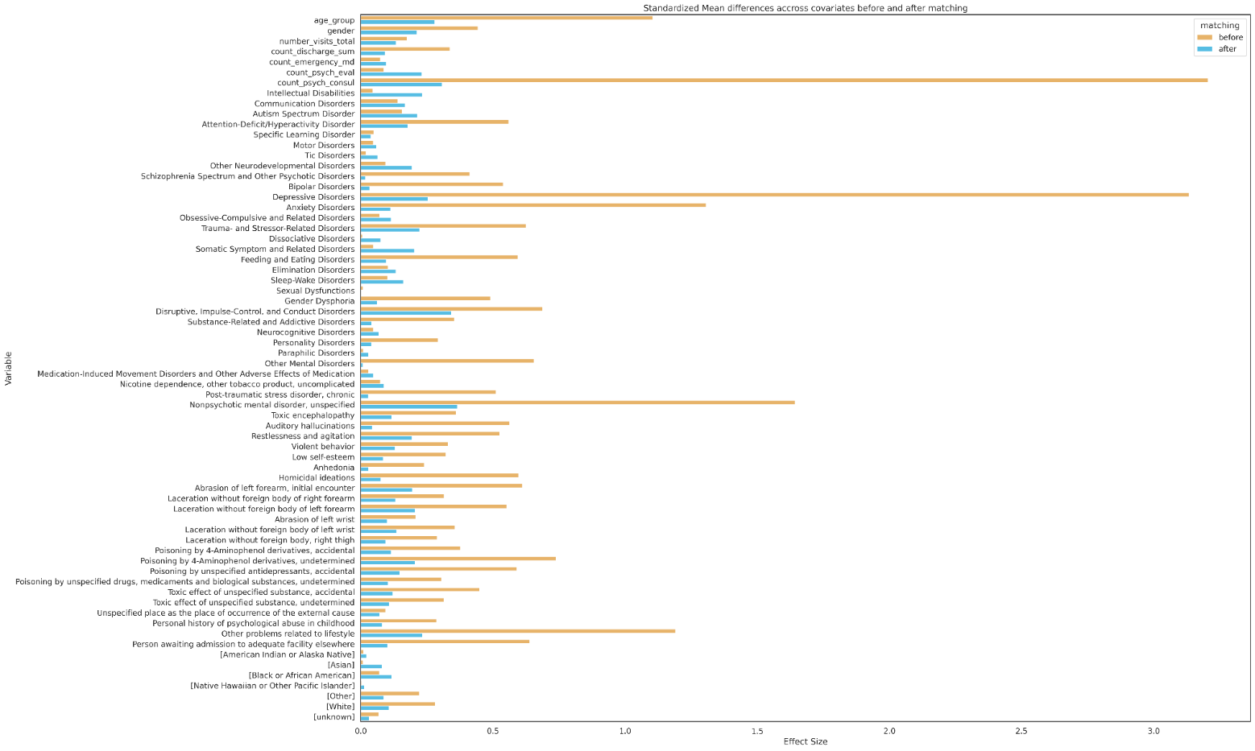

Effect size plot for each PSM feature.

