Sheet1
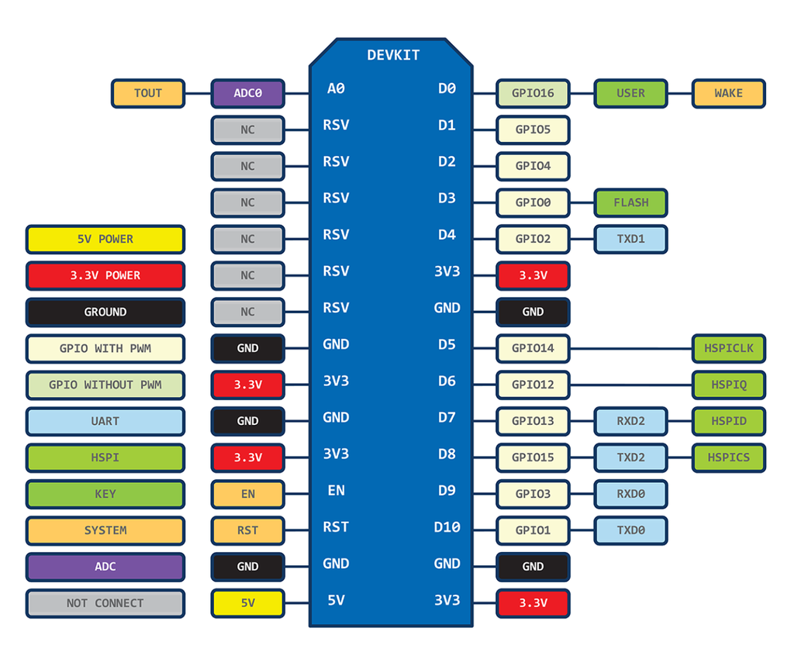
ESP-12E pinout
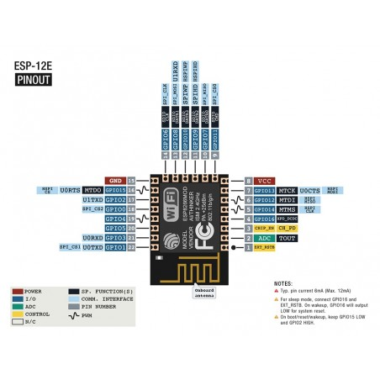
# | Pin Name | Function
1 | RST | Reset the module Function | RESERVED
2 | ADC | A/D Conversion result.Input voltage range 0-1v,scope:0-1024 | TEMP
3 | EN | Chip enable pin.Active high | RESERVED
4 | IO16 | GPIO16; can be used to wake up the chipset from deep sleep mode. | INPUT_USER
5 | IO14 | GPIO14; HSPI_CLK | BP
6 | IO12 | GPIO12; HSPI_MISO | AP
7 | IO13 | GPIO13; HSPI_MOSI; UART0_CTS | BM
8 | VCC | 3.3V power supply (VDD) | RESERVED
9 | CS0 | Chip selection | RESERVED
10 | MISO | Salve output Main input | RESERVED
11 | IO9 | GPIO9 | RESERVED
12 | IO10 | GBIO10 | RESERVED
13 | MOSI | Main output slave input | RESERVED
14 | SCLK | Clock | RESERVED
15 | GND | GND | RESERVED
16 | IO15 | GPIO15; MTDO; HSPICS; UART0_RTS | AM
17 | IO2 | GPIO2; UART1_TXD | LED
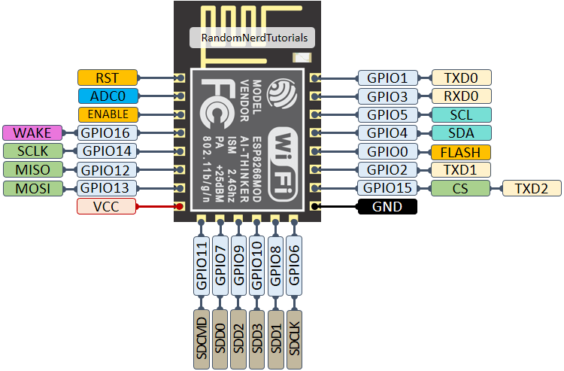
18 | IO0 | GPIO0, FLASH | INPUT_FLASH
19 | IO4 | GPIO4 | I2C_SDA
20 | IO5 | GPIO5 | i2C_SCL
21 | RXD | UART0_RXD; GPIO3 | CAN_TX
22 | TXD | UART0_TXD; GPIO1 | CAN_RX

 |  | https://www.electronicwings.com/nodemcu/nodemcu-i2c-with-arduino-ide

