Main
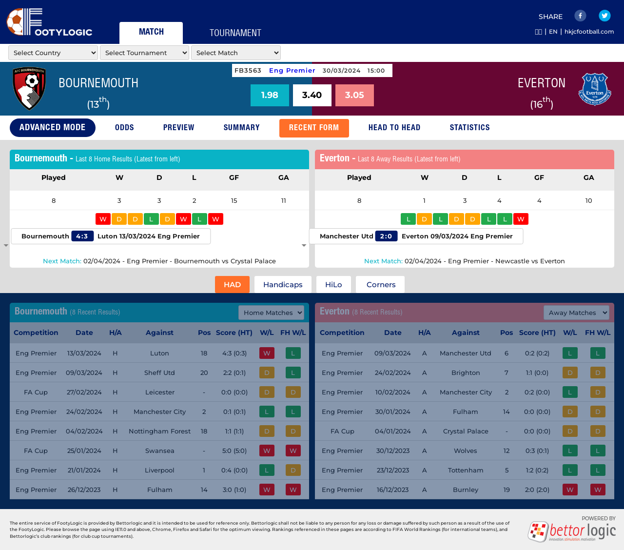
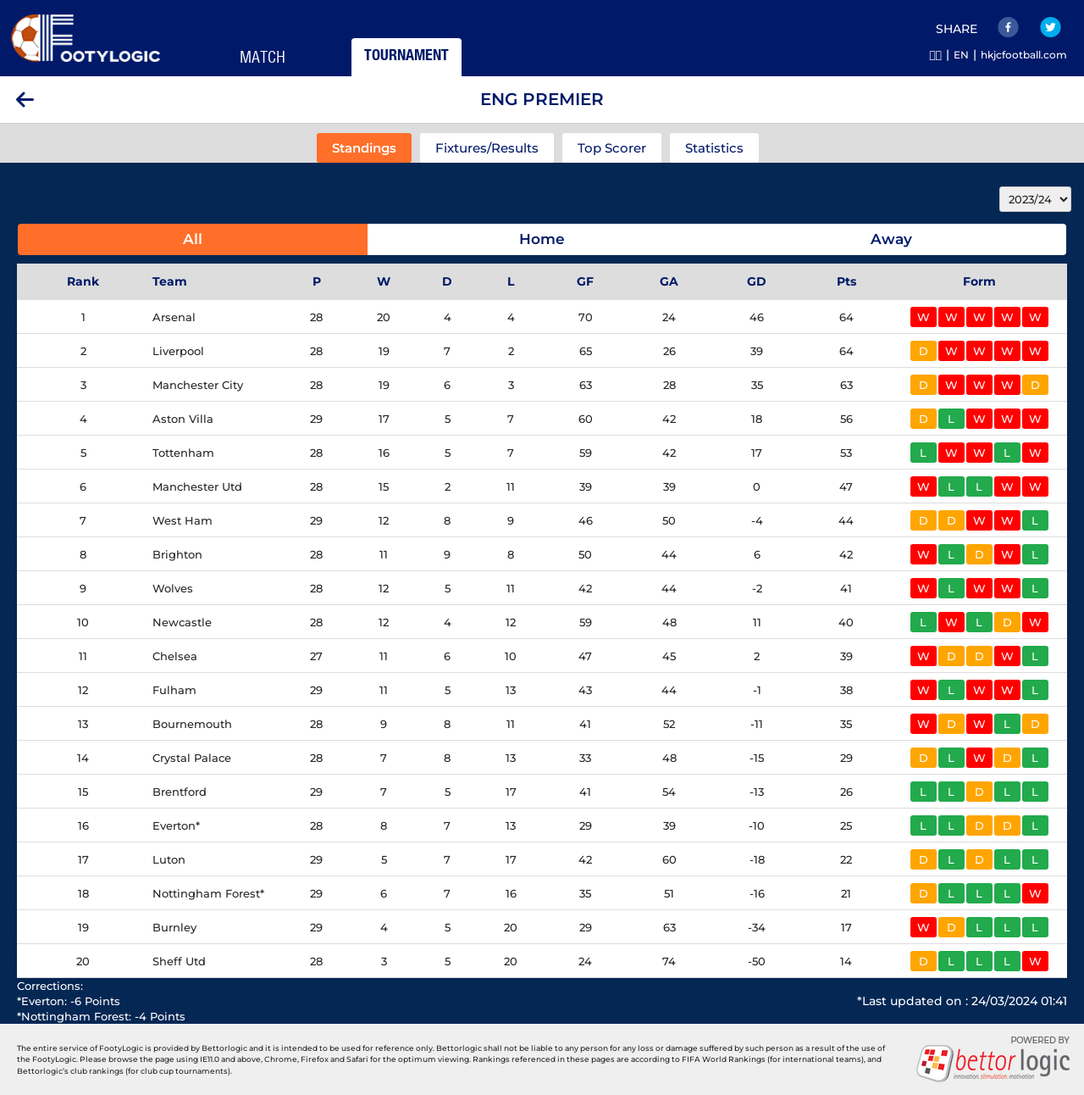
Note to AI: |  |  |  |  |  | RAW
Please generate a response using only the information provided in this prompt. Do not reference or use data from any previous prompts or interactions.
 |  |  |  |  |  |  | carousell/ych1990101/stub/extractfootylogic/markets-info.py
You are the top soccer team analysis professional. I need your help to predict the outcome of the match whether Home Team will win, or Away Team will win, or if the match will end in a draw.

Please analyze the match with the following weights:
1) Home/Away Advantage: High importance (25%) 2) League Position Ranking: High importance (25%) 3) Matches Played: Low importance (5%) 4) Win/Draw/Loss Record: Medium importance (15%) 5) Goals For/Against: Medium importance (10%) 6) Last 5 Matches Result Against Top Half Teams: Medium importance (5%) 7) Last 5 Matches Result Against Bottom Half Teams: Low importance (5%) 8) Average Last 5 Home/Away Goal Scored/Game: Medium importance (5%) 9) Average Last 5 Home/Away Goal Conceded/Game: Medium importance (5%)
Please state your reasoning step-by-step with the data to support your analysis views.

THIS SEASON DATA
HOME TEAM: | Bournemouth
LEAGUE POSITION: | 13
TOTAL PLAYED: | 28
TOTAL PLAYED - WIN: | 9
TOTAL PLAYED - DRAW: | 8
TOTAL PLAYED - LOSS | 11
TOTAL GOALS FOR: | 41
TOTAL GOALS AGAINST: | 52
TOTAL POINTS IN LEAGUE TABLE: | 35
OVERALL WIN CHANCE: |  |  |  |  |  | 32

HOME PLAYED: | 14
HOME WIN: | 4
HOME DRAW: | 5
HOME LOSS: | 5
HOME GOALS FOR: | 18
HOME GOALS AGAINST: | 23
HOME POINTS: | 17
HOME WIN CHANCE: |  |  |  |  |  | 29

LAST 5 HOME MATCH RESULTS |  | Either 12, 18, 20,24
 | 0
 | 0
 | 2 |  |  |  |  |  |  | https://footylogic.com/en/matchcenter/0/50016467/50024182/bmrecentforms
 | 1
 | 2 |  | Score | Conceded | POS |  |  | /workspace/comission-playlist/carousell/ych1990101/stub/extractfootylogic/recentfrom-information.py
 | 0 | M1 |  |  | 17 | 4:3
 |  | M2 |  |  | 20 | 2:2
AVERAGE LAST 5 HOME GOALS SCORED/GAME: |  | M3 |  |  | 3 | 0:1
AVERAGE LAST 5 HOME GOALS CONCEDED/GAME: |  | M4 |  |  | 18 | 1:1
 |  | M5 |  |  | 2 | 0:4
 |  | Total
AWAY TEAM: | Everton | xGoal
LEAGUE POSITION: | 16
TOTAL PLAYED: | 28
TOTAL PLAYED - WIN: | 8
TOTAL PLAYED - DRAW: | 7
TOTAL PLAYED - LOSS | 13
TOTAL GOALS FOR: | 29
TOTAL GOALS AGAINST: | 39
TOTAL POINTS IN LEAGUE TABLE: | 31
OVERALL WIN CHANCE: |  |  |  |  |  | 29

AWAY PLAYED: | 14
AWAY WIN: | 5
AWAY DRAW: | 3
AWAY LOSS: | 6
AWAY GOALS FOR: | 14
AWAY GOALS AGAINST: | 21
AWAY POINTS: | 18
AWAY WIN CHANCE: |  |  |  |  |  | 36

LAST 5 AWAY MATCH RESULTS
 | 0
 | 1
 | 3
 | 0
 | 1 |  | Score | Conceded | POS
 | 0 | M1 |  |  | 6 | 0:2
 |  | M2 |  |  | 8 | 1:1
AVERAGE LAST 5 AWAY GOALS SCORED/GAME: |  | M3 |  |  | 3 | 0:2
AVERAGE LAST 5 AWAY GOALS CONCEDED/GAME: |  | M4 |  |  | 12 | 0:0
 |  | M5 |  |  | 9 | 0:3
 |  | Total
 |  | xGoal

 |  |  |  |  | total team | 20

 |  |  |  |  |  |  |  | /workspace/comission-playlist/carousell/ych1990101/stub/extractfootylogic/list_tournament.py
 |  |  |  |  |  |  |  | /workspace/comission-playlist/carousell/ych1990101/stub/extractfootylogic/fetch_standing.py

