Main
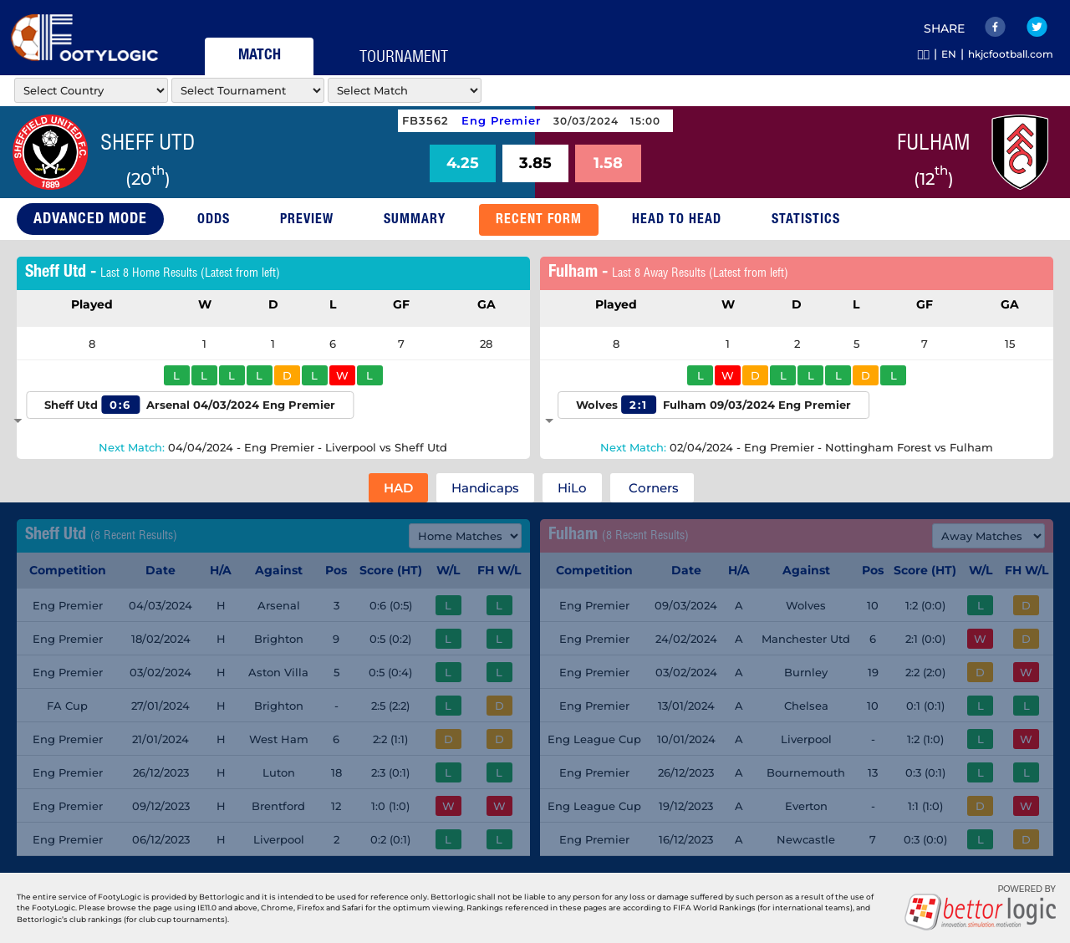
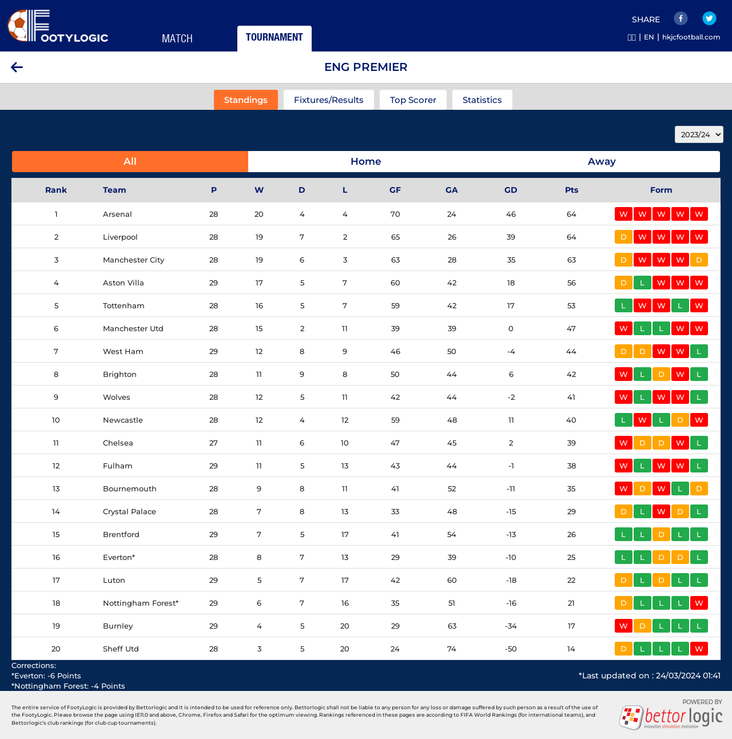
Note to AI: |  |  |  |  |  | RAW
Please generate a response using only the information provided in this prompt. Do not reference or use data from any previous prompts or interactions.
 |  |  |  |  |  |  | carousell/ych1990101/stub/extractfootylogic/markets-info.py
You are the top soccer team analysis professional. I need your help to predict the outcome of the match whether Home Team will win, or Away Team will win, or if the match will end in a draw.

Please analyze the match with the following weights:
1) Home/Away Advantage: High importance (25%) 2) League Position Ranking: High importance (25%) 3) Matches Played: Low importance (5%) 4) Win/Draw/Loss Record: Medium importance (15%) 5) Goals For/Against: Medium importance (10%) 6) Last 5 Matches Result Against Top Half Teams: Medium importance (5%) 7) Last 5 Matches Result Against Bottom Half Teams: Low importance (5%) 8) Average Last 5 Home/Away Goal Scored/Game: Medium importance (5%) 9) Average Last 5 Home/Away Goal Conceded/Game: Medium importance (5%)
Please state your reasoning step-by-step with the data to support your analysis views.

THIS SEASON DATA
HOME TEAM: | Sheff Utd
LEAGUE POSITION: | 20
TOTAL PLAYED: | 28
TOTAL PLAYED - WIN: | 3
TOTAL PLAYED - DRAW: | 5
TOTAL PLAYED - LOSS | 20
TOTAL GOALS FOR: | 24
TOTAL GOALS AGAINST: | 74
TOTAL POINTS IN LEAGUE TABLE: | 14
OVERALL WIN CHANCE: |  |  |  |  |  | 11

HOME PLAYED: | 14
HOME WIN: | 2
HOME DRAW: | 2
HOME LOSS: | 10
HOME GOALS FOR: | 12
HOME GOALS AGAINST: | 42
HOME POINTS: | 8
HOME WIN CHANCE: |  |  |  |  |  | 14

LAST 5 HOME MATCH RESULTS |  | Either 12, 18, 20,24
 | 0
 | 1
 | 3 |  |  |  |  |  |  | https://footylogic.com/en/matchcenter/0/50016467/50024182/bmrecentforms
 | 0
 | 0 |  | Score | Conceded | POS |  |  | /workspace/comission-playlist/carousell/ych1990101/stub/extractfootylogic/recentfrom-information.py
 | 1 | M1 |  |  | 1 | 0:6
 |  | M2 |  |  | 8 | 0:5
AVERAGE LAST 5 HOME GOALS SCORED/GAME: |  | M3 |  |  | 4 | 0:5
AVERAGE LAST 5 HOME GOALS CONCEDED/GAME: |  | M4 |  |  | 7 | 2:2
 |  | M5 |  |  | 17 | 2:3
 |  | Total
AWAY TEAM: | Fulham | xGoal
LEAGUE POSITION: | 12
TOTAL PLAYED: | 29
TOTAL PLAYED - WIN: | 11
TOTAL PLAYED - DRAW: | 5
TOTAL PLAYED - LOSS | 13
TOTAL GOALS FOR: | 43
TOTAL GOALS AGAINST: | 44
TOTAL POINTS IN LEAGUE TABLE: | 38
OVERALL WIN CHANCE: |  |  |  |  |  | 38

AWAY PLAYED: | 14
AWAY WIN: | 2
AWAY DRAW: | 4
AWAY LOSS: | 8
AWAY GOALS FOR: | 14
AWAY GOALS AGAINST: | 29
AWAY POINTS: | 10
AWAY WIN CHANCE: |  |  |  |  |  | 14

LAST 5 AWAY MATCH RESULTS
 | 1
 | 0
 | 1
 | 0
 | 1 |  | Score | Conceded | POS
 | 2 | M1 |  |  | 9 | 1:2
 |  | M2 |  |  | 6 | 2:1
AVERAGE LAST 5 AWAY GOALS SCORED/GAME: |  | M3 |  |  | 19 | 2:2
AVERAGE LAST 5 AWAY GOALS CONCEDED/GAME: |  | M4 |  |  | 11 | 0:1
 |  | M5 |  |  | 13 | 0:3
 |  | Total
 |  | xGoal

 |  |  |  |  | total team | 20

 |  |  |  |  |  |  |  | /workspace/comission-playlist/carousell/ych1990101/stub/extractfootylogic/list_tournament.py
 |  |  |  |  |  |  |  | /workspace/comission-playlist/carousell/ych1990101/stub/extractfootylogic/fetch_standing.py

