Main
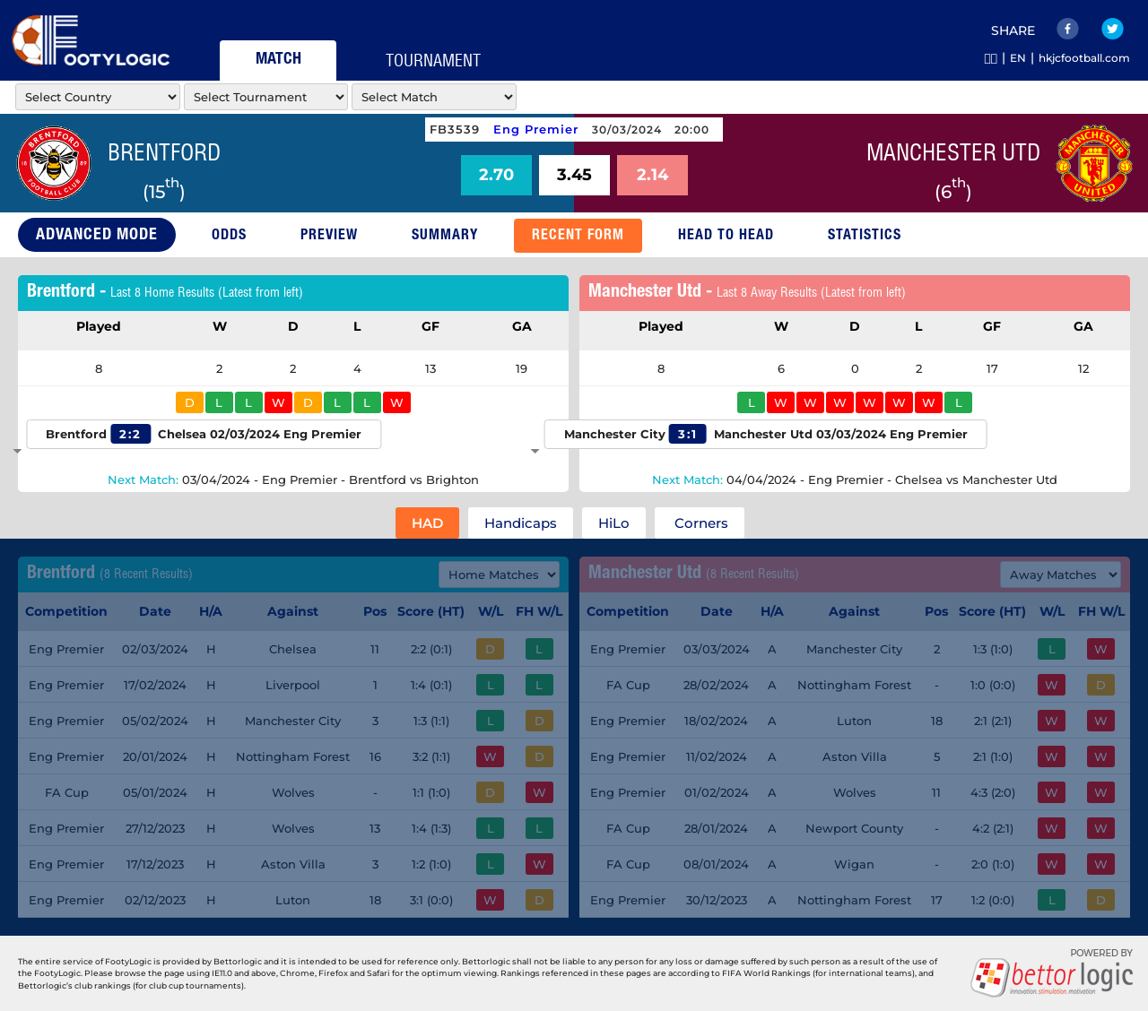
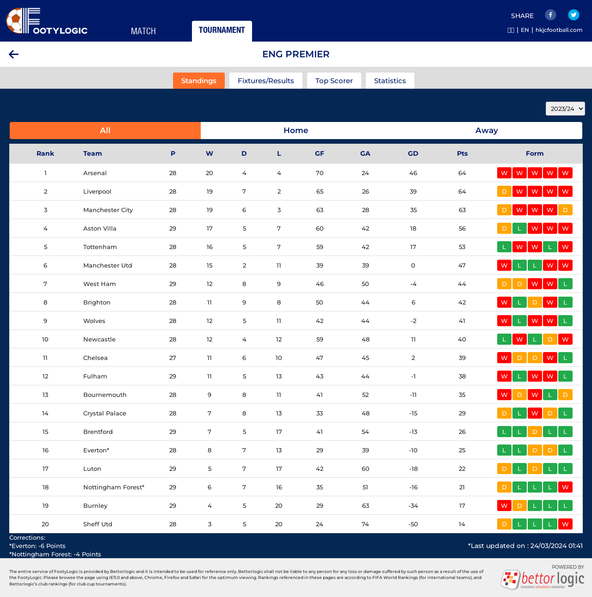
Note to AI: |  |  |  |  |  | RAW
Please generate a response using only the information provided in this prompt. Do not reference or use data from any previous prompts or interactions.
 |  |  |  |  |  |  | carousell/ych1990101/stub/extractfootylogic/markets-info.py
You are the top soccer team analysis professional. I need your help to predict the outcome of the match whether Home Team will win, or Away Team will win, or if the match will end in a draw.

Please analyze the match with the following weights:
1) Home/Away Advantage: High importance (25%) 2) League Position Ranking: High importance (25%) 3) Matches Played: Low importance (5%) 4) Win/Draw/Loss Record: Medium importance (15%) 5) Goals For/Against: Medium importance (10%) 6) Last 5 Matches Result Against Top Half Teams: Medium importance (5%) 7) Last 5 Matches Result Against Bottom Half Teams: Low importance (5%) 8) Average Last 5 Home/Away Goal Scored/Game: Medium importance (5%) 9) Average Last 5 Home/Away Goal Conceded/Game: Medium importance (5%)
Please state your reasoning step-by-step with the data to support your analysis views.

THIS SEASON DATA
HOME TEAM: | Brentford
LEAGUE POSITION: | 15
TOTAL PLAYED: | 29
TOTAL PLAYED - WIN: | 7
TOTAL PLAYED - DRAW: | 5
TOTAL PLAYED - LOSS | 17
TOTAL GOALS FOR: | 41
TOTAL GOALS AGAINST: | 54
TOTAL POINTS IN LEAGUE TABLE: | 26
OVERALL WIN CHANCE: |  |  |  |  |  | 24

HOME PLAYED: | 14
HOME WIN: | 4
HOME DRAW: | 4
HOME LOSS: | 6
HOME GOALS FOR: | 24
HOME GOALS AGAINST: | 29
HOME POINTS: | 16
HOME WIN CHANCE: |  |  |  |  |  | 29

LAST 5 HOME MATCH RESULTS |  | Either 12, 18, 20,24
 | 0
 | 0
 | 3 |  |  |  |  |  |  | https://footylogic.com/en/matchcenter/0/50016467/50024182/bmrecentforms
 | 1
 | 1 |  | Score | Conceded | POS |  |  | /workspace/comission-playlist/carousell/ych1990101/stub/extractfootylogic/recentfrom-information.py
 | 0 | M1 |  |  | 11 | 2:2
 |  | M2 |  |  | 2 | 1:4
AVERAGE LAST 5 HOME GOALS SCORED/GAME: |  | M3 |  |  | 3 | 1:3
AVERAGE LAST 5 HOME GOALS CONCEDED/GAME: |  | M4 |  |  | 18 | 3:2
 |  | M5 |  |  | 9 | 1:4
 |  | Total
AWAY TEAM: | Manchester Utd | xGoal
LEAGUE POSITION: | 6
TOTAL PLAYED: | 28
TOTAL PLAYED - WIN: | 15
TOTAL PLAYED - DRAW: | 2
TOTAL PLAYED - LOSS | 11
TOTAL GOALS FOR: | 39
TOTAL GOALS AGAINST: | 39
TOTAL POINTS IN LEAGUE TABLE: | 47
OVERALL WIN CHANCE: |  |  |  |  |  | 54

AWAY PLAYED: | 14
AWAY WIN: | 7
AWAY DRAW: | 1
AWAY LOSS: | 6
AWAY GOALS FOR: | 18
AWAY GOALS AGAINST: | 19
AWAY POINTS: | 22
AWAY WIN CHANCE: |  |  |  |  |  | 50

LAST 5 AWAY MATCH RESULTS
 | 2
 | 0
 | 1
 | 1
 | 0 |  | Score | Conceded | POS
 | 1 | M1 |  |  | 3 | 1:3
 |  | M2 |  |  | 17 | 2:1
AVERAGE LAST 5 AWAY GOALS SCORED/GAME: |  | M3 |  |  | 4 | 2:1
AVERAGE LAST 5 AWAY GOALS CONCEDED/GAME: |  | M4 |  |  | 9 | 4:3
 |  | M5 |  |  | 18 | 1:2
 |  | Total
 |  | xGoal

 |  |  |  |  | total team | 20

 |  |  |  |  |  |  |  | /workspace/comission-playlist/carousell/ych1990101/stub/extractfootylogic/list_tournament.py
 |  |  |  |  |  |  |  | /workspace/comission-playlist/carousell/ych1990101/stub/extractfootylogic/fetch_standing.py

