Transient
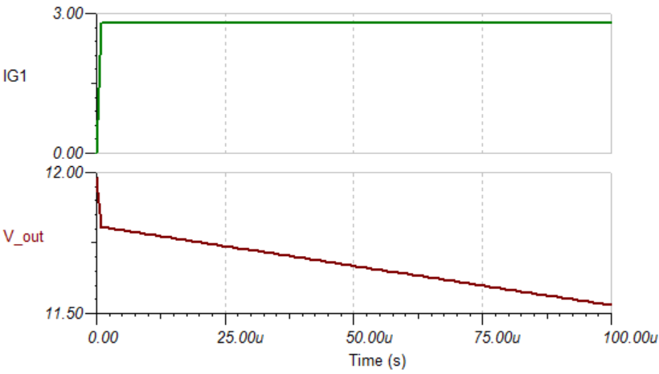
Estimation of the Output Transient
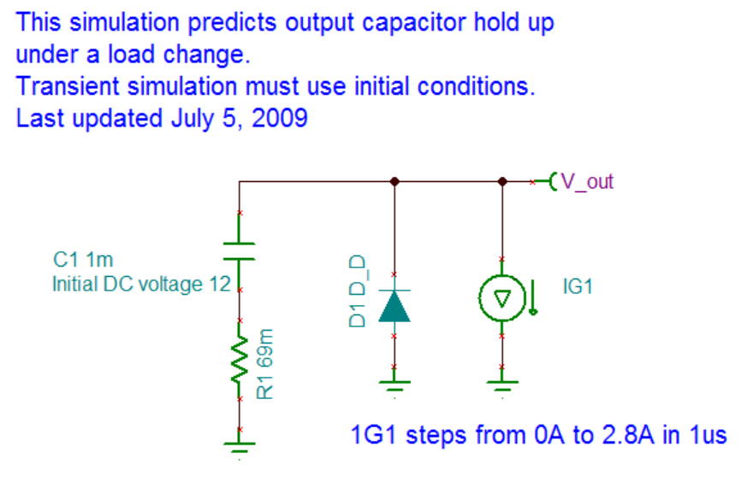
Spec:
V_out drop = | 0.250 | (V) maximum from I_out = 200mA to 3A in 1 us

Simulation File: | C_output.TSC

Cycle # | t (us) | Output voltage (V)
0 | 0 | 12
1 | 10 | 11.78
2 | 20 | 11.75
3 | 30 | 11.72
4 | 40 | 11.7
6 | 60 | 11.64
8 | 80 | 11.58

Ripple
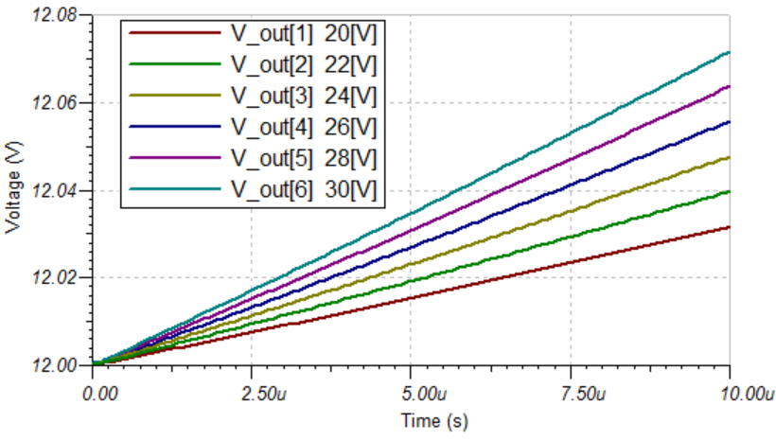
Estimation of the Output Ripple

Spec: | V_ripple = | 0.125 | (V)

Simulation File: | LC_output.TSC
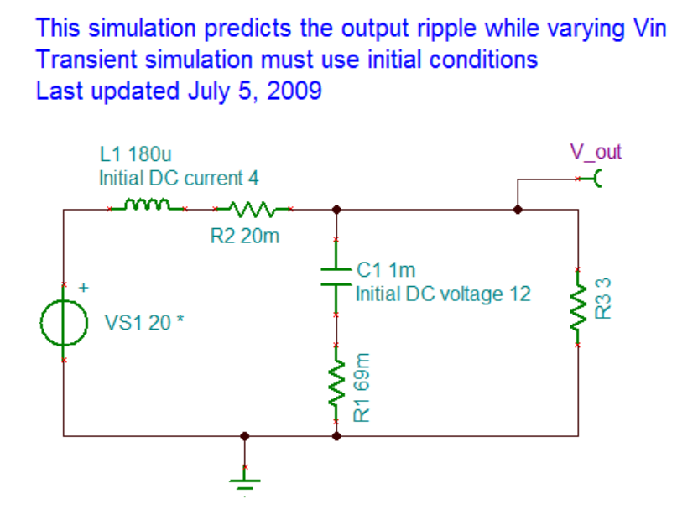
Vin | Duty Cycle | On Time (us) | Ripple (mV)
20 | 0.600 | 6.00 | 18
22 | 0.545 | 5.45 | 21
24 | 0.500 | 5.00 | 23
26 | 0.462 | 4.62 | 25
28 | 0.429 | 4.29 | 26
30 | 0.400 | 4.00 | 28

AC
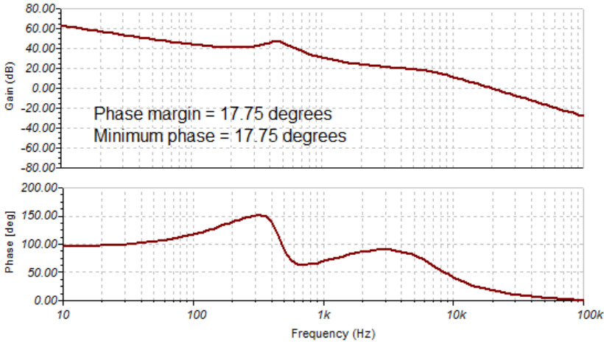
AC - Control Loop Design

Simulation Files: | buck_no_comp.TSC
 | buck_comp.TSC

Non-Compensated Simulation Trend Observations
Variation |  | Effect on |V_out/d| | Effect on phase margin(V_out/d)
Vin increase from 20V to 30V |  | Increases | Same
Output capacitor increase from 800uF to 1200uF |  | Decrease | Same
Output capacitor ESR increase from 23mOhm to 69mOhm |  | Increases | Increase
Load change from 3 ohm to 12 ohm |  | Same | Same
Inductor change from 144uH to 216uH |  | Decrease | Decrease

Compensated Simulation Loop Gain
Case 1 (low loop gain): Vin = 20V, Cout = 1200uF, Cout_ESR = 23mOhm, L_out = 216 uH
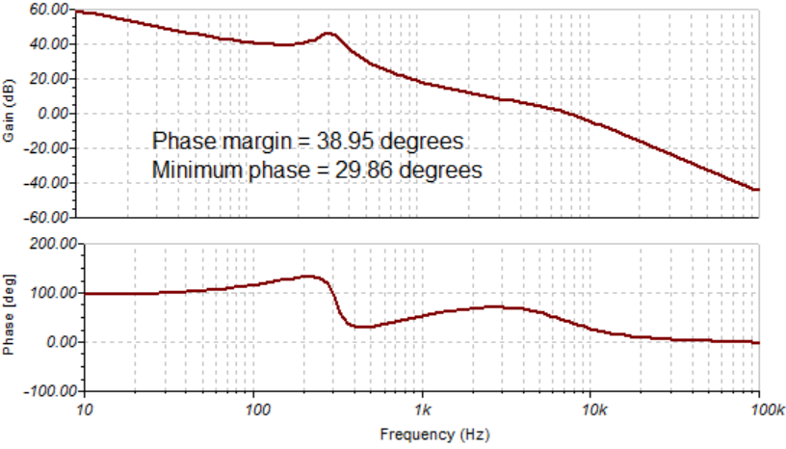

Case 2 (high loop gain): Vin = 30V, Cout = 800uF, Cout_ESR = 69mOhm, L_out = 144 uH

Transient2
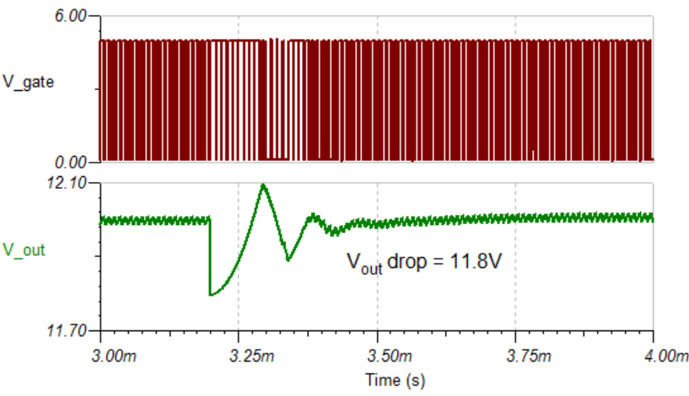
Transient Mode Simulation

Spec:
V_out drop = | 0.250 | (V) maximum from I_out = 200mA to 3A in 1 us

Simulation File: | buck_tran_avg.TSC |  | (Averaged model)
 | buck_tran.TSC |  | (Cycle by cycle model)

Transient Simulation using Averaged Model
Case 1 (low loop gain / good case): Vin = 20V, Cout = 1200uF, Cout_ESR = 23mOhm, L_out = 216 uH
Case 2 (high loop gain / high output case): Vin = 30V, Cout = 800uF, Cout_ESR = 69mOhm, L_out = 144 uH
Case 3 (low input and low output LC): Vin = 20V, Cout = 800uF, Cout_ESR = 69mOhm, L_out = 144 uH
Transient test: starting load is 60 ohm (0.2A). A 4.286 ohm is added at t = 300us.

Case 1 Transient Response |  |  |  | Case 2 Transient Response
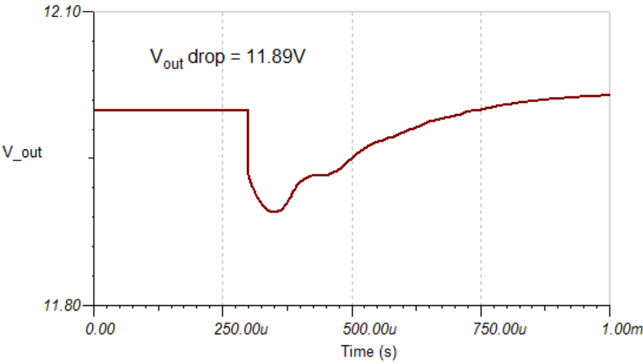
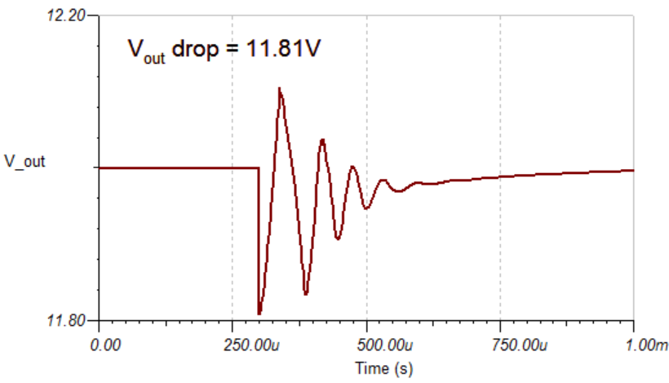

Case 3 Transient Response
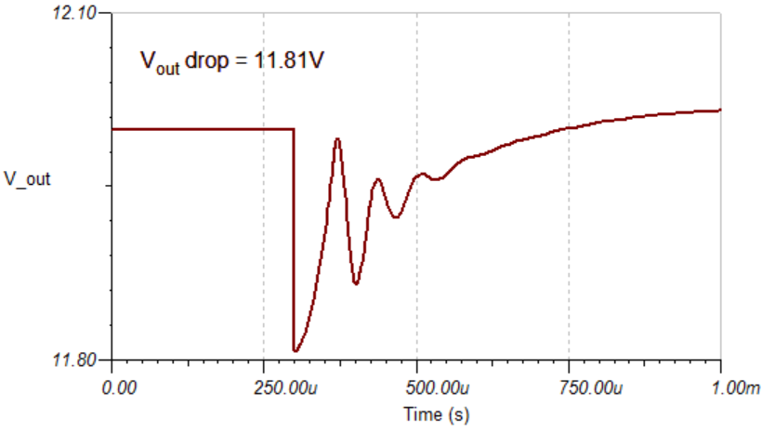

Transient Simulation using Cycle by Cycle Model
Case 3 (low input and low output LC): Vin = 20V, Cout = 800uF, Cout_ESR = 69mOhm, L_out = 144 uH
Ripple:
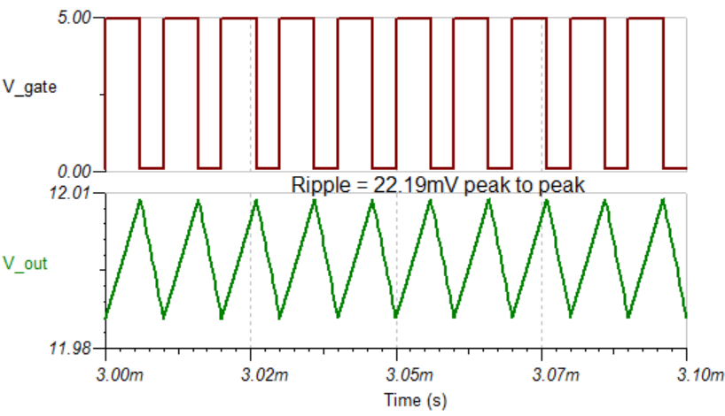

Transient test: starting load is 60 ohm (0.2A). A 4.286 ohm is added at t = 3.3ms

