A320 Basic Inputs
Input Parameters for Performance Calculations
 | Input parameters | Values | Unit | Remarks
Aircraft Specific Parameters | Fuel Density | 0.785 | kg/l | Density of Jet-A fuel, taken from POH for A320
 | Fuel Burn Rate | 1.872132936 | L/NM | Amount of fuel burn per NM travelled, taken from POH for A320
 | Specific Fuel Consumption | 42.2 | Kg/KNhr | Generic value for PW 6000 engine
 | Aspect Ratio (AR) | 10.3 |  | Based on aircraft's structural geometry
 | Wing Planform Area (S) | 122.6 | m^2 | Based on aircraft's structural geometry
Take-off Phase | Take-off Runway Altitude | 0 | ft | Can be Changed Arbitarily
 | Take off Weight | 73900 | kg | Maximum Takeoff Weight, Set Arbitarily
 | Take-off Decision Speed | 115 | Knots | Vr - Rotate Speed = 115 Knots, taken from POH for A320
 | Take-off Distance at the altitude and weight | 5900 | ft | Taken from the takeoff chart based on the take off weight included below
Climb Phase | Vertical speed | 1800 | ft/min | Set to 1,800 ft./min , taken from POH for A320
 | Climb Mach Number | 0.72 | M or Mach Number | In the range of 0.72 to 0.82
 | Climb Angle | 12 | degrees | Set Arbitrarily
Cruise Phase | Cruise Altitude | 20000 | ft | Set Arbitrarily, (for A320 is around 10000-20000 ft)
 | Cruise Distance | 300 | NM | Set Arbitrarily
 | Cruise Mach Number | 0.62 | M | For A320 is around Mach .62 to .70, taken from the POHfor A320
Descent Phase | Vertical speed | 1800 | ft/min | Set to 1,800 ft./min , taken from POH for A320
 | Climb Angle | 12 | degrees | Set Arbitrarily
Landing Phase | Runway Altitude | 0 | ft | Set Arbitrarily
 | Landing Distance at the altitude and weight | 5100 | ft | Taken from the takeoff chart based on the take off weight included below

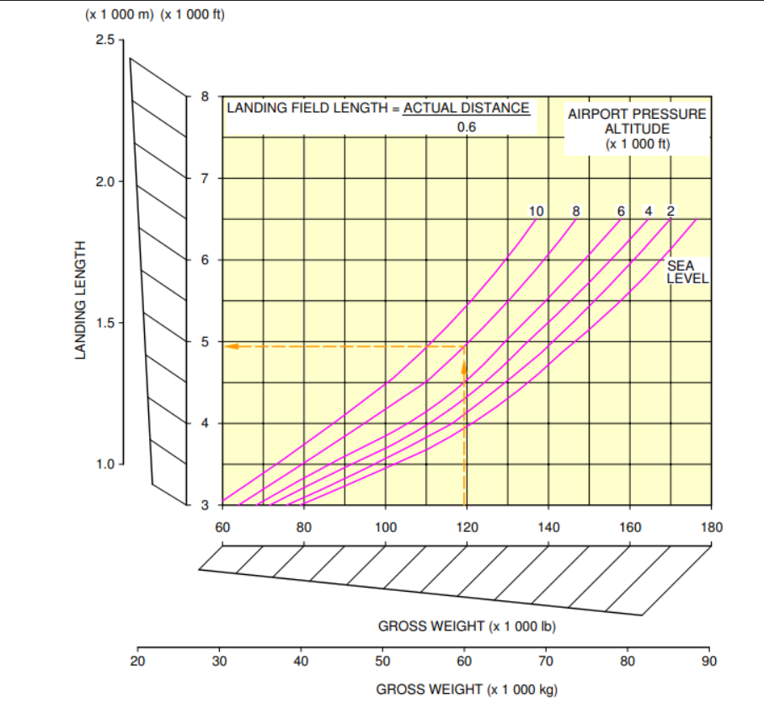
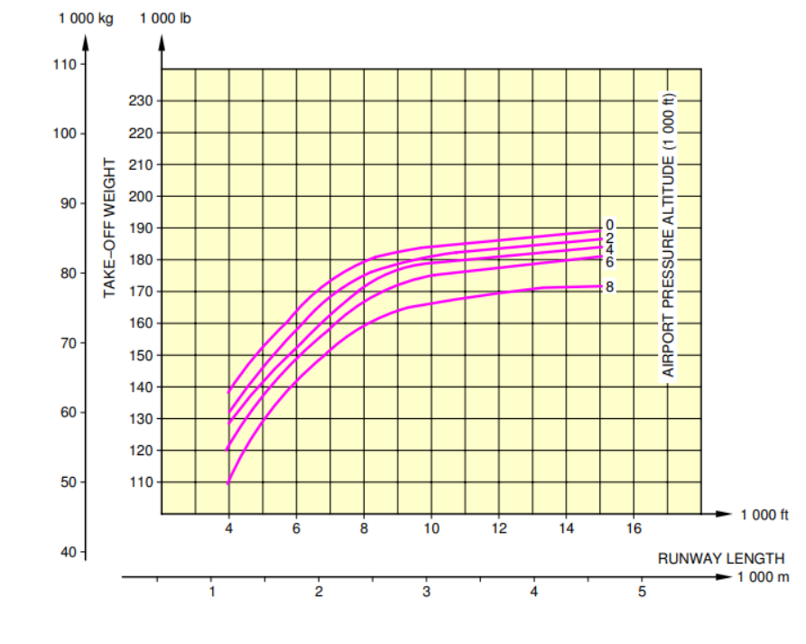

5100 ft

Results
Power Profile
Power Profile (no mass change)
Considering Mass Variation | Time(mins) | Power(MW) |  | No mass change | Time (mins) | Time (s) | Power (MW) | Power (W)
 | 0 | 0 |  |  | 0 | 0 | 0 | 0
 | 1.6718348707 | 44.693976312 |  |  | 1.6718348707 | 101 | 44.693976312 | 44693976.3
 | 12.782945982 | 21.868037123 |  |  | 12.782945982 | 767 | 21.876560944 | 21876560.9
 | 12.782945982 | 13.543579114 |  |  | 13 | 780 | 13.546016729 | 13546016.7
 | 44.818412465 | 13.543579114 |  |  | 44.818412465 | 2690 | 13.546016729 | 13546016.7
 | 300 NM | 600 NM | 900 NM
0 | 0.0
101 | 44693976.3
767 | 21876560.9
780 | 13546016.7
2690 | 13546016.7
3356 | 13546016.7
3360 | 0.0
3427 | 0.0
4327 | 0.0
 | 55.929523576 | 13.543579114 |  |  | 55.929523576 | 3356 | 13.546016729 | 13546016.7
 | 55.929523576 | 0 |  |  | 56 | 3360 | 0 | 0
 | 57.104438533 | 0 |  |  | 57.104438533 | 3427 | 0 | 0
 | 72.104438533 | 0 |  |  | 72.104438533 | 4327 | 0 | 0

Fuel Consumption

Time | Fuel (l) | Fuel (Kg) | Mass reduction (kg) |  |  |  |  |  | Without Mass Change
0 | 23858.598726 | 18729 | 0
1.6718348707 | 22726.986494 | 17840.684398 | 888.31560221
12.782945982 | 17775.065194 | 13953.426177 | 4775.5738231 |  |  |  |  |  | Range - 300 NM
44.818412465 | 16430.208184 | 12897.713425 | 5831.2865753 |  |  |  |  |  | Time (s) | Power (W)
55.929523576 | 13363.323968 | 10490.209315 | 8238.7906853 |  |  |  |  |  | 0 | 0.0
57.104438533 | 13361.752589 | 10488.975782 | 8240.0242175 |  |  |  |  |  | 101 | 44693976.3
 |  |  |  |  |  |  |  |  | 767 | 21876560.9
 |  |  |  |  |  |  |  |  | 780 | 13546016.7
 |  |  |  |  |  |  |  |  | 2690 | 13546016.7
 |  |  |  |  |  |  |  |  | 3356 | 13546016.7
 | 900 NM
 |  |  |  |  |  |  |  |  | 3360 | 0.0
 |  |  |  |  |  |  |  |  | 3427 | 0.0
 |  |  |  |  |  |  |  |  | 4327 | 0.0

Altitude variation for the mission profile
 |  |  |  |  |  |  |  |  | Range - 600 NM
 |  |  |  |  |  |  |  |  | Time (s) | Power (W)

Altitude Variation

Time(mins) | Alt
0 | 0
1.6718348707 | 15.24
12.782945982 | 6096
44.818412465 | 6096
55.929523576 | 15.24
57.104438533 | 0 |  |  |  |  |  |  |  | Range - 900 NM
72.104438533 | 0 |  |  |  |  |  |  |  | Time (s) | Power (W)

