A380 Basic Inputs
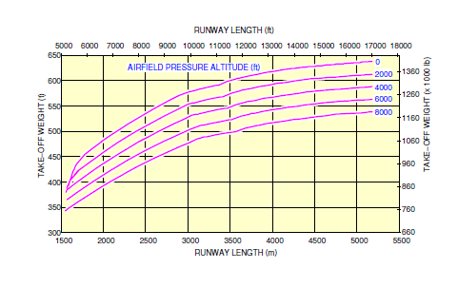
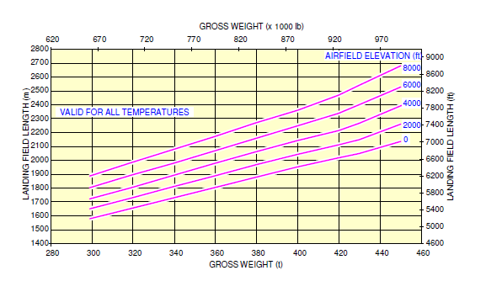
Input Parameters for Performance Calculations
 | Input parameters | Values | Unit | Remarks
Aircraft Specific Parameters | Fuel Density | 0.785 | kg/l | Density of Jet-A fuel, taken from maintenance book for A380
 | Fuel Burn Rate | 1.872 | L/NM | Amount of fuel burn per NM travelled | 2 different engines GP7200 and Trent900. GP has better range at the same payload
 | Specific Fuel Consumption | 57.6 | Kg/KNhr | trent database
 | Aspect Ratio (AR) | 7.8 |  | Based on aircraft's structural geometry
 | Wing Planform Area (S) | 845 | m^2 | Based on aircraft's structural geometry | wing length 26.3m
Take-off Phase | Take-off Runway Altitude | 0 | ft | Can be Changed Arbitarily
 | Take off Weight | 560000 | kg | Maximum Takeoff Weight, Set Arbitarily
 | Take-off Decision Speed | 137.5 | Knots | V2=150 , Vstall = V2/1.2, Vr = 1.1 *Vstall
 | Take-off Distance at the altitude and weight | 9200 | ft | Taken from the takeoff chart based on the take off weight included below
Climb Phase1 | Climb Start Altitude | 50 | ft | https://contentzone.eurocontrol.int/aircraftperformance/details.aspx?ICAO=A388&NameFilter=airbus
 | Vertical speed | 1600 | ft/min | Taken as the weighted average of the multiple phases which gives a relative measure with a close approximation
 | Climb speed | 320 | Kts | (convert with altitude density reference)
 | Climb Angle | 10 | degrees | Set Arbitrarily
Climb Phase2 | Climb Start Altitude | 15000 | ft | https://contentzone.eurocontrol.int/aircraftperformance/details.aspx?ICAO=A388&NameFilter=airbus
 | Vertical speed | 1000 | ft/min
 | Climb speed | 320 | Kts | (convert with altitude density reference)
 | Climb Angle | 5 | degrees | Set Arbitrarily
Cruise Phase | Cruise Altitude | 43000 | ft | obtained from the websit
 | Cruise Distance | 3000 | NM | From graph/ 8000 NM Is the max range
 | Cruise Mach Number | 0.85 | M | taken from the emirates website
Descent Phase | Vertical speed | 1500 | ft/min | https://contentzone.eurocontrol.int/aircraftperformance/details.aspx?ICAO=A388&NameFilter=airbus
 | Climb Angle | 10 | degrees | Set Arbitrarily
Landing Phase | Runway Altitude | 0 | ft | Set Arbitrarily
 | Landing Distance at the altitude and weight | 7000 | ft | Taken from the takeoff chart based on the take off weight included below

Results
Power Profile
 | Time(mins) Power(MW)
0 | 0
2.3061294566 | 108.40574301
11.649879457 | 103.11627223
39.649879457 | 86.593179026
39.649879457 | 66.29825137
343.63866437 | 66.29825137
372.30533104 | 66.29825137
372.30533104 | 0
373.73188691 | 0
388.73188691 | 0
Power Profile (no mass change)
Considering Mass Variation | Time(mins) | Power(MW) | No mass change | Time(mins) | Time (s) | Power (MW) | Power (W)
 | 0 | 0 |  | 0 | 0 | 0 | 0
 | 2.3061294566 | 108.40574301 |  | 2.3061294566 | 139 | 108.40574301 | 108405743.0
 | 11.649879457 | 103.11627223 |  | 11.649879457 | 699 | 103.68613633 | 103686136.3
 | 39.649879457 | 86.593179026 |  | 39.649879457 | 2379 | 91.487841505 | 91487841.5
 | 39.649879457 | 66.29825137 |  | 39.649879457 | 2379 | 66.392368759 | 66392368.8
 | 343.63866437 | 66.29825137 |  | 343.63866437 | 20619 | 66.392368759 | 66392368.8
 | 372.30533104 | 66.29825137 |  | 372.30533104 | 22339 | 66.392368759 | 66392368.759
 | 372.30533104 | 0 |  | 372.30533104 | 22339 | 0 | 0
 | 373.73188691 | 0 |  | 373.73188691 | 22424 | 0 | 0
 | 388.73188691 | 0 |  | 388.73188691 | 23324 | 0 | 0

Altitude variation for the mission profile
Altitude Variation

Time(mins) | Alt |  |  |  |  |  |  | Without Mass Change
0 | 0
2.1803405771 | 15.24
113.25040427 | 13106.4 |  |  |  |  |  |  | Range - 300 NM
619.89837913 | 13106.4 |  |  |  |  |  |  | Time (s) | Power (W)
648.5650458 | 15.24 |  |  |  |  |  |  | 0 | 0.0
649.91378953 | 0 |  |  |  |  |  |  | 139 | 108405743.0
664.91378953 | 0 |  |  |  |  |  |  | 699 | 103686136.3
 |  |  |  |  |  |  |  | 2379 | 91487841.5
 |  |  |  |  |  |  |  | 2379 | 66392368.8
 |  |  |  |  |  |  |  | 4203 | 66392368.8
 |  |  |  |  |  |  |  | 5923 | 66392368.8
 |  |  |  |  |  |  |  | 5923 | 0.0
 |  |  |  |  |  |  |  | 6009 | 0.0
 |  |  |  |  |  |  |  | 6909 | 0.0
 |  |  |  |  |  |  |  | Range - 600 NM
 |  |  |  |  |  |  |  | Time (s) | Power (W)
 |  |  |  |  |  |  |  | 0 | 0.0
 |  |  |  |  |  |  |  | 139 | 108405743.0
 |  |  |  |  |  |  |  | 699 | 103686136.3
 |  |  |  |  |  |  |  | 2379 | 91487841.5
 |  |  |  |  |  |  |  | 2379 | 66392368.8
 |  |  |  |  |  |  |  | 6027 | 66392368.8
 |  |  |  |  |  |  |  | 7747 | 66392368.8
 |  |  |  |  |  |  |  | 7747 | 0.0
 |  |  |  |  |  |  |  | 7833 | 0.0
 |  |  |  |  |  |  |  | 8733 | 0.0

 |  |  |  |  |  |  |  | Range - 900 NM
 |  |  |  |  |  |  |  | Time (s) | Power (W)
 |  |  |  |  |  |  |  | 0 | 0.0
 |  |  |  |  |  |  |  | 139 | 108405743.0
 |  |  |  |  |  |  |  | 699 | 103686136.3
 |  |  |  |  |  |  |  | 2379 | 91487841.5
 |  |  |  |  |  |  |  | 2379 | 66392368.8
 |  |  |  |  |  |  |  | 7851 | 66392368.8
 |  |  |  |  |  |  |  | 9571 | 66392368.8
 |  |  |  |  |  |  |  | 9571 | 0.0
 |  |  |  |  |  |  |  | 9657 | 0.0
 |  |  |  |  |  |  |  | 10557 | 0.0

