CRJ Basic Inputs
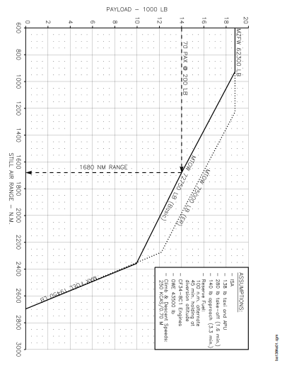
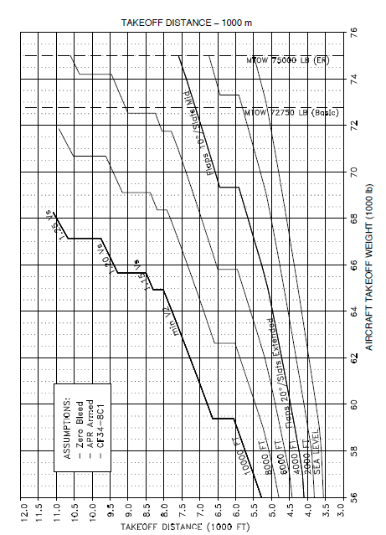
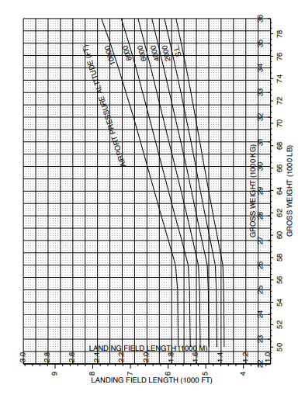
Input Parameters for Performance Calculations
 | Input parameters | Values | Unit | Remarks
Aircraft Specific Parameters | Fuel Density | 0.785 | kg/l | Density of Jet-A fuel
 | Fuel Burn Rate | 1.872132936 | L/NM | *might need changes*
 | Specific Fuel Consumption | 68.4 | Kg/KNhr | link
 | Aspect Ratio (AR) | 7.38 |  | Based on aircraft's structural geometry
 | Wing Planform Area (S) | 68.56 | m^2 | Based on aircraft's structural geometry
Take-off Phase | Take-off Runway Altitude | 0 | ft | Can be Changed Arbitarily
 | Take off Weight | 30390 | kg | From aircraft maintenance planning | 33000
 | Take-off Decision Speed | 123.75 | Knots | Vr - Rotate Speed , V2=135 , Vstall = V2/1.2, Vr = 1.1 *Vstall
 | Take-off Distance at the altitude and weight | 4500 | ft | Taken from the takeoff chart based on the take off weight included below | 5300
Climb Phase | Vertical speed | 2500 | ft/min | Online source , can be taken arbitarily
 | Climb Mach Number | 0.65 | M or Mach Number | In the range of 0.52 to 0.72
 | Climb Angle | 12 | degrees | Set Arbitrarily
Cruise Phase | Cruise Altitude | 41000 | ft | Set Arbitrarily as required, data used from airport manual
 | Cruise Distance | 900 | NM | Set Arbitrarily
 | Cruise Mach Number | 0.62 | M | paper = DEVELOPMENT OF HIGH-LIFT SYSTEMS FOR THE BOMBARDIER CRJ-700
Descent Phase | Vertical speed | 3500 | ft/min | Online source
 | Climb Angle | 20 | degrees | Set Arbitrarily
Landing Phase | Runway Altitude | 0 | ft | Set Arbitrarily
 | Landing Distance at the altitude and weight | 5200 | ft | Taken from the landing chart based on the landing weight included below | 5400

Results
Power Profile
Power Profile (no mass change)
Considering Mass Variation | Time(mins) | Power(MW) |  | No mass change | Time (mins) | Time (s) | Power (MW) | Power (W)
 | 0 | 0 |  |  | 0 | 0 | 0 | 0
 | 1.184967705 | 16.791797743 |  |  | 1.184967705 | 72 | 16.791797743 | 16791797.7
 | 12.899253419 | 13.405991963 |  |  | 12.899253419 | 774 | 14.237615529 | 14237615.5
 | 12.899253419 | 11.171113632 |  |  | 13 | 780 | 11.226737797 | 11226737.8
 | 78.029580644 | 11.171113632 |  |  | 78.029580644 | 4682 | 11.226737797 | 11226737.8
 | 89.743866358 | 11.171113632 |  |  | 89.743866358 | 5385 | 11.226737797 | 11226737.8
 | 89.743866358 | 0 |  |  | 90 | 5400 | 0 | 0
 | 90.857115151 | 0 |  |  | 90.857115151 | 5452 | 0 | 0
 | 105.85711515 | 0 |  |  | 105.85711515 | 6352 | 0 | 0

Fuel Consumption

Time | Fuel (l) | Fuel (Kg) | Mass reduction (kg) |  |  |  |  |  | Without Mass Change/ At MTOW |  | Without Mass Change/ At MLW
0 | 23858.598726 | 18729 | 0
1.184967705 | 23404.70388 | 18372.692546 | 356.30745443
12.899253419 | 20736.805278 | 16278.392143 | 2450.6078571 |  |  |  |  |  | Range - 300 NM |  | Range - 300 NM
78.029580644 | 18259.57749 | 14333.76833 | 4395.2316703 |  |  |  |  |  | Time (s) | Power (W) | Time (s) | Power (W)
89.743866358 | 14602.49284 | 11462.95688 | 7266.0431204 |  |  |  |  |  | 0 | 0.0 | 0 | 0.0
90.857115151 | 14600.89065 | 11461.69916 | 7267.3008395 |  |  |  |  |  | 84 | 15.5 | 72 | 16.8
 |  |  |  |  |  |  |  |  | 787 | 14.2 | 774 | 14.2
 |  |  |  |  |  |  |  |  | 840 | 11.2 | 780 | 11.2
 |  |  |  |  |  |  |  |  | 2090 | 11.2 | 2077 | 11.2
 |  |  |  |  |  |  |  |  | 2793 | 11.2 | 2780 | 11.2
 |  |  |  |  |  |  |  |  | 2820 | 0.0 | 2820 | 0.0
 |  |  |  |  |  |  |  |  | 2857 | 0.0 | 2847 | 0.0
 |  |  |  |  |  |  |  |  | 3757 | 0.0 | 3747 | 0.0

Altitude variation for the mission profile
 |  |  |  |  |  |  |  |  | Range - 600 NM |  | Range - 600 NM
 |  |  |  |  |  |  |  |  | Time (s) | Power (W) | Time (s) | Power (W)
 |  |  |  |  |  |  |  |  | 0 | 0.0 | 0 | 0.0
 |  |  |  |  |  |  |  |  | 84 | 15.5 | 72 | 16.8
 |  |  |  |  |  |  |  |  | 787 | 14.2 | 774 | 14.2
Altitude Variation |  |  |  |  |  |  |  |  | 840 | 11.2 | 780 | 11.2
 |  |  |  |  |  |  |  |  | 3392 | 11.2 | 3380 | 11.2
Time(mins) | Alt |  |  |  |  |  |  |  | 4095 | 11.2 | 4083 | 11.2
0 | 0 |  |  |  |  |  |  |  | 4140 | 0.0 | 4140 | 0.0
1.184967705 | 15.24 |  |  |  |  |  |  |  | 4159 | 0.0 | 4149 | 0.0
12.899253419 | 12496.8 |  |  |  |  |  |  |  | 5059 | 0.0 | 5049 | 0.0
78.029580644 | 12496.8
89.743866358 | 15.24
90.857115151 | 0 |  |  |  |  |  |  |  | Range - 900 NM |  | Range - 900 NM
105.85711515 | 0 |  |  |  |  |  |  |  | Time (s) | Power (W) | Time (s) | Power (W)
 |  |  |  |  |  |  |  |  | 0 | 0.0 | 0 | 0.0
 |  |  |  |  |  |  |  |  | 84 | 15.5 | 72 | 16.8
 |  |  |  |  |  |  |  |  | 787 | 14.2 | 774 | 14.2
 |  |  |  |  |  |  |  |  | 840 | 11.2 | 780 | 11.2
 |  |  |  |  |  |  |  |  | 5129 | 11.2 | 4682 | 11.2
 |  |  |  |  |  |  |  |  | 5832 | 11.2 | 5385 | 11.2
 |  |  |  |  |  |  |  |  | 5880 | 0.0 | 5400 | 0.0
 |  |  |  |  |  |  |  |  | 5896 | 0.0 | 5452 | 0.0
 |  |  |  |  |  |  |  |  | 6796 | 0.0 | 6352 | 0.0

