Feuil1
Univers/Equipe | Nom | Score
D4 | C4_12778 | 192
A6 | C6_12675 | 190
B6 | C6_12675 | 190
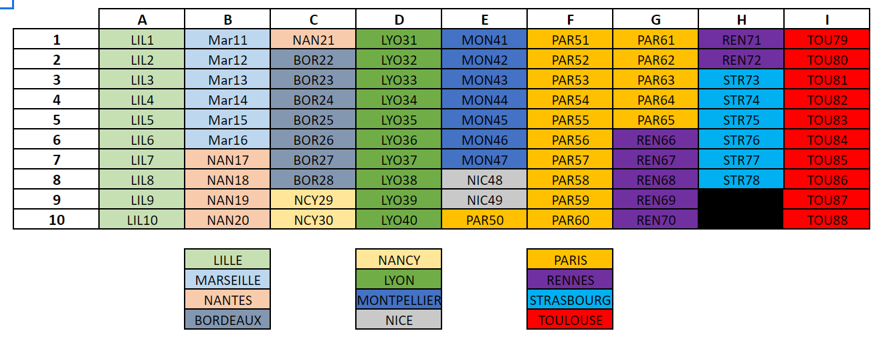
C6 | C6_12675 | 190
G2 | C2_Les_plus_mieux | 184
D8 | C8_19178 | 174
H5 | C5_🤡🤡🤡 | 171
F2 | C2_17880 | 170
I8 | C8_Les étrangers | 170
I4 | C4_eazy_peezy | 162
E5 | C5_13679 | 159
F1 | C1_19980 | 159
A8 | C8_17875 | 147
B8 | C8_17875 | 147
C8 | C8_17875 | 147
E9 | C9_16879 | 147
G5 | C5_17681 | 146
D1 | C1_16878 | 145
E4 | C4_12679 | 145
I10 | C10_11983 | 143
A9 | C9_11975 | 139
B9 | C9_11975 | 139
C9 | C9_11975 | 139
F7 | C7_13680 | 137
H1 | C1_🐸 | 136
H2 | C2_BEST_RENNES | 132
E3 | C3_13379 | 128
H4 | C4_HAMS 🐹 | 127
A1 | C1_17675 | 126
B1 | C1_17675 | 126
C1 | C1_17675 | 126
E10 | C10_16379 | 123
G9 | C9_17581 | 114
H3 | C3_✨=^..^=✨ | 114
G8 | C8_REN68 | 113
I5 | C5_choco_medal | 113
F4 | C4_14180 | 112
G3 | C3_12981 | 111
F3 | C3_17280 | 107
H8 | C8_🍕 | 99
A2 | C2_11075 | 98
B2 | C2_11075 | 98
C2 | C2_11075 | 98
D10 | C10Team jbzz | 97
I1 | C1_s/o_nico | 95
H6 | C6_CRACK TEAM🍆 | 90
E6 | C6_16979 | 89
F9 | C9_14780 | 89
E2 | C2_17979 | 87
I9 | C9_stakhanov | 84
D7 | C7_11078 | 78
G4 | C4_Denis Chon | 78
A3 | C3_13575 | 75
B3 | C3_13575 | 75
C3 | C3_13575 | 75
A10 | C10_17975 | 72
B10 | C10_17975 | 72
C10 | C10_17975 | 72
H7 | C7_TeamJbzz | 72
E8 | C8_16179 | 69
D6 | C6_19678 | 68
G10 | C10_14481 | 66
G6 | C6_19581 | 65
D3 | C3_16778 | 60
I2 | C2_17683 | 58
I6 | C6_salubova | 58
F5 | C5_19580 | 50
D2 | C2_16178 | 49
D9 | C9_16778 | 49
I7 | C7_Lille | 48
D5 | C5_16778 | 45
A5 | C5_18775 | 42
B5 | C5_18775 | 42
C5 | C5_18775 | 42
F8 | C8_Remontada | 40
G1 | C1_18481 | 40
F6 | C6_15980 | 38
I3 | C3_LeGrosEnSport | 36
A4 | C4_16575 | 33
B4 | C4_16575 | 33
C4 | C4_16575 | 33
F10 | C10_19880 | 27
A7 | C7_16075 | 23
B7 | C7_16075 | 23
C7 | C7_16075 | 23
E1 | C1_19079 | 18
G7 | C7_19281 | 18
E7 | C7_11679 | 12

