sources
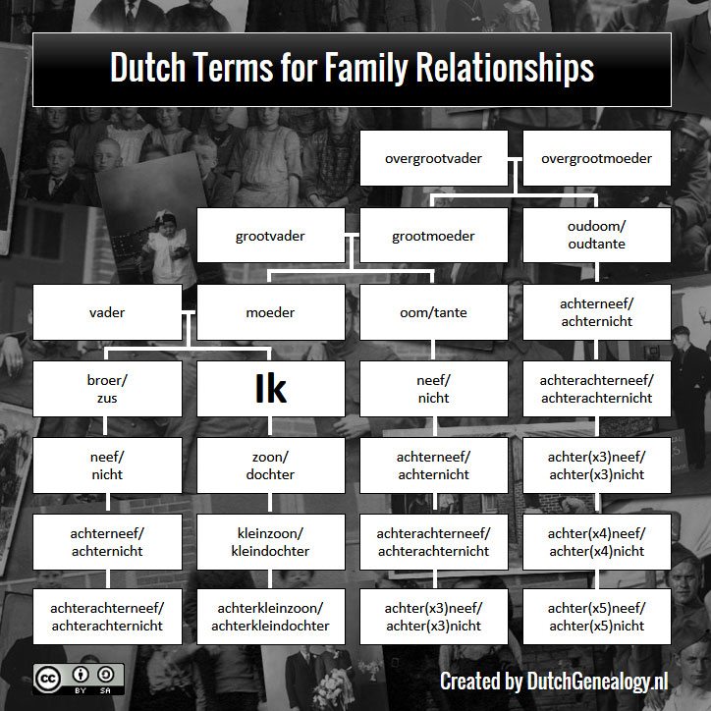
https://ow.gebarencentrum.nl/
https://www.dutchgenealogy.nl/dont-confuse-cousins-nieces-and-nephews/#:~:text=In%20Dutch%2C%20the%20word%20neef,either%20niece%20or%20female%20cousin.

