learners
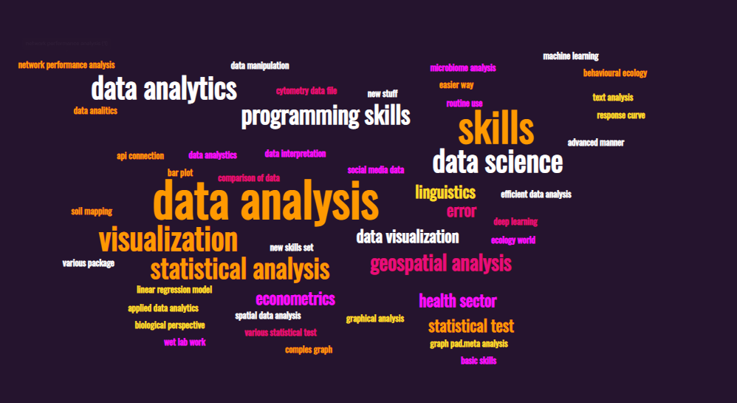
name | email | country | gmt | level | interest
Ishveen Kaur | ishveen1997@gmaail.com | USA | -7 | intermediate | learn easier ways to operate r, most of my time is spent just fixing errors. learn the topics which can help in routine use
Dinh | khacdinh.nguyen@gmail.com | VIETNAM | 7 | beginner | learn to improve r skill
Priyadarshini Rangarajan | priyadarshini.velmurugan@gmail.com | USA | -4 | beginner | to develop my r programming skills
Heike Oosthuysen | heikeoosthuysen@yahoo.com | SOUTH AFRICA | 2 | beginner | to improve my r skills (currently working on microbiome analysis)
Tshering Wangdi | twangdi7@gmail.com | BHUTAN | 6 | beginner | basic
KELVIN KIMARU | kelvinkimaru@gmail.com | KENYA | 3 | beginner | efficient data analysis using r
Milica Markovic | milicam191290@gmail.com | USA | -4 | beginner | improve r skills, mainly creating comples graphs, statistics, and data manipulation (i use it for pharmacometrics)
Durga Nanda Yadav | nandadurga198@gmail.com | NEPAL | 5 | beginner | to imrpve my r programming skills and be effiecent to conduct analysis on my own fixing errors and working on various packages
Aimloss Greyfield Banda | bandaaim@gmail.com | MALAWI | 2 | beginner | to improve my r skills for data analysis
Diego Gallego García | diegothen@gmail.com | ARGENTINA | -3 | beginner-intermediate | improve my coding and programming skills, functions, loops...
Ajibade Semiu Adebare | semiuadebare@gmail.com | NIGERIA | 1 | intermediate
Waidzius Biel | spss870101@gmail.com | LITHUANIA | 3 | beginner-intermediate | improve r skills for data analysis
Charlie | cmcoronel.cpsu@gmail.com | PHILIPPINES | 8 | beginner | improve r programming skill
Faustino Delgado Camacho | faustdelcam@gmail.com | MEXICO | -5 | advanced | learn new stuff! specially db management through r
Kanak Bosu | kanakmath08@gmail.com | GERMANY | 2 | beginner | need to learn r for data analysis.
Rabson Timothy Makwani | rabsonmakwani39@gmail.com | MALAWI | 2 | beginner | to learn r for data science so that i can apply it in health sector
Rituparna Chakrabarti | ritu96chak@gmail.com | INDIA | 5 | beginner | to learn r for analyzing flow cytometry data files (.fcs), and make bar plot, comparison of data, t test, various statistical test, from biological perspective of wet lab work. how to input the data, draw graphs for statistical test and all of those that we do in the graph pad.meta analysis .
Arinjoy Bhattacharjee | bhattacharjeearinjoy24@gmail.com | INDIA | 5 | beginner | learn statistical analysis using r for research
Foysal Hasan | faisalhasan1992@gmail.com | USA | -5 | beginner | basic
willemien Mendoza | willemien-95@hotmail.com | MEXICO | -5 | beginner | need to improve un r for data analysis
Omolola Helen Oshosanya | helenshosan@gmail.com | NIGERIA | 1 | beginner | r for data analytics/soil mapping
Shannon Coates | shannon.n.coates@gmail.com | USA | -7 | beginner | continue to improve my skills in the ecology world
Talha Salahuddin | talhasalahuddinayyubi3.50@gmail.com | PAKISTAN | 6 | beginner | brushing up on manipulating r code and writing r functions
Hafiz-Al-Rezoan | hafizalrezoan@gmail.com | BANGLADESH | 6 | beginner | basic
Sachitanand Prasad Chaudhary | sachitanand.ph@gmail.com | NEPAL | 5 | intermediate | to learn more about data analysis using r
Frank Juma | frankjuma47@gmail.com | USA | -5 | intermediate
Tareq Maiteq | tareqmaiteq@gmail.com | LIBYA | 1 | beginner | to learn more about data analysis using r for linguistics
Pukar Bhandari | bhandaripukar28@gmail.com | USA | 6 | beginner | statistics and geospatial analysis
Jeniffer Mendoza | jlmendozae@unal.edu.co | COLOMBIA | -5 | beginner | r for social media data
Abdulsalam Suleiman | abdulsalamsuleiman1994@gmail.com | MOROCCO | 1 | beginner | learning r for data analysis
Gustavo Avila | geavilag@gmail.com | HONDURAS | -6 | beginner | improve skills for data analysis
Rahul Musale | rahulmusale1100+rgroup@gmail.com | INDIA | 5 | beginner | basic
Domnick Konde | domnickkonde@gmail.com | USA | 8 | expert | geospatial/genomic/econometrics/psychology/text analysis/machine learning
Herbert Jenya | herbertjenya@gmail.com | USA | 6 | beginner | learning r for data analysis
Nik | n.pinnel@gmail.com | GERMANY | 2 | beginner | statistics and geospatial analysis
Karzan | karzan87.saleem@gmail.com | HUNGARY | 2 | beginner | for analysis and graphical analysis
Heyam Salih Mohammed Babiker | heyambabiker@gmail.com | SUDAN | 2 | intermediate | data analysis and visualization
Aya Alwais | ayaalwais1@gmail.com | GERMANY | 2 | beginner | data analysis and visualization
Adebayo Oluwole Eludoyin | oaeludoyin@yahoo.com | NIGERIA | 1 | beginner | r start
Habib | syedhrehman@yahoo.com | MOROCCO | 0 | intermediate | use r for network performance analysis and data visualization
Oluwatobi Fakoya | fakoyaoluwatobi@gmail.com | MOROCCO | 1 | beginner | learning r for data analysis
Ernest Mensah | mensahkafui@gmail.com | GHANA | 0 | beginner | r in deep learning, keras
Prabhudutta Ray | pandarajatkumar@gmail.com | INDIA | 5 | beginner | learn
Hazel Rebollo | rebollohp@gmail.com | PHILIPPINES | 8 | beginner | basic
Abraham Binadeo | binadeo11@gmail.com | GHANA | 0 | beginner | data analysis and visualization
Ebenezer Ofori | ebofori2@gmail.com | GHANA | 0 | beginner | data analysis using r
Tracy | porkyrabbit@gmail.com | NEW ZEALAND | 11 | beginner | data analysis using r
Subhajit Roy | rsubhajit392@gmail.com | INDIA | 5 | beginner | basic, statistical analysis, geospatial analysis using r
Eirini Moysi | erin.moysi@gmail.com | USA | -5 | intermediate | data analysis/genomics/ml
Ajibade Semiu Adebare | semiuadebare1@gmail.com | NIGERIA | 1 | intermediate | statistical analysis and data science
Rio Cheng | riocheng271@gmail.com | TAIWAN | 8 | intermediate | statistical analysis for ecology (biodiversity, community, and behavioural ecology)
Amit kumar Gope | Amitkumargope58@gmail.com | TAIWAN | 8 | beginner | data analysis using r
Shamsa Kanwal | kshamsa63@gmail.com | PAKISTAN | 6 | beginner | data analysis using r
Amal Al-Khatib | alkhatib.amal@yahoo.com | JORDAN |  | beginner | data analysis using r
Kevin Huerta | zxzst3v3zxz@gmail.com | PERU | -5 | intermediate | spatial data analysis using r
Pushpraj | pushprajshishodiya@gmail.com | INDIA | 5 | beginner | data analysis using r
Fhatuwani Joyce Nengwenani | Fhatuwani.magonono@gmail.com | SOUTH AFRICA | 0 | beginner | basic
Ahmed Sadat Ameyaw | Ameyawcm@gmail.com | GERMANY | 6 | intermediate | improve data analysis in r
Kerry | r06627034@gmail.com | MALAYSIA |  | beginner | basic to advanced learning
Mangar Athiek | mangardukan@gmail.com |  | -7 | beginner | basic, statistical analysis , data visualization and data science using r
Nshant K Sinha | nishant.sinha76211@gmail.com | INDIA | 5 | intermediate
Kamarul Ariffin | kamarul.ariffin.167118@gmail.com | MALAYSIA | 8 | intermediate
Tarek Anis | mohamedtarekanis@gmail.com | EGYPT | 2 | beginner
Sharon Chelangat | misskirui1334@gmail.com | KENYA | 3 | beginner-intermediate | data analysis, data science
John Shamala | jbshamala@gmail.com | KENYA | 3 | beginner | data analytics
Bill Pangayow | billpangayow@gmail.com | PAPUA | 9 | beginner | data analytics
Kacper Sawicki | ksawicki@swps.edu.pl | POLAND | 2 | beginner | to get more informations about using r language, data analysis
Ana | ana25alcantara@gmail.com | PHILIPPINES | 8 | beginner | data analytics using r
Ricardo Palma | ricardojavierp@gmail.com | ARGENTINA | -2 | beginner | data analysis for linguistics
Mayer Aziz | mayer.nadeem@gmail.com | ITALY | 1 | beginner | i want to be proficient in r.
Waidas Bix | mokymai87@gmail.com | LATVIA | 3 | beginner | basic skills to improve.
luis alexander barrios anyosa | luisbarrios2197@gmail.com | PERU |  | intermediate | im interested in how put r in production for a fintech
Akorede Bolaji | akoredebolaji@yahoo.com | MOROCCO | 1 | beginner-intermediate | data analysis, data science
THE ANGE PAUL | Theangepaul@gmail.com | COTE D IVOIRE | 0 | beginner | basic
inaam al rayess | inaamkabrit@gmail.com | LEBANON | 3 | beginner | data analysis, data interpretation
Andrew Maulidi | andrewmaulidi25@gmail.com | MALAWI | 2 | beginner | to learn r for data science so that i can apply it in health sector
Fabio Pedercini | fabio.pedercini@usal.es | ITALY | 1 | intermediate | practice and imrove my skills in r
zain Abid | zainabid435@gmail.com
Yaipharen P | yaipharen.p@gmail.com | INDIA | 5 | beginner | applied data analytics using r
Abdrie Setegn | abdriesetegn2005@gmail.com | ETHIOPIA | 3 | intermediate | want to now r in more advanced manner
Win Win Pyone | winwinpyone3@gmail.com | AUSTRALIA | 8 | beginner-intermediate | data analysis and dose response curve fitting with non-linear regression model
Ralph Godsey | godsey.rm@gmail.com | USA | -6 | advanced | keep up to date and learn new skill sets
Hernan Caceres | hgcaceres.escobar@gmail.com | FRANCE | 2 | intermediate | keep learning
Adama | damocamara@gmail.com
Linar | linar.akhmetzyanov@gmail.com | SPAIN | 1 | intermediate | data analyses
Jeremiah Mondol | jeremiah.mondol@gmail.com | COLOMBIA |  | beginner | data analitics and statistics
Dr. Muhammad Sohail Memon | engr.sohailm@yahoo.com | PAKISTAN | 5 | beginner | i wish to learn data analysis for gis and remote sensing
Enrique Ortega Reyes | enro1807@gmail.com | MEXICO | -5 | beginner | improve my r skills for data analytics, visualization, api connections, and econometrics
Ramesh Kumar N | 29ramesh@gmail.com | INDIA | 5 | beginner | to learn using r
Tiba jassam | tibakbson@gmail.com
Rodz | acunarp0818@gmail.com | PHILIPPINES | 8 | beginner
Emmanuel Templa | spct.cop@gmail.com | PHILIPPINES | 8 | beginner | to learn r, to be able to develop skills and capacity for data analystics and visualization
Waidas Bix | mokymai87@gmail.com | LATVIA | 3 | beginner | basic r
Waidzius Biel | spss870101@gmail.com | LITHUANIA | 3 | beginner | practice and imrove my skills with r
Hadi Muhammed | hadi.azizm@gmail.com
Angel García Vite | anglgrcvt@gmail.com | MEXICO | -6
Vijay Kumar | vikumar@clarkson.edu | USA | -5 | advanced | time series analysis, statistical concepts
Lino Weca Cachure | linoweca9@gmail.com | MOZAMBIQUE | 1 | intermediate | To learn r

