Map
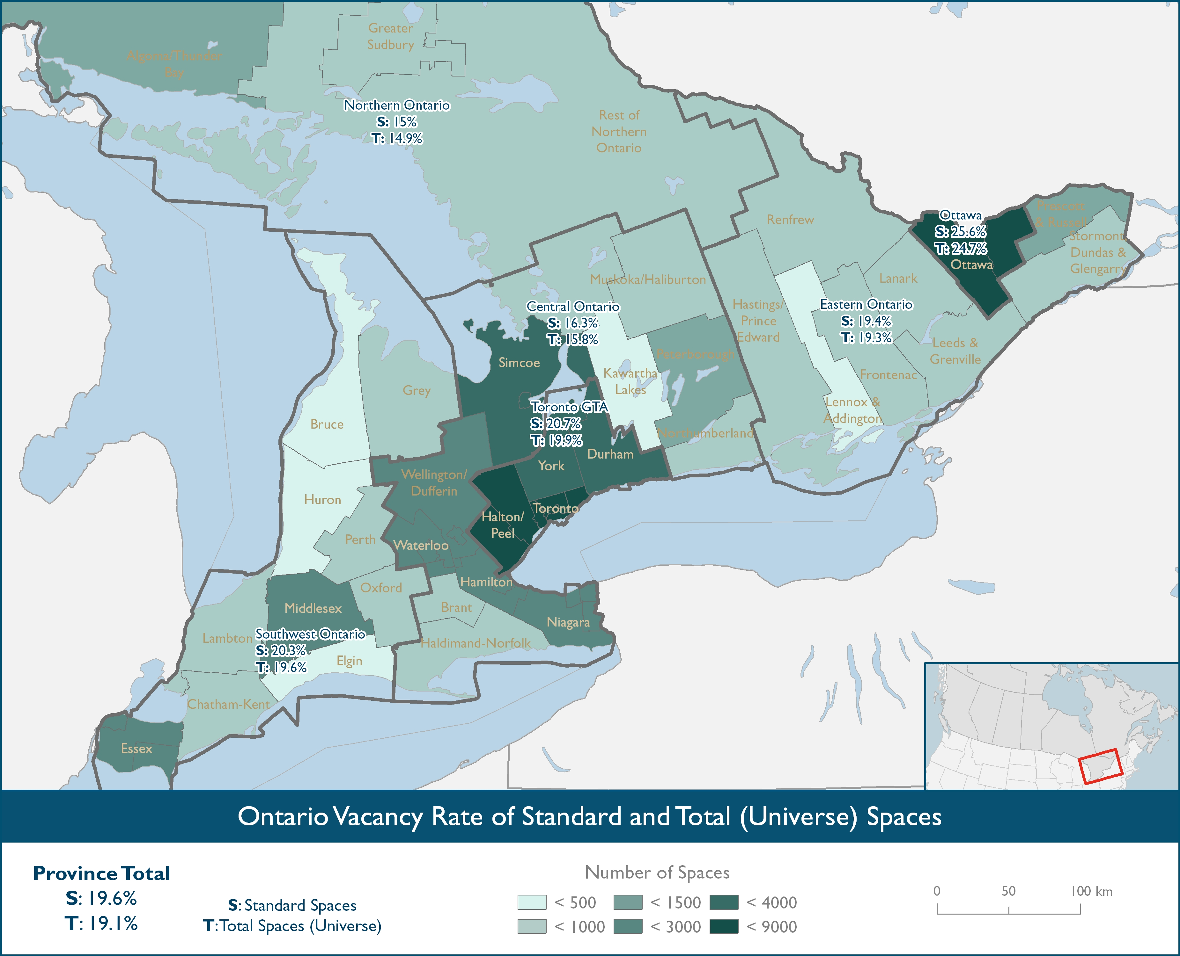

Ontario Vacancy Rate(%) of Standard and Total (Universe) Spaces
 | Southwest Ontario | Central Ontario | Northern Ontario | Eastern Ontario | GTA | Ottawa | Province Total
Standard Spaces | 20.3 | 16.3 | 15.0 | 19.4 | 20.7 | 25.6 | 19.6
Total Spaces | 19.6 | 15.8 | 14.9 | 19.3 | 19.9 | 24.7 | 19.1

