Sheet1
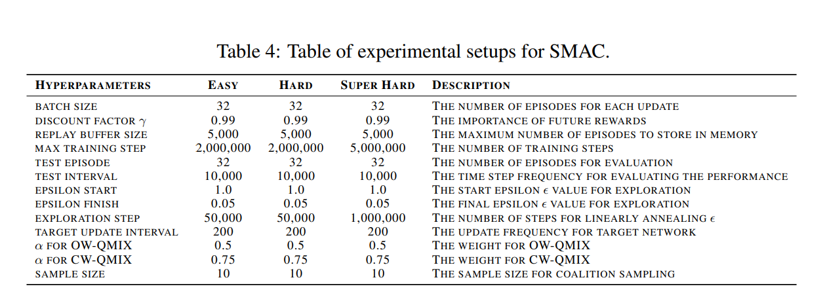
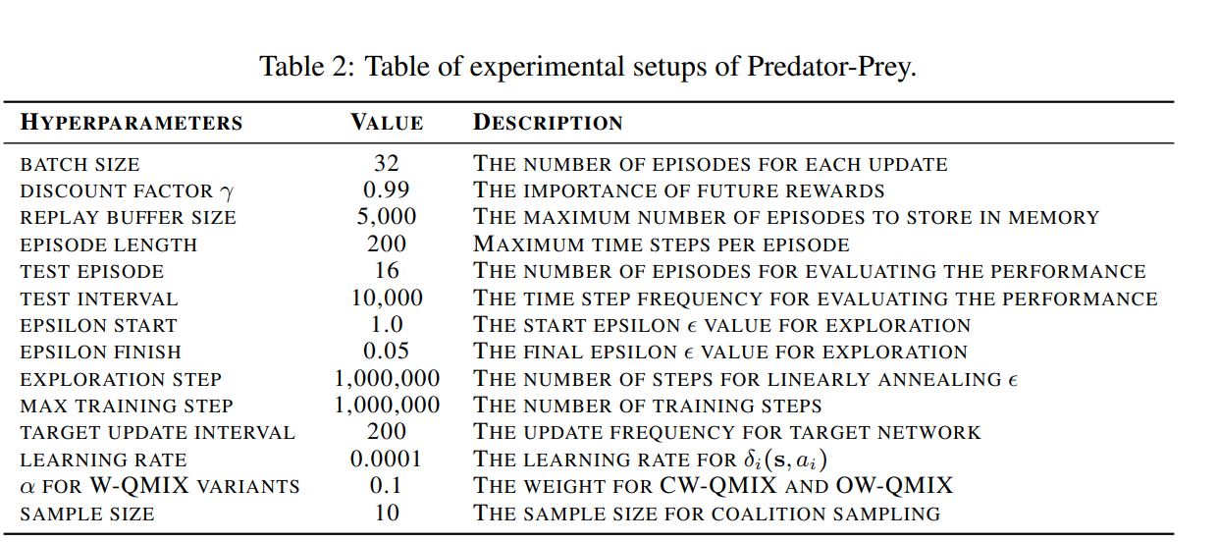
Scenarios | Epsilon anneal time | MAX TRAINING STEP
SMAC: 2c_vs_64zg | 50k | 2M
SMAC: 3s_vs_5z | 50k | 2M
SMAC: 5m_vs_6m | 50k | 2M
SMAC: 6h_vs_8z | 1mil | 5M
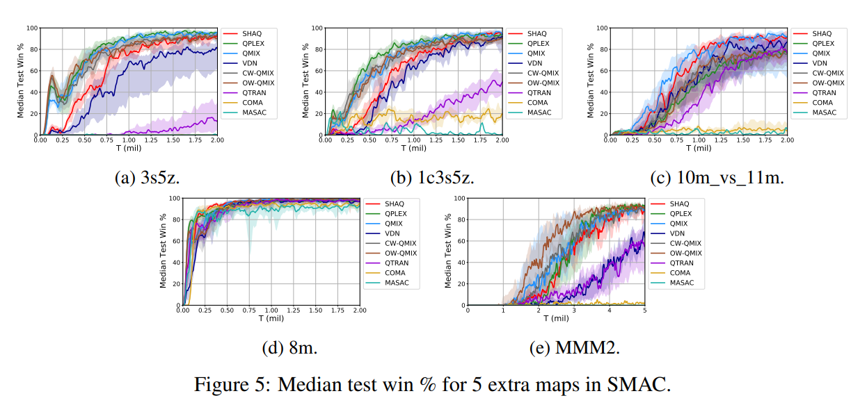
SMAC: Corridor | 1mil | 5M | 预期结果
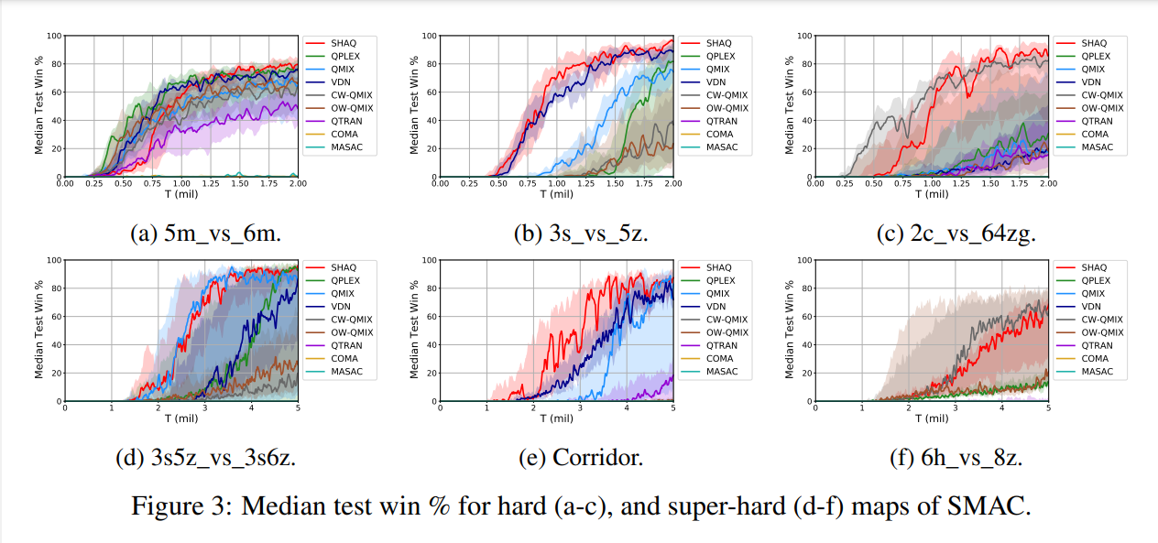
SMAC: 8m | 50k | 2M
SMAC: 3s5z | 50k | 2M
SMAC: 3s5z_vs_3s6z | 1mil | 5M
SMAC: 1c3s5z | 50k | 2M
SMAC: 10m_vs_11m | 50k | 2M
SMAC: MMM2 | 1mil | 2M
Predator-Prey | 1mil | 1M

