Regression
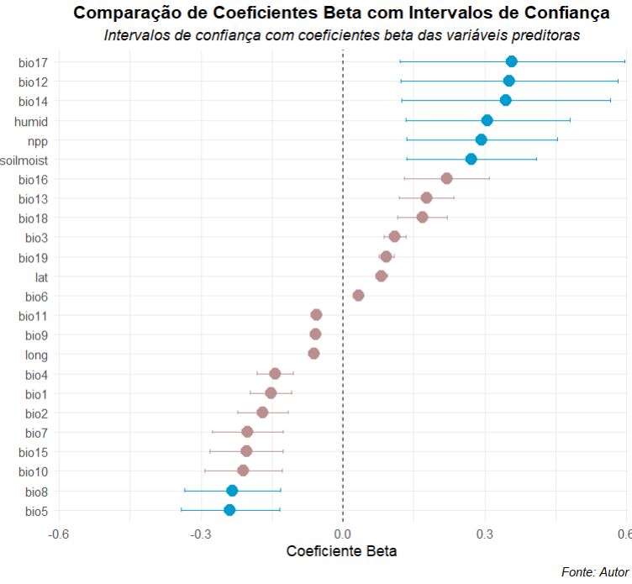
Variable | Beta | P-Value | R2 | Signif.
Lat | 0.082 | 0.474 | 0.006
Long | -0.060 | 0.599 | 0.003
Bio1 | -0.152 | 0.182 | 0.022
Bio2 | -0.169 | 0.137 | 0.027
Bio3 | 0.110 | 0.335 | 0.011
Bio4 | -0.143 | 0.209 | 0.019
Bio5 | -0.238 | 0.036 | 0.053 | *
Bio6 | 0.034 | 0.769 | 0.001
Bio7 | -0.201 | 0.077 | 0.038
Bio8 | -0.234 | 0.039 | 0.052 | *
Bio9 | -0.057 | 0.616 | 0.003
Bio10 | -0.211 | 0.064 | 0.042
Bio11 | -0.055 | 0.630 | 0.003
Bio12 | 0.352 | 0.002 | 0.117 | *
Bio13 | 0.177 | 0.120 | 0.030
Bio14 | 0.346 | 0.002 | 0.113 | *
Bio15 | -0.204 | 0.072 | 0.039
Bio16 | 0.220 | 0.053 | 0.046
Bio17 | 0.358 | 0.001 | 0.121 | *
Bio18 | 0.169 | 0.139 | 0.027
Bio19 | 0.092 | 0.421 | 0.008
Npp | 0.294 | 0.009 | 0.082 | **
Humid | 0.306 | 0.006 | 0.089 | **
Soilmoist | 0.272 | 0.016 | 0.070 | *

