report
Total Profit | Total Orders | Total Revenue | Total Units Sold
27914202.88 | 1855 | 123618065.69 | 13280

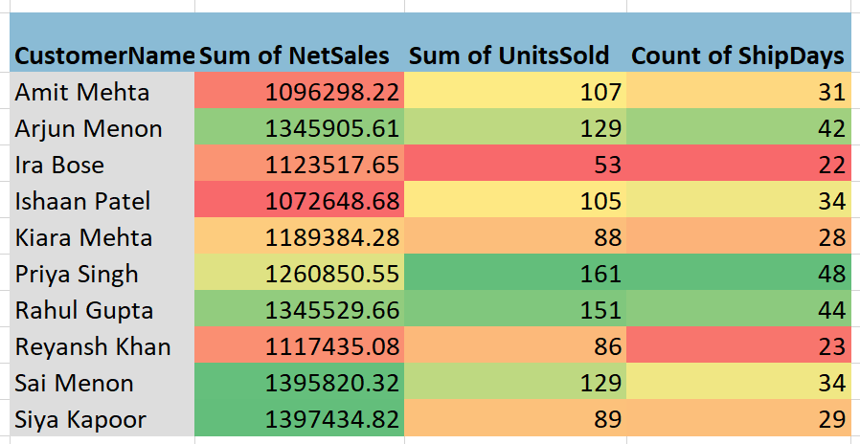
 | Total
January | 8361277.54
February | 7577687.31
March | 10266494.92
April | 9063325.71
May | 10541046.36
June | 11171050.81
July | 9396012.47
August | 10024559.93
September | 9544352.5
October | 12246811.95
November | 11170531.5
December | 14254914.69

 | Total
East | 33801473.93
North | 31259266.37
West | 30385508.5
South | 28171816.89
 | Total
Accessories | 3652012.07
Electronics | 91786135.63
Fitness | 7637777.5
Home & Living | 15547622.07
Office Supplies | 4994518.42

