Sheet1
https://learnvue.co/2020/12/how-to-use-lifecycle-hooks-in-vue3/

https://www.codota.com/setup/vscode

Tao mới 1 app VUE
 | open Node install : npm i vue/cli

 | Mở bash lên chạy lệnh sau để tạo project vue

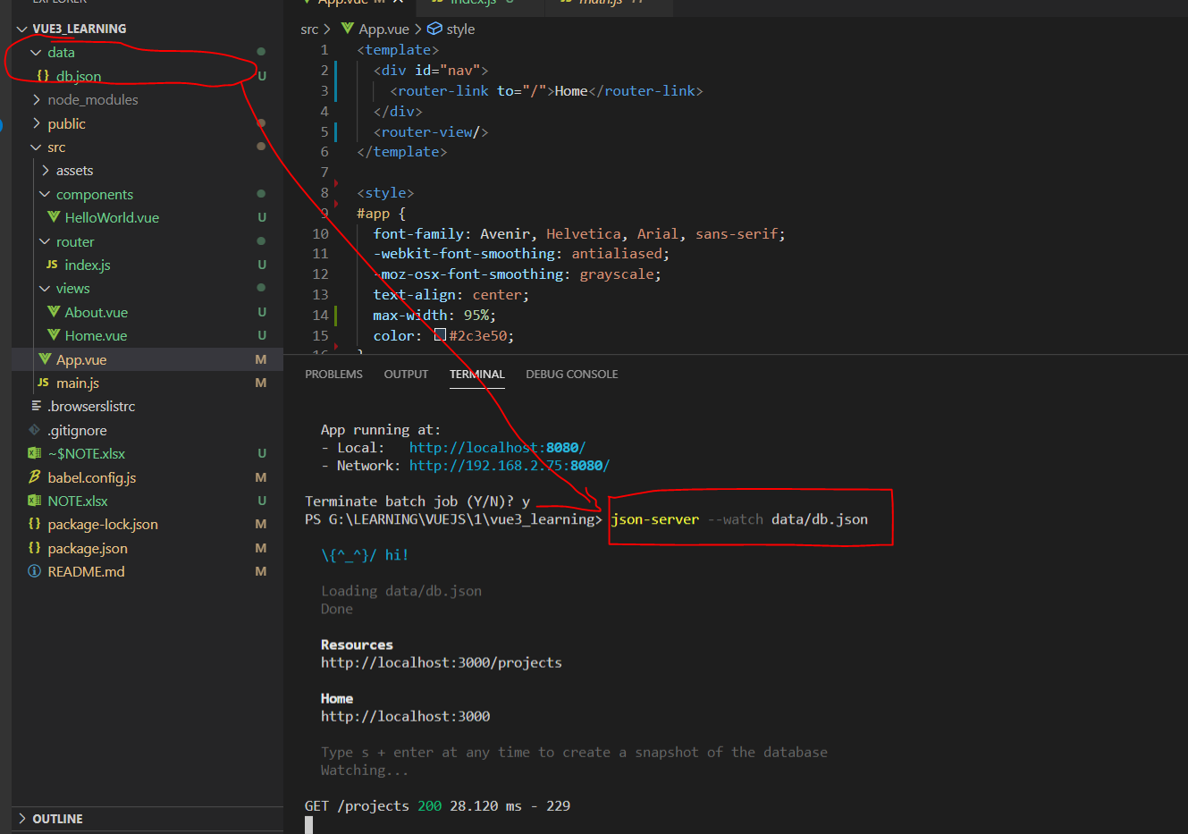
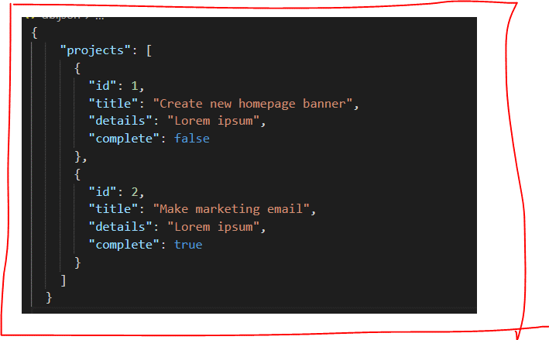
 | Tao 1 project bang lenh : vue create new-project-name-cua-ban
 |  |  | select bael , select version, router

 |  |  | save router , do not save preset

fix bug run | Set-ExecutionPolicy -Scope Process -ExecutionPolicy Bypass |  |  |  |  | copy : Set-ExecutionPolicy -Scope Process -ExecutionPolicy Bypass
server data ảo | 1 | install npm install -g json-server
 | 2 | json-server --watch data/db.json
 |  | lệnh trên để chạy server (xem hình bên dưới)

Tham khao bai` học trên youtube
 | https://www.youtube.com/watch?v=RTpx9Wykyac&t=3s&ab_channel=HenryWebDevHenryWebDev

Security
G:\LEARNING\NODEJS\Video\0000032_08.NodeJS [5.1GB] API Masterclass With Express & MongoDB\10. API Security\3. XSS Protection Security Headers.mp4

 | 1. Logout To Clear Token Cookie.mp4
 | 2. Prevent NoSQL Injection Sanitize Data.mp4
 | 3. XSS Protection Security Headers.mp4
 | 4. Rate Limiting, HPP CORS.mp4

\0000060_13.Vue JS_[6.78 GB] - Essentials with Vuex and Vue Router\3. Writing Effective Vue Apps\

https://cdnjs.com/libraries/jquery

Đầu tiên xem file index.js trong folder : router để thấy nó sẽ kích hoạt component nào

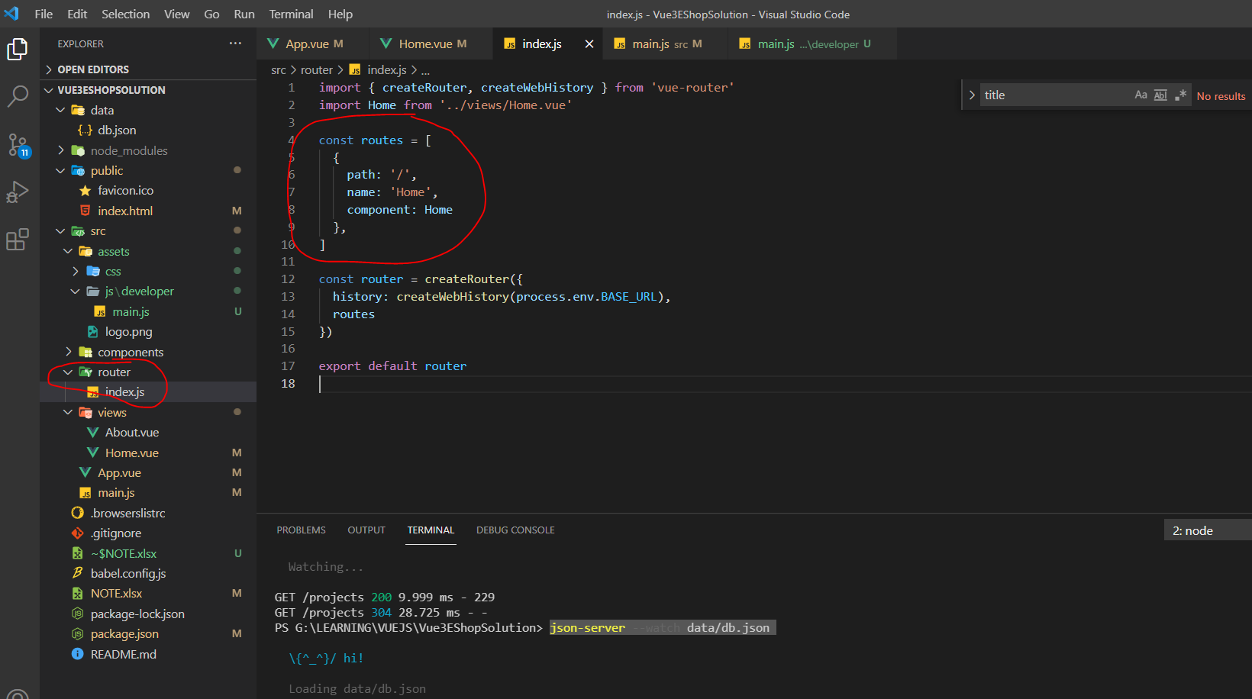

add Boottrap, FontAwesome, Jquery

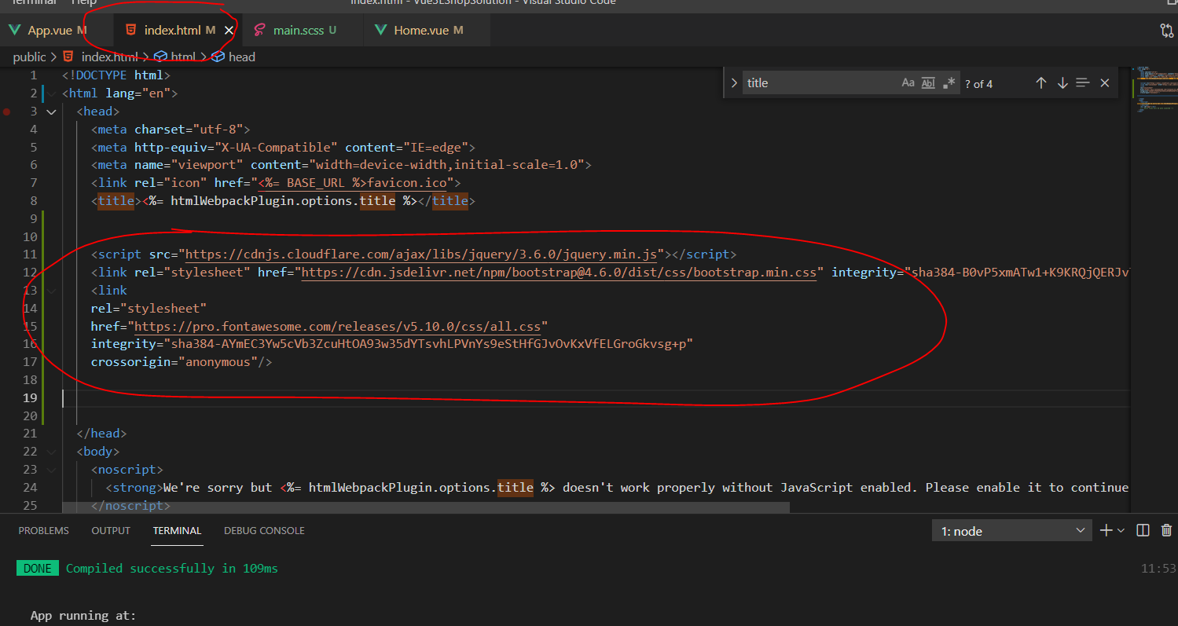

 |  |  | <script src="https://cdnjs.cloudflare.com/ajax/libs/jquery/3.6.0/jquery.min.js"></script>
 |  |  | <link rel="stylesheet" href="https://cdn.jsdelivr.net/npm/bootstrap@4.6.0/dist/css/bootstrap.min.css" integrity="sha384-B0vP5xmATw1+K9KRQjQERJvTumQW0nPEzvF6L/Z6nronJ3oUOFUFpCjEUQouq2+l" crossorigin="anonymous">
 |  |  | <link
 |  |  | rel="stylesheet"
 |  |  | href="https://pro.fontawesome.com/releases/v5.10.0/css/all.css"
 |  |  | integrity="sha384-AYmEC3Yw5cVb3ZcuHtOA93w35dYTsvhLPVnYs9eStHfGJvOvKxVfELGroGkvsg+p"
 |  |  | crossorigin="anonymous"/>

add CSS
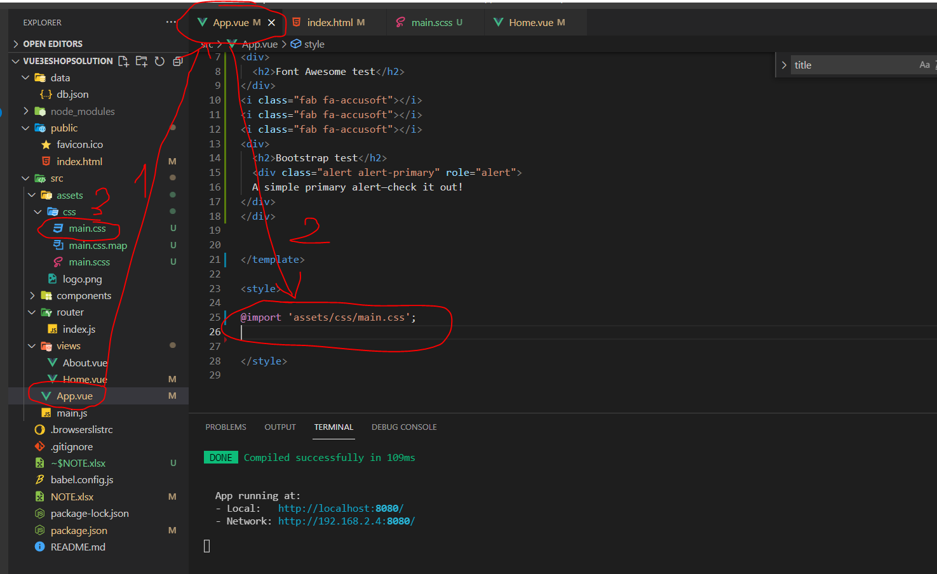

ADD file JS

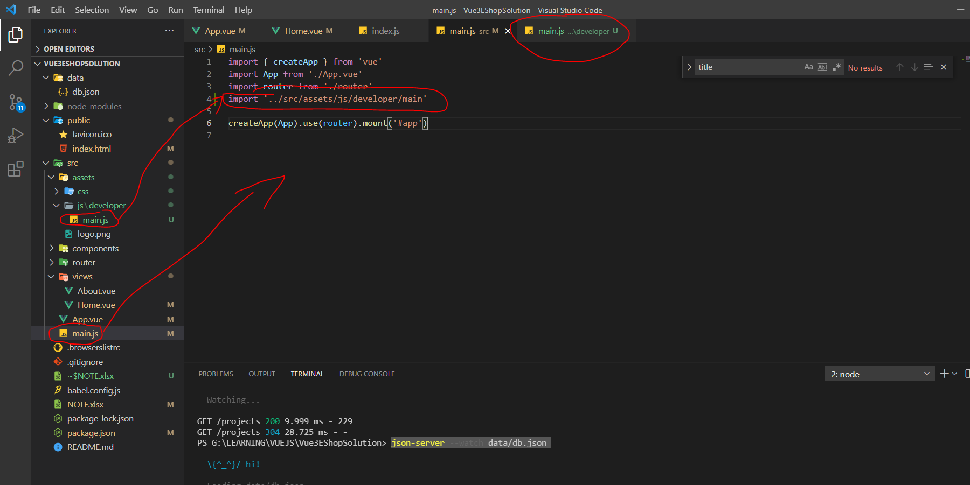
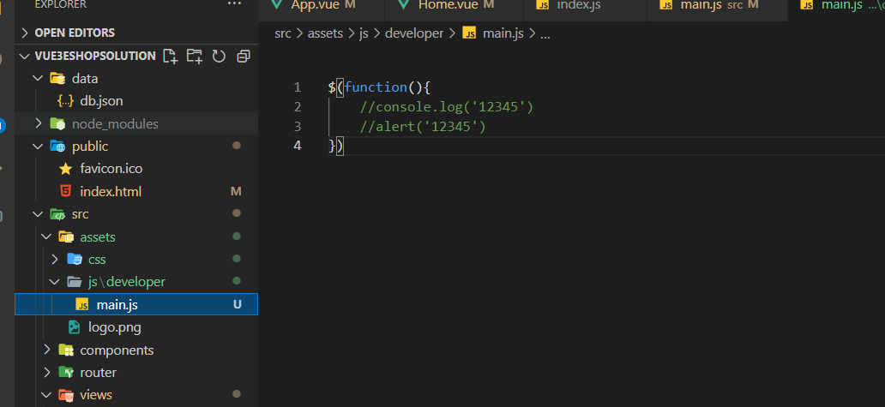

GEN DATA

mở riêng 1 project nodeJS lên rồi chạy file |  |  |  | node genData.js

https://www.youtube.com/watch?v=2v24FwGdn8w&list=PL_-VfJajZj0U9nEXa4qyfB4U5ZIYCMPlz&index=46&ab_channel=F8Official

===========================www.codingsnow.com START

https://www.codingsnow.com/2021/01/sidebar-menu-with-sub-menu-dashboard.html |  |  |  |  | HTML CSS
https://www.youtube.com/channel/UCNDmzGYwwT3rdY3xQuW8QOA

===========================www.codingsnow.com END

// https://console.firebase.google.com/
// For Firebase JS SDK v7.20.0 and later, measurementId is optional |  |  |  |  |  |  | quan tâm đến rule có khi sẽ bị lỗi, do trong rule yêu cầu authencicate mà bên ngoài ko biết, cứ thao tác data với FB là bị lỗi

// lqvinh.hsu@gmail.com
// console.firebase = app named : "vueLearning-live-chat" |  |  |  |  |  |  |  | không cần authenticate
 |  |  |  |  |  |  |  | rules_version = '2';
 |  |  |  |  |  |  |  | service cloud.firestore {
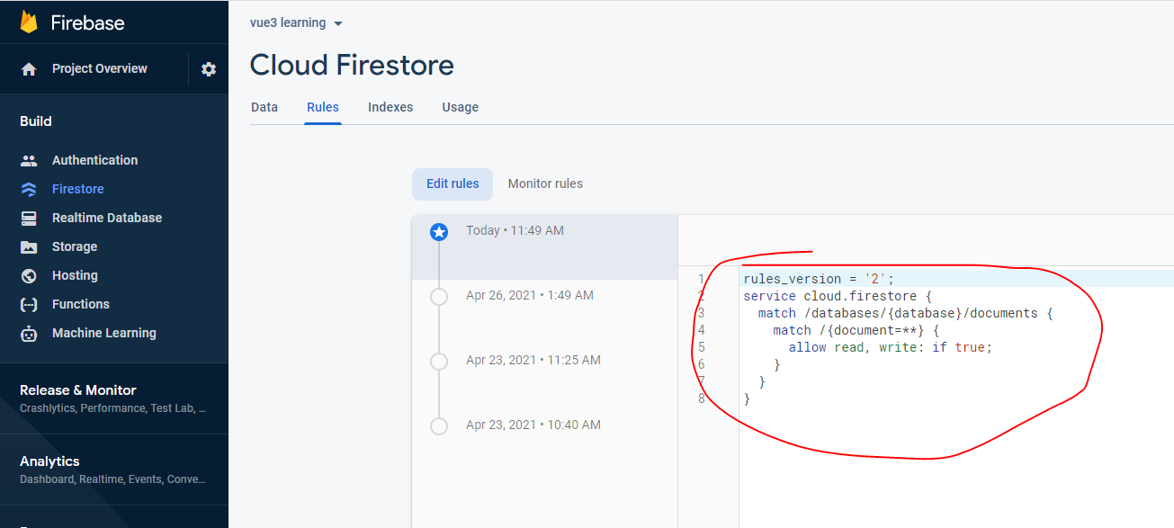
 |  |  |  |  |  |  |  | match /databases/{database}/documents {
 |  |  |  |  |  |  |  | match /{document=**} {
 |  |  |  |  |  |  |  | allow read, write: if true;
 |  |  |  |  |  |  |  | }
 |  |  |  |  |  |  |  | }
 |  |  |  |  |  |  |  | }

 |  |  |  |  |  |  |  |  | Yêu cầu authenticate

 |  |  |  |  |  |  |  |  | rules_version = '2';
 |  |  |  |  |  |  |  |  | service cloud.firestore {
 |  |  |  |  |  |  |  |  | match /databases/{database}/documents {
 |  |  |  |  |  |  |  |  | match /playlists/{docId} {
 |  |  |  |  |  |  |  |  | allow read, create: if request.auth != null;
 |  |  |  |  |  |  |  |  | allow delete, update: if request.auth.uid == resource.data.userId;
 |  |  |  |  |  |  |  |  | }
 | INSERT DOC |  |  | import AddDoc from "../src/services/fireBase/AddDoc.js"; |  |  |  |  | }
 |  |  |  |  |  |  |  |  | }

 |  |  |  | import { timestamp } from "../src/services/fireBase/config";
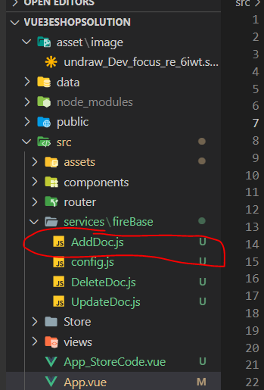

 |  |  |  | const { AddDocHandle, error, isPending } = AddDoc("DOCTest");

 |  |  |  | const HandleRegister = async () =>
 |  |  |  | {
 |  |  |  | const dataNew = {
 |  |  |  | name :'name1',
 |  |  |  | testJobs: [],
 |  |  |  | createdAt: timestamp(),
 |  |  |  | };

 |  |  |  | const res = await AddDocHandle(dataNew);

 |  |  |  | if (!error.value) {
 |  |  |  | const res2 = res.id;
 |  |  |  | }
 |  |  |  | }

 | DELETE DOC
 |  |  |  | import DeleteDoc from "../src/services/fireBase/DeleteDoc";

 |  |  |  | const { DeleteDocHandle, error, isPending} = DeleteDoc("DOCTest", 'LGAvxF26bg4FXdGbIwvK');

 |  |  |  | const HandleRegister = async () =>{
 |  |  |  | const resDelete = await DeleteDocHandle();
 |  |  |  | if (!error.value) {
 |  |  |  | const res2 = resDelete;
 |  |  |  | }
 |  |  |  | };

 | UPDATE DOC

 |  |  |  | import UpdateDoc from "../src/services/fireBase/UpdateDoc";

 |  |  |  | const { UpdateDocHandle, error, isPending } = UpdateDoc("DOCTest", 'WM8DNCaXPylf1dUwtLhb');
 |  |  |  | const HandleRegister = async () =>{
 |  |  |  | const dataUpdate = {
 |  |  |  | name : 'nameUpdate',
 |  |  |  | testJobs : ['1','2'],
 |  |  |  | }
 |  |  |  | const resUpd = await UpdateDocHandle(dataUpdate);

 |  |  |  | };

VUEX 3
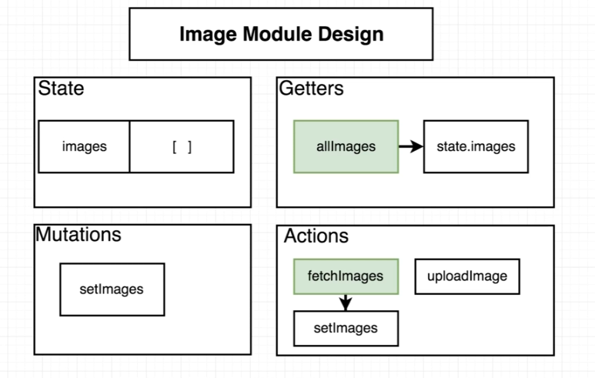
https://next.vuex.vuejs.org/guide/migrating-to-4-0-from-3-x.html#installation-process

https://www.youtube.com/watch?v=y7DQhNs9Azw&t=10s&ab_channel=LaithHarbLaithHarb

state
mutation chay để thay đổi trực tiếp state
actión : có thể thực hiện gọi service hay axios update lên state
Getter chay 2 way binding

