Sheet1
Tao mới 1 app VUE
 | open Node install : npm i vue/cli

 | Mở bash lên chạy lệnh sau để tạo project vue

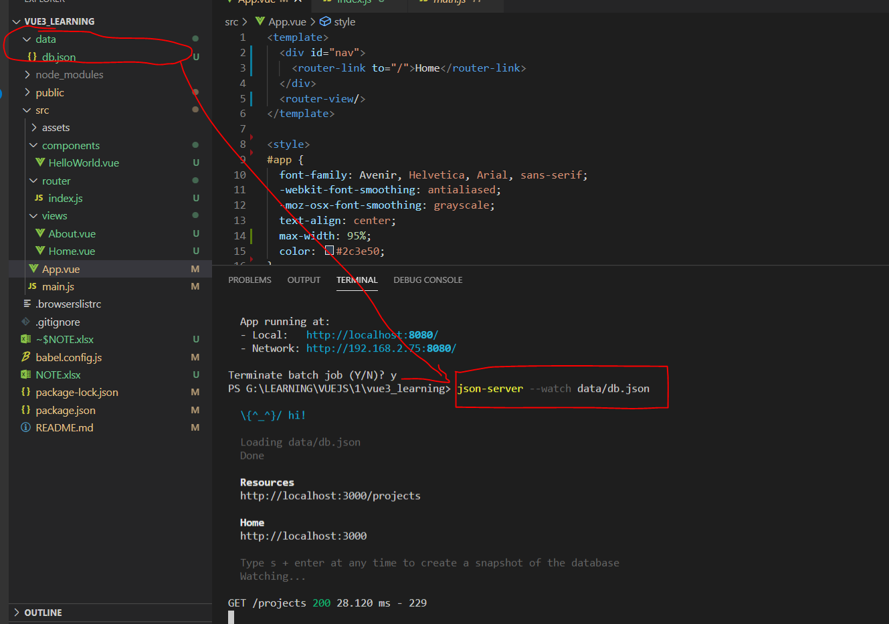
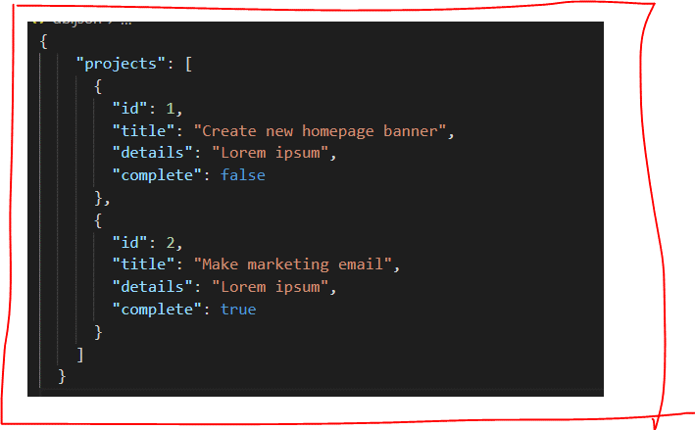
 | Tao 1 project bang lenh : vue create new-project-name-cua-ban
 |  |  | select bael , select version, router

 |  |  | save router , do not save preset

fix bug run | Set-ExecutionPolicy -Scope Process -ExecutionPolicy Bypass
server data ảo | 1 | install npm install -g json-server
 | 2 | json-server --watch db.json
 |  | lệnh trên để chạy server (xem hình bên dưới)

deploy
 | host app trên fireBase của google

1 | https://console.firebase.google.com/?hl=vi

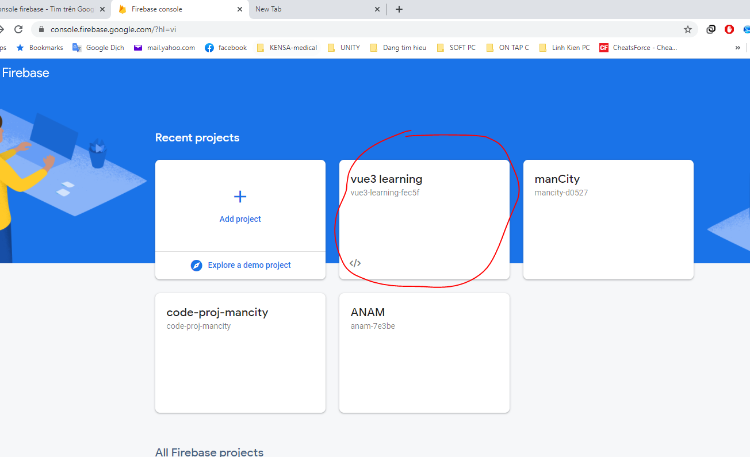

 |  | npm install -g firebase-tools
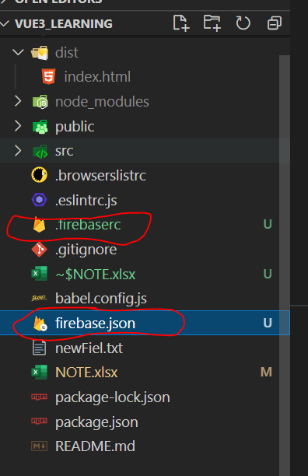
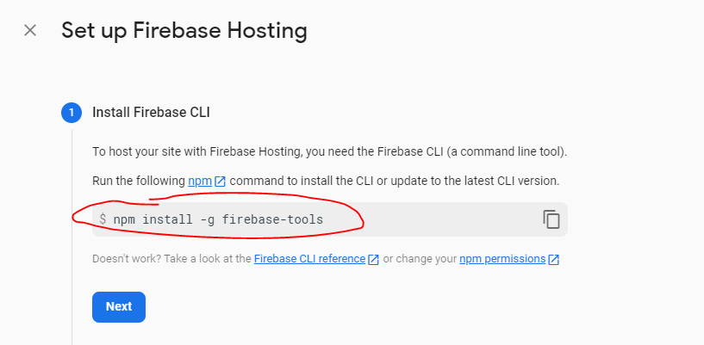
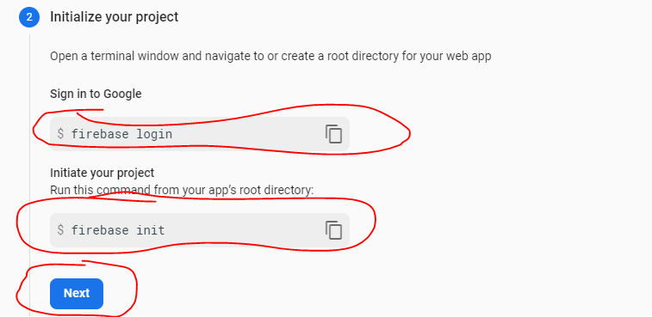

 |  |  |  |  |  | Fix bug : | Set-ExecutionPolicy -Scope Process -ExecutionPolicy Bypass

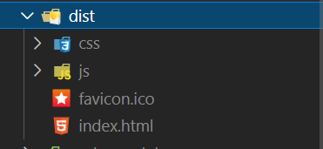
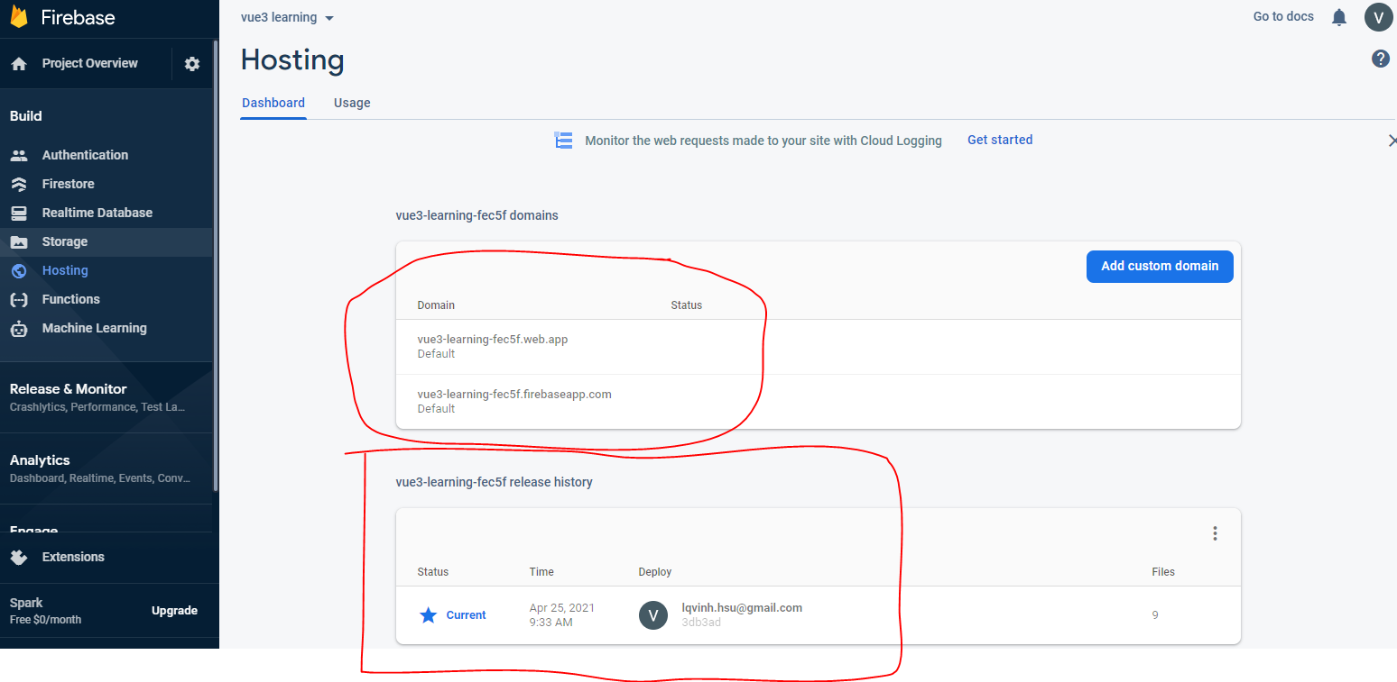

 |  |  | SETTING DOMAIN

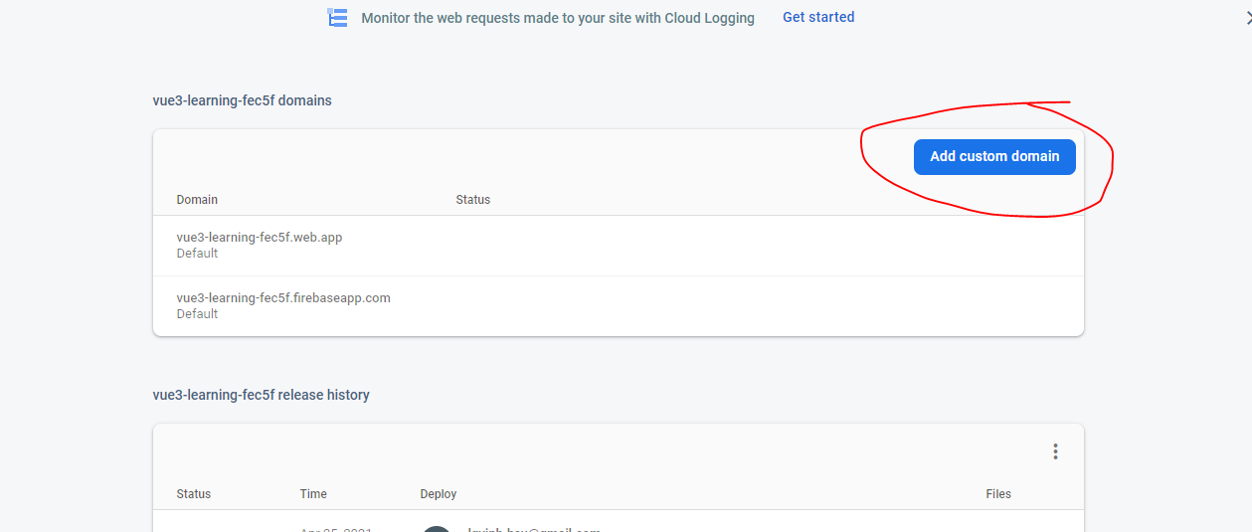

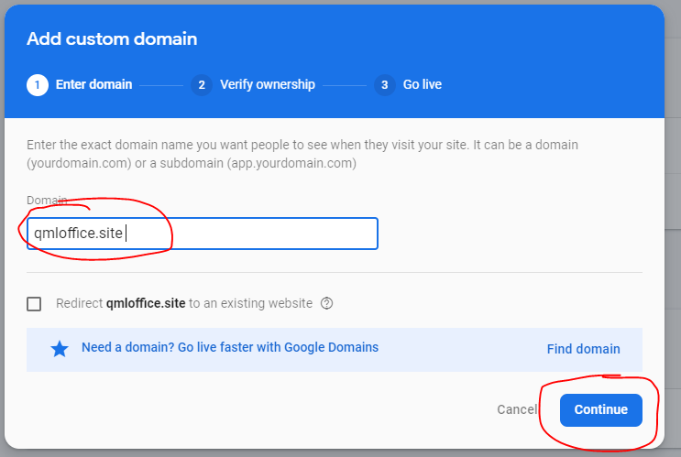

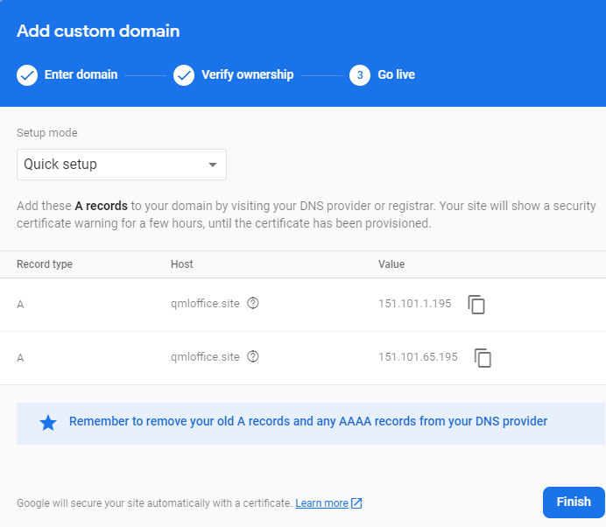

 |  |  |  | RULES FIREBASE

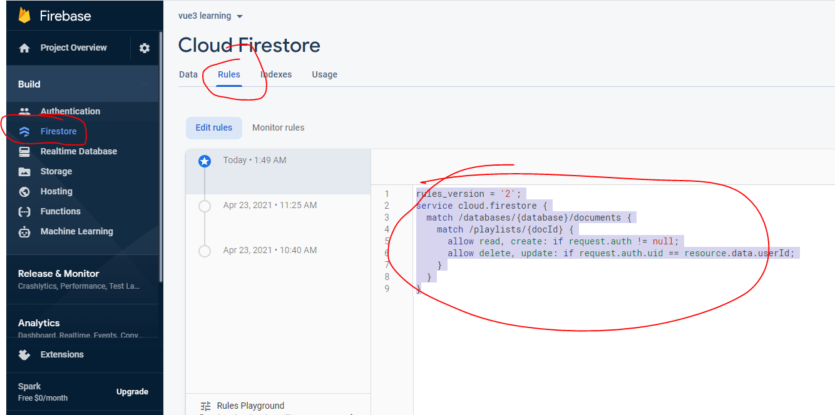

 |  |  |  |  | rules_version = '2';
 |  |  |  |  | service cloud.firestore {
 |  |  |  |  | match /databases/{database}/documents {
 |  |  |  |  | match /playlists/{docId} {
 |  |  |  |  | allow read, create: if request.auth != null;
 |  |  |  |  | allow delete, update: if request.auth.uid == resource.data.userId;
 |  |  |  |  | }
 |  |  |  |  | }
 |  |  |  |  | }

 |  |  | RULES THAM KHẢO CODING

 |  |  | // https://firebase.google.com/docs/firestore/query-data/queries

