Sheet1
Tao mới 1 app VUE
 | open Node install : npm i vue/cli

 | Mở bash lên chạy lệnh sau để tạo project vue

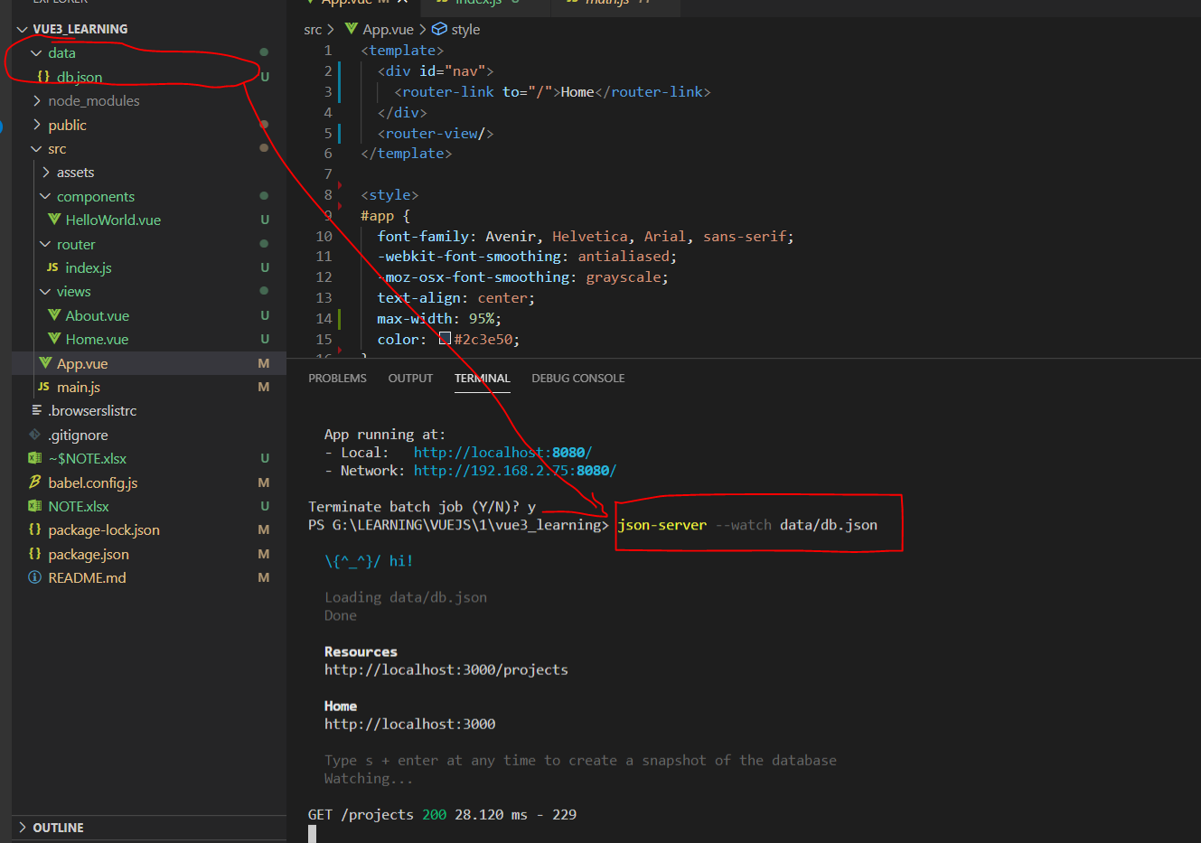
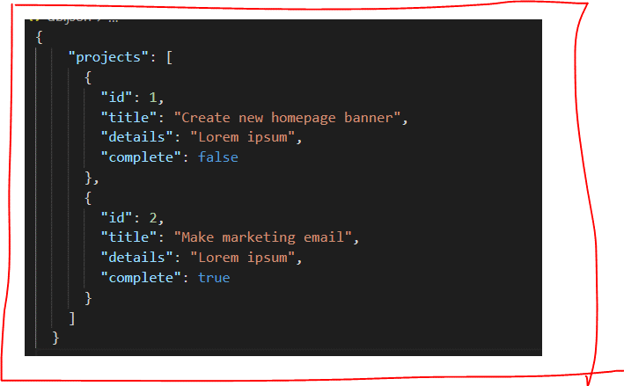
 | Tao 1 project bang lenh : vue create new-project-name-cua-ban
 |  |  | select bael , select version, router

 |  |  | save router , do not save preset

fix bug run | Set-ExecutionPolicy -Scope Process -ExecutionPolicy Bypass
server data ảo | 1 | install npm install -g json-server
 | 2 | json-server --watch db.json
 |  | lệnh trên để chạy server (xem hình bên dưới)

 |  |  | <template>
 |  |  | <div class="home">
 |  |  | <h1>Home</h1>
 |  |  | <p ref="p">My name is {{ name }} and my age is {{ age }}</p>
 |  |  | <button @click="handleClick">click me</button>
 |  |  | </div>
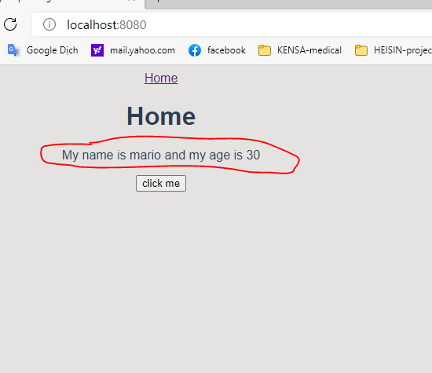
 |  |  | </template>

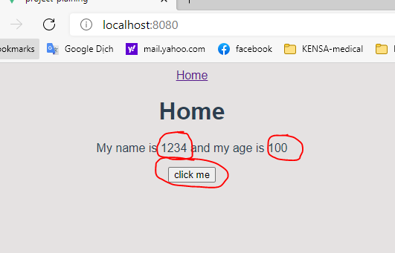
 |  |  | <script>
 |  |  | import { ref } from 'vue'

 |  |  | export default {
 |  |  | name: 'Home',
 |  |  | setup() {

 |  |  | let p = ref(null)
 |  |  | let name = ref('mario')
 |  |  | let age = ref(30)

 |  |  | const handleClick = (e) => {
 |  |  | // console.log(p, p.value)
 |  |  | // p.value.classList.add('test')
 |  |  | // p.value.textContent = 'hello, ninjas'

 |  |  | name.value = '1234';
 |  |  | age.value = '100';
 |  |  | }

 |  |  | console.log(p.value)

 |  |  | return { name, age, handleClick, p }
 |  |  | },
 |  |  | }
 |  |  | </script>

