DCR to S21
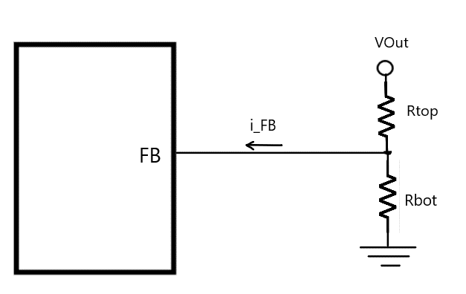
RTop (kOhm) | 560

Rbot (kOhm) | 100

I_FB (uA) | 0.2

V_FB (Volts) | 1.275

V_Output (Volts) | 8.527

V_Error (Volts) | 0.112

Notes:
I_FB is into the regulator
V_Error is excess voltage error in V_Output added by FB current I_B

