Sheet1
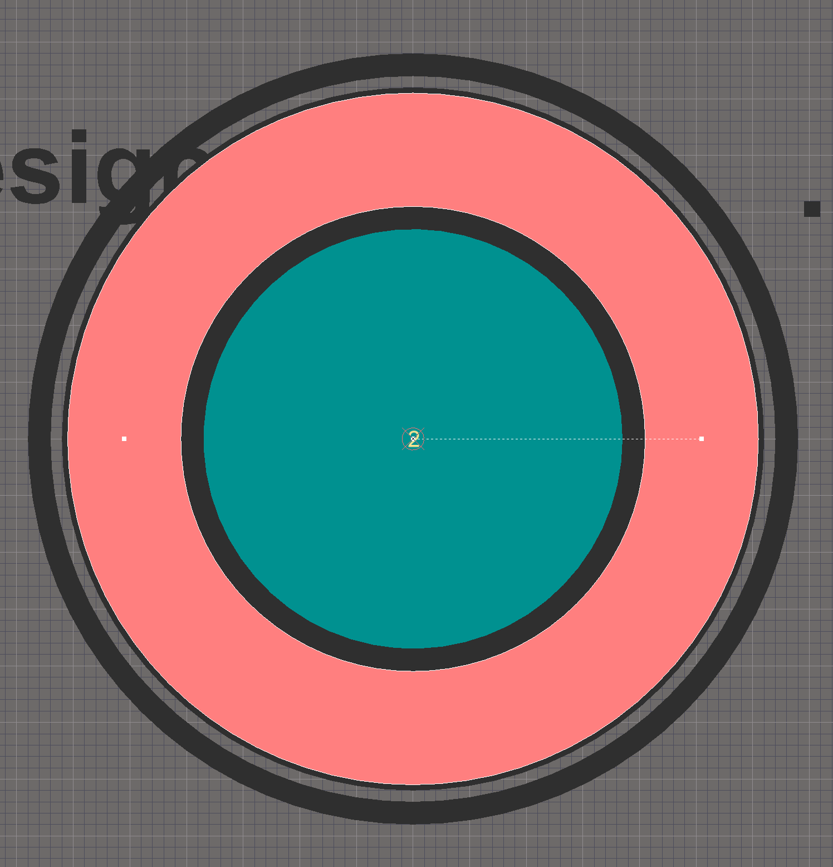
Annular OD | 6.1
Annular keep away from drill (ID) | 0.2
Drill (nominal) | 3.7

Annular ring pad parameters
Radius | 2.55
Width | 1

