NTBD Media Plan UPDATED
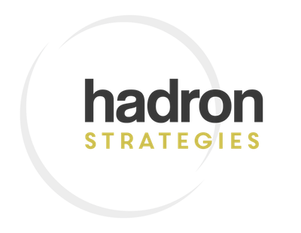

CLIENT | Context Strategies |  |  | DATE(S) | 05/20/22 - 5/31/22 (Or Black Out Date)
CAMPAIGN | RALI MAY 2022 |  |  | BUDGET | $18,000

STATE |  | CREATIVE | BUDGET
Colorado |  | Mental Health Month | $1,000.00
Massachusetts |  | Sen. Feingold | $6,000.00
 |  | Rep. Cusack
 |  | Sen. Crighton
Maine |  | Rep. Stewart | $1,000.00
New Jersey |  | Sen. Bramnick | $3,000.00
 |  | Sen. Johnson
 |  | Sen. Zwicker
New Hampshire |  | Sen. Soucy | $2,000.00
 |  | Sen. Bradley
 |  | Rep. Osborne
Oklahoma |  | Sen. Haste | $3,000.00
 |  | Sen. Garvin
 |  | Rep. Bashore
Washington |  | Sen. Muzzall | $2,000.00
 |  | Reo. Schmick
TOTAL |  |  | $18,000.00

