escenarioPrueba
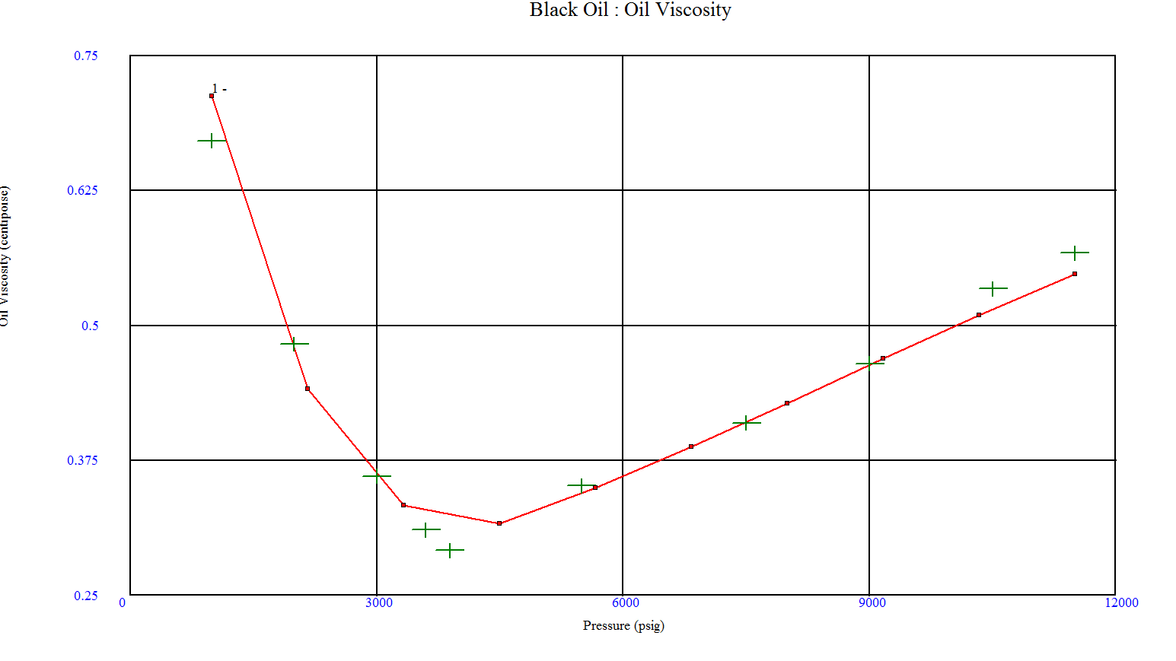
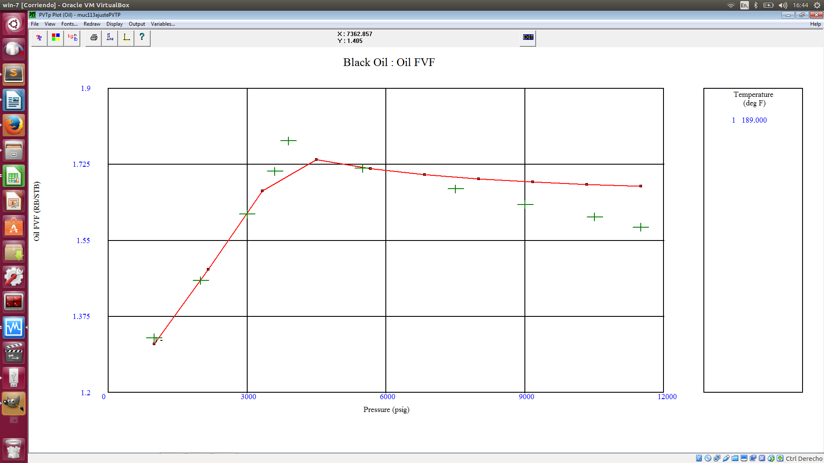
Pruebas Funcionales - Revision de codigo C++ Contra Similar PVTP

Datos de Entrada |  |  |  |  |  | Correlacion Pb, Rs, Bo
Relacion Gas - Crudo |  | 1121 | scf/STB |  |  | Glaso
Gravedad del Crudo |  | 26 | API |  |  | Standing
Gravedad del Gas |  | 0.7 | sg |  |  | Lasater
Salinidad del Agua |  | 15654 | ppm |  |  | Vazquez-Beggs
Contenido H2S |  | 1.2 | % |  |  | Petrosky
Contenido CO2 |  | 0.5 | %
Contenido N2 |  | 0.1 | % |  |  | Viscosidad del Crudo
Temp.de Separador |  | 100 | F |  |  | Beal et al
Pres. Separador |  | 20 | psig |  |  | Beggs et al
 |  |  |  |  |  | Petrosky |  | Stream :
Matriz de Calculo
temp min | 100 | F |  | Presion | Rs | Bo | Uo | Temperature | Pressure | Bubble Point | Gas Oil Ratio | Oil FVF | Oil Viscosity
temp max | 350 | F |  | psig | scf/STB | RB/STB | cp | (deg F) | (psig) | (psig) | (scf/STB) | (RB/STB) | (centipoise)
#Inter | 5 |  |  | 1000 | 287.701 | 1.32591 | 0.67126 | 189.00 | 1000.00 | 3891.88 | 263.99 | 1.31 | 0.71
 |  |  |  | 2000 | 521.132 | 1.45799 | 0.48274 | 189.00 | 2000.00 | 3891.88 | 545.04 | 1.46 | 0.46
pres. min | 100 | psig |  | 3000 | 801.125 | 1.61047 | 0.36049 | 189.00 | 3000.00 | 3891.88 | 840.06 | 1.61 | 0.36
pres. max | 15000 | psig |  | 3602.9 | 982.957 | 1.70942 | 0.31097 | 189 | 3602.9 | 3891.88 | 1022.68 | 1.70641 | 0.31729
#Inter | 40 |  |  | 3891.81 | 1121 | 1.77922 | 0.29139 | 189 | 3891.81 | 3891.88 | 1110 | 1.75245 | 0.302194
 |  |  |  | 5500 | 1121 | 1.71573 | 0.35165 | 189 | 5500 | 3891.88 | 1110 | 1.71776 | 0.344888
 |  |  |  | 7500 | 1121 | 1.66876 | 0.40976 | 189 | 7500 | 3891.88 | 1110 | 1.6957 | 0.410354
 |  |  |  | 9000 | 1121 | 1.63281 | 0.46485 | 189 | 9000 | 3891.88 | 1110 | 1.68567 | 0.463242
 |  |  |  | 10500 | 1121 | 1.60415 | 0.5341 | 189 | 10500 | 3891.88 | 1110 | 1.67854 | 0.51531
 |  |  |  | 11500 | 1121 | 1.58063 | 0.5671 | 189 | 11500 | 3891.88 | 1110 | 1.67483 | 0.547945
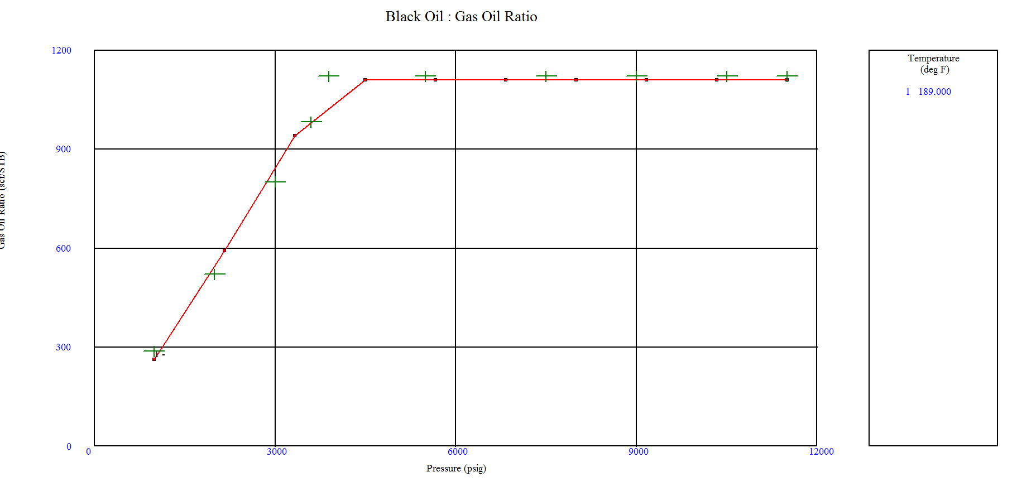
 |  |  |  |  |  |  |  | ------------------- End -------------------

Escenario zen 1
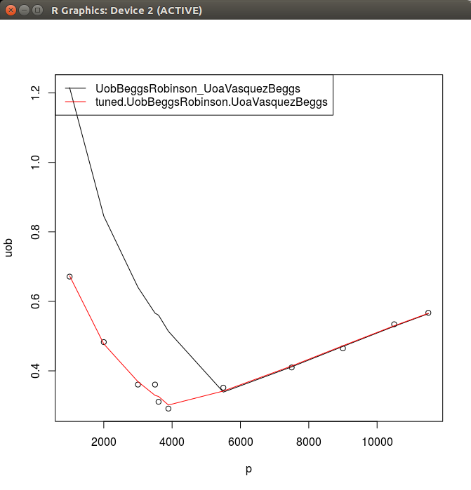
PbVasquezBeggs |  |  |  |  | BobVasquezBeggs |  |  | BoaVasquezBeggs
 | c | m |  |  |  | c | m | c | m
 | 24.597553 | 1.812277 |  |  |  | -0.395214 | 1.442216 | -2.463948 | 2.391205
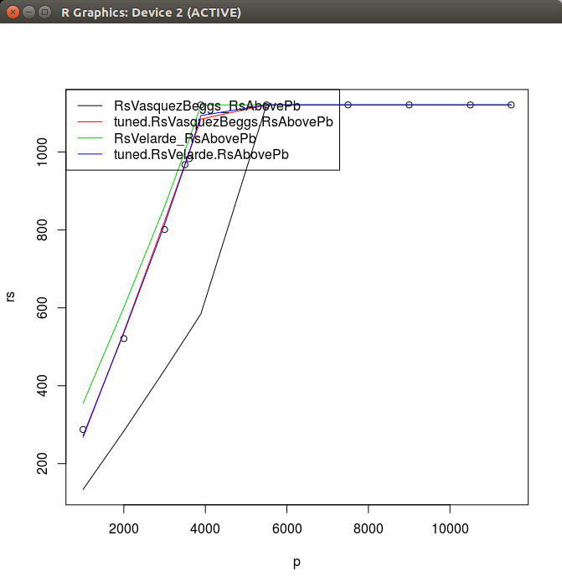
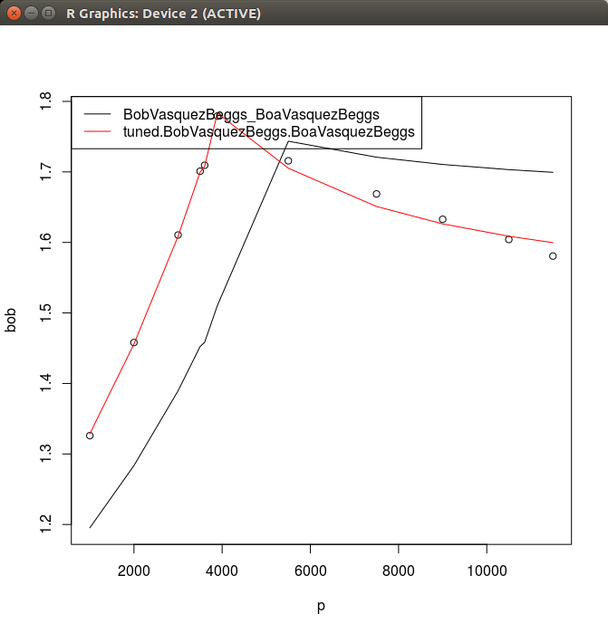

UobBeggsRobinson |  |  | UoaVasquezBeggs
 | c | m | c | m
 | 0.02939 | 0.53 | 0.006047 | 0.991407
UodNaseri

