cover
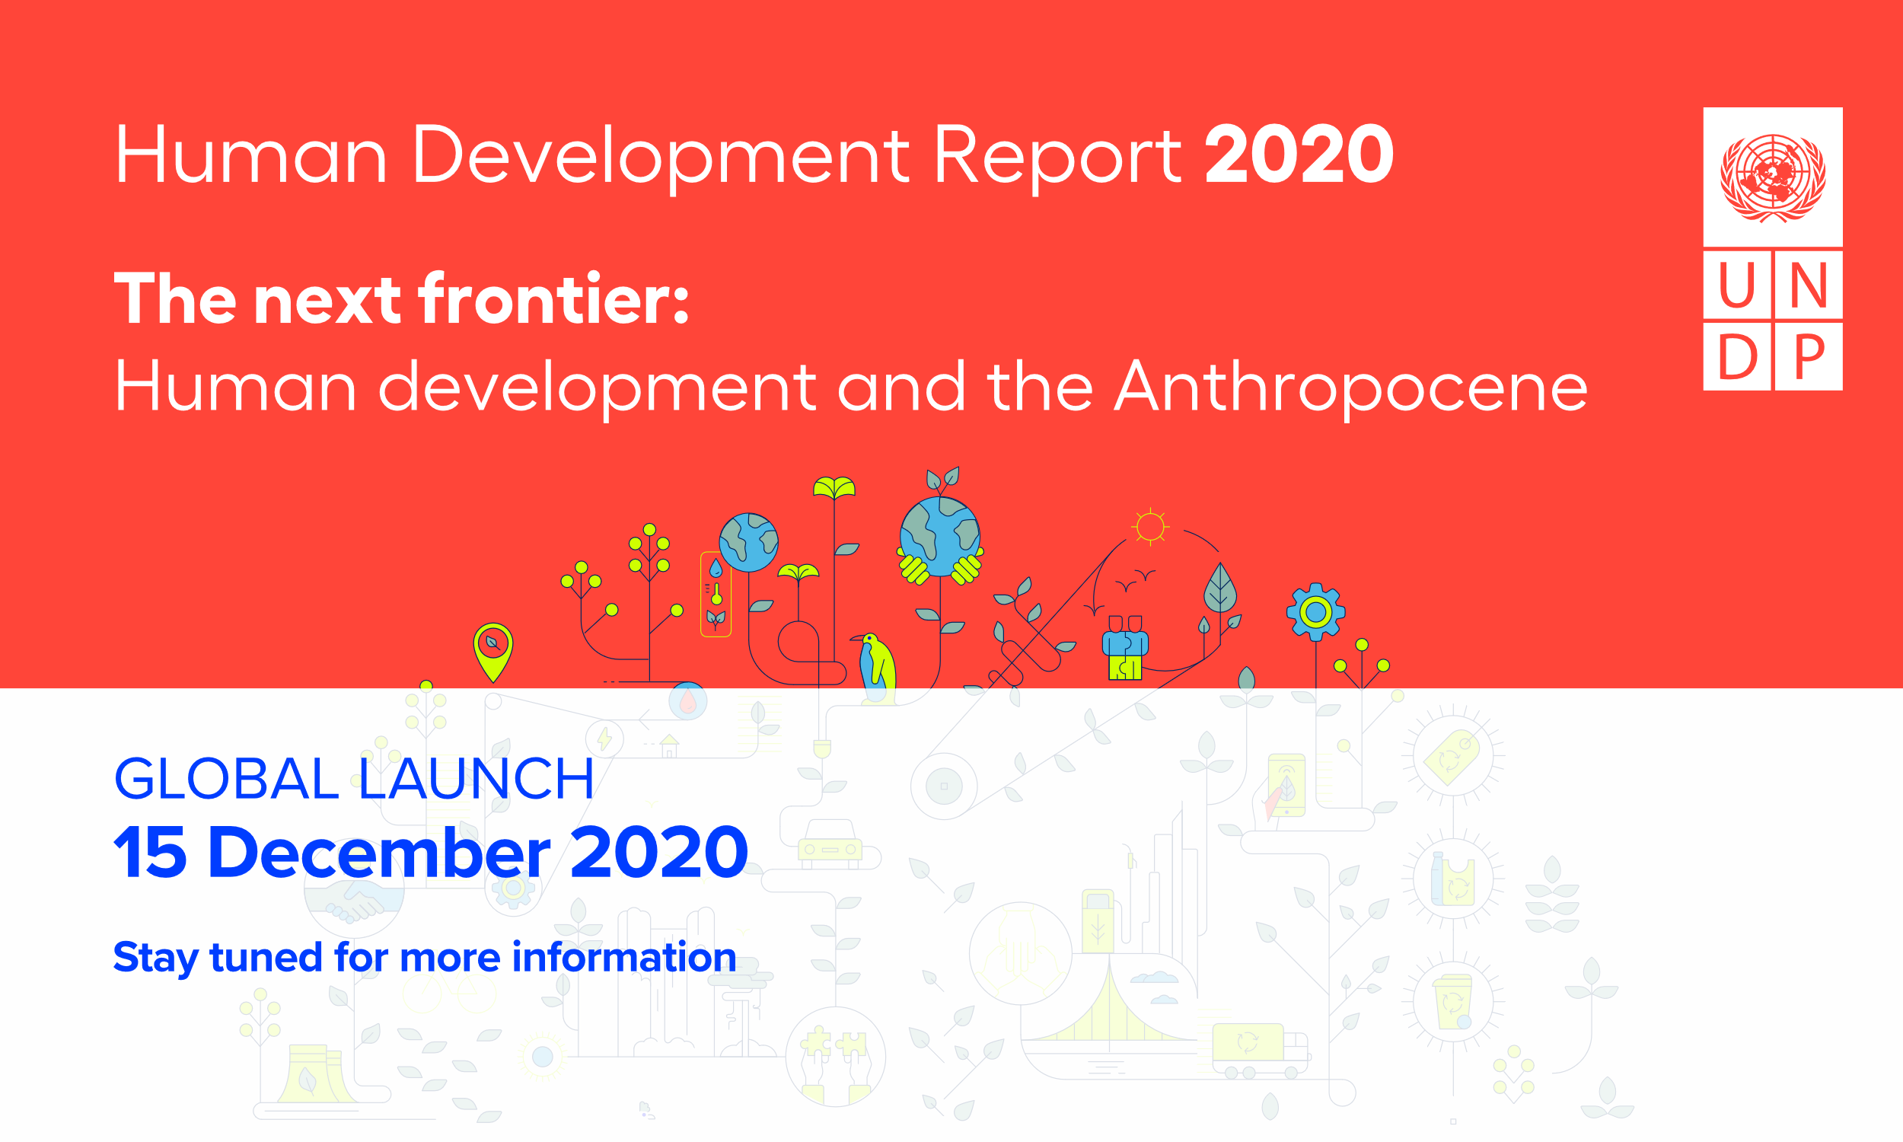

Statistical tables

Human development composite indices
Table 1. Human Development Index and its components
Table 2. Human Development Index trends, 1990–2019
Table 3. Inequality-adjusted Human Development Index
Table 4. Gender Development Index
Table 5. Gender Inequality Index
Table 6. Multidimensional Poverty Index: developing countries

Human development indicators
Table 7. Population trends
Table 8. Health outcomes
Table 9. Education achievements
Table 10. National income and composition of resources
Table 11. Work and employment
Table 12. Human security
Table 13. Human and capital mobility
Table 14. Supplementary indicators: perceptions of well-being
Table 15. Status of fundamental human rights treaties

Human development dashboards
Dashboard 1. Quality of human development
Dashboard 2. Life-course gender gap
Dashboard 3. Women’s empowerment
Dashboard 4. Environmental sustainability
Dashboard 5. Socioeconomic sustainability

Statistical references

