Sheet2
323337, IR = 0.92, 승률 = 78.1%
12/30/2008 | 2%
1/30/2009 | -2%
2/27/2009 | 1%
3/31/2009 | 3%
4/30/2009 | 4%
5/29/2009 | 0%
6/30/2009 | -5%
7/31/2009 | -7%
8/31/2009 | -6%
9/30/2009 | -11%
10/30/2009 | -12%
11/30/2009 | -15%
12/30/2009 | -11%
1/29/2010 | -8%
2/26/2010 | -15%
3/31/2010 | -14%
4/30/2010 | -11%
5/31/2010 | -4%
6/30/2010 | -3%
7/30/2010 | -3%
8/31/2010 | -7%
9/30/2010 | -1%
10/29/2010 | 6%
11/30/2010 | 6%
12/30/2010 | 3%
1/31/2011 | 3%
2/28/2011 | -1%
3/31/2011 | -4%
4/29/2011 | -8%
5/31/2011 | -12%
6/30/2011 | -9%
7/29/2011 | 2%
8/31/2011 | 7%
9/30/2011 | 4%
10/31/2011 | -5%
11/30/2011 | 0%
12/29/2011 | 3%
1/31/2012 | 1%
2/29/2012 | 2%
3/30/2012 | 5%
4/30/2012 | 8%
5/31/2012 | 8%
6/29/2012 | 10%
7/31/2012 | 5%
8/31/2012 | 6%
9/28/2012 | 11%
10/31/2012 | 18%
11/30/2012 | 14%
12/28/2012 | 12%
1/31/2013 | 20%
...
...
 |  | 2008-12-30 | 2009-01-30 | 2009-02-27 | 2009-03-31 | 2009-04-30 | 2009-05-29 | 2009-06-30 | 2009-07-31 | 2009-08-31 | 2009-09-30 | 2009-10-30 | 2009-11-30 | 2009-12-30 | 2010-01-29 | 2010-02-26
 | 2007-12-28 | 2008-01-31 | 2008-02-29 | 2008-03-31 | 2008-04-30 | 2008-05-30 | 2008-06-30 | 2008-07-31 | 2008-08-29 | 2008-09-30 | 2008-10-31 | 2008-11-28 | 2008-12-30 | 2009-01-30 | 2009-02-27 | 2009-03-31
종가지수 | 1,897.13 | 1,624.68 | 1,711.62 | 1,703.99 | 1,825.47 | 1,852.02 | 1,674.92 | 1,594.67 | 1,474.24 | 1,448.06 | 1,113.06 | 1,076.07 | 1,124.47 | 1,162.11 | 1,063.03 | 1,206.26
 | 코스피 | 0.85638833396 | 1.0535120762 | 0.99554223484 | 1.0712914982 | 1.0145441996 | 0.90437468278 | 0.95208726387 | 0.92447967291 | 0.98224169742 | 0.76865599492 | 0.96676729017 | 1.0449784865 | 1.0334735475 | 0.91474128955 | 1.1347374956
 | 코스피12누적 | 0.59272163742 | 0.7152854716 | 0.62106659188 | 0.70790321539 | 0.75014105956 | 0.75371216294 | 0.82993217587 | 0.97655941355 | 1.0797766985 | 1.1554355483 | 1.4201300918 | 1.4456308604 | 1.4965005736 | 1.3788970063 | 1.5000329248
 | 25p | 0.88348175706 | 1.0629830626 | 0.97512590819 | 1.0454029989 | 1.0506987992 | 0.95289987163 | 0.92350553301 | 0.92420369151 | 0.9779664743 | 0.76546190081 | 0.98510929704 | 1.022037105 | 0.99868208877 | 0.96626640475 | 1.134263494
 | 누적 | 0.61659457628 | 0.69699453831 | 0.63357774018 | 0.7369757026 | 0.79136307728 | 0.75544572322 | 0.7809855134 | 0.90446553742 | 1.0240308472 | 1.0471667018 | 1.3029963814 | 1.2930846734 | 1.3854115606 | 1.2996499752 | 1.3500062578
 | 차이 | 2% | -2% | 1% | 3% | 4% | 0% | -5% | -7% | -6% | -11% | -12% | -15% | -11% | -8% | -15%
 |  | 74.3%

 | 0 | 1900-01-01 | 1900-01-02 | 1900-01-03 | 1900-01-04 | 1900-01-05 | 1900-01-06 | 1900-01-07 | 1900-01-08 | 1900-01-09 | 1900-01-10 | 1900-01-11 | 1900-01-12 | 1900-01-13 | 1900-01-14 | 1900-01-15
0 | 0.92912807569 | 1.0551630906 | 1.1243086887 | 1.0133277611 | 0.89728131243 | 1.0210099962 | 0.90271228151 | 1.1154315767 | 1.2382289185 | 1.0773095328 | 1.1148674179 | 1.1032952745 | 1.1028513174 | 0.92144489421 | 0.91134951596 | 0.94552684337

 | 2008-12-30 | 2009-01-30 | 2009-02-27 | 2009-03-31 | 2009-04-30 | 2009-05-29 | 2009-06-30 | 2009-07-31 | 2009-08-31 | 2009-09-30 | 2009-10-30 | 2009-11-30 | 2009-12-30 | 2010-01-29 | 2010-02-26 | 2010-03-31

1
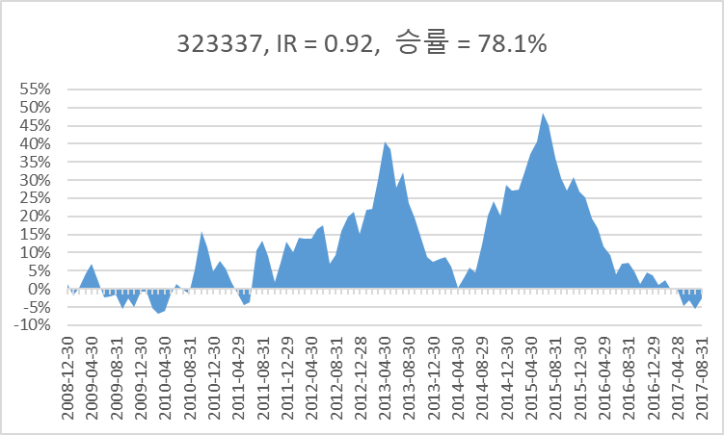
...
32 | raw_data['1/pbr']=raw_data['EQUITY']/raw_data['MARKET_CAP']
36 | raw_data['roa']=raw_data['NI']/raw_data['ASSET']
37 | raw_data['sales_cap']=raw_data['SALES']/raw_data['MARKET_CAP']
38 | raw_data['gpro_cap']=raw_data['GROSS_PROFIT']/raw_data['MARKET_CAP']
39 | raw_data['opro_cap']=raw_data['OPE_PROFIT']/raw_data['MARKET_CAP'] # 이놈 시총제한 있고 없고 차이 심한데
40 | raw_data['sales_cap_ttm']=raw_data['SALES_TTM']/raw_data['MARKET_CAP']
41 | raw_data['opro_cap_ttm']=raw_data['OPE_PROFIT_TTM']/raw_data['MARKET_CAP']
42 | raw_data['1/trd_value']=raw_data['MARKET_CAP'] /raw_data['TRD_VALUE_60D_MEAN']
43 | raw_data['1/vol'] = 1/raw_data['STD_52WEEK']
44 | raw_data['1/beta'] = 1/raw_data['BEDA_52WEEK_D']

