报告相关
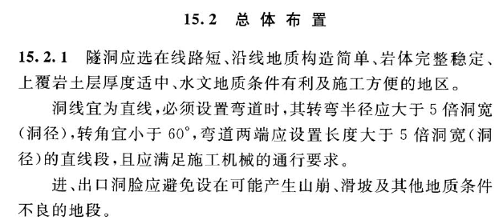

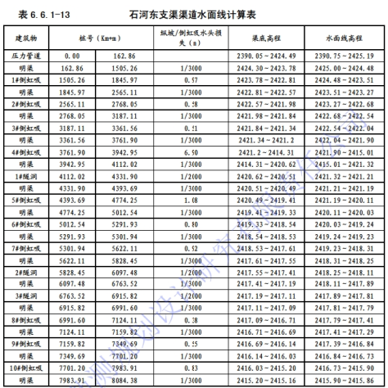

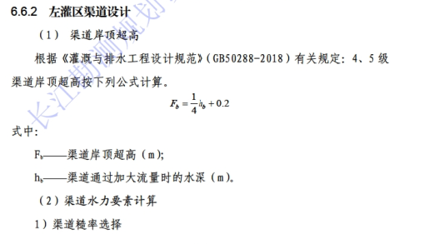
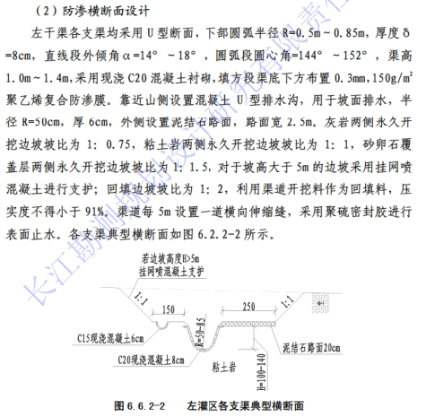

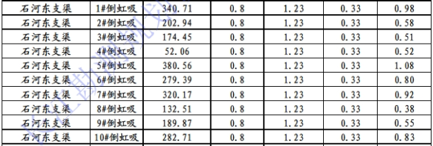

断面设计
支渠名称 | 断面形式 | 渠高（m） | 圆弧段半径R（m） | 直线段外倾角α | 圆弧段圆心角（°）
石河东支渠 | U型断面 | 1.2 | 0.8 | 14 | 152

设计流量明渠
明渠断面设计
流量段 | 设计水深 | 底宽 | 边坡 | 面积 | 湿周 | 水力半径 | 糙率 | 1/底坡 | 计算流量差 | 设计流速 | 设计流量 |  |  | 渠道超高 | 计算高度 | 实际高度
 | h | b | m | W | X | R | n | 1/I | Q | V | Q |  |  | Fb | H' | H
 | m | m |  | m2 | m |  |  |  | m3/s | m/s | m3/s |  |  | m | m | m
一 | 0.610 | 1.552 | 0.249 | 0.705 | 2.13 | 0.33 | 0.015 | 3000 | 0.00 | 0.58 | 0.41 |  |  | 0.38 | 1.08 | 1.2

加大流量明渠
流量段 | 加大水深 | 底宽 | 边坡 | 面积 | 湿周 | 水力半径 | 糙率 | 1/底坡 | 计算流量差 | 设计流速 | 加大流量
 | h | b | m | W | X | R | n | 1/I | Q | V | Q |  |  | 水面宽 | 转弯半径
 | m | m |  | m2 | m |  |  |  | m3/s | m/s | m3/s |  |  | m | m
一 | 0.705 | 1.552 | 0.249 | 0.854 | 2.33 | 0.37 | 0.015 | 3000 | 0.00 | 0.62 | 0.53 |  |  | 1.60 | 5
梯形渠断面设计
流量段 | 设计水深 | 底宽 | 边坡 | 面积 | 湿周 | 水力半径 | 糙率 | 1/底坡 | 计算流量差 | 设计流速 | 设计流量
设计流量梯形渠
 | h | b | m | W | X | R | n | 1/I | Q | V | Q |  |  | 水面宽 | 转弯半径
 | m | m |  | m2 | m |  |  |  | m3/s | m/s | m3/s |  |  | m | m
一 | 0.599 | 0.900 | 0.500 | 0.719 | 2.24 | 0.32 | 0.015 | 3000 | 0.00 | 0.57 | 0.41 |  |  | 1.50 | 4
 | 0.589 | 1.200 | 0.000 | 0.706 | 2.38 | 0.30 | 0.014 | 3000 | 0.00 | 0.58 | 0.41 |  |  | 1.20 | 3
 | 0.602 | 0.500 | 1.200 | 0.737 | 2.38 | 0.31 | 0.015 | 3000 | 0.00 | 0.56 | 0.41 |  |  | 1.95 | 5

加大流量梯形渠
流量段 | 设计水深 | 底宽 | 边坡 | 面积 | 湿周 | 水力半径 | 糙率 | 1/底坡 | 计算流量差 | 设计流速 | 设计流量 |  |  | 渠道超高 | 计算高度 | 实际高度
 | h | b | m | W | X | R | n | 1/I | Q | V | Q |  |  | Fb | H' | H
 | m | m |  | m2 | m |  |  |  | m3/s | m/s | m3/s |  |  | m | m | m
一 | 0.699 | 0.900 | 0.500 | 0.874 | 2.46 | 0.35 | 0.015 | 3000 | 0.00 | 0.61 | 0.53 |  |  | 0.37 | 1.07 | 1.1
 | 0.719 | 1.200 | 0.000 | 0.863 | 2.64 | 0.33 | 0.014 | 3000 | 0.00 | 0.62 | 0.53 |  |  | 0.38 | 1.10 | 1.1
 | 0.681 | 0.500 | 1.200 | 0.897 | 2.63 | 0.34 | 0.015 | 3000 | 0.00 | 0.59 | 0.53 |  |  | 0.37 | 1.05 | 1.1
设计流量隧洞
三隧洞断面设计
流量段 | 设计水深 | 底宽 | 洞高 | 拱半径 | 直墙高 | 圆心以下高度 | 圆心以上直墙高 | 弧度 | 面积 | 湿周 | 水力半径 | 糙率 | 1/底坡 | 计算流量差 | 流速 | 洞身面积 | 净空 | 设计流量 | 高宽比 | 净空高度 |  | 转弯半径 |  |  | 隧洞渐变段
 | h | b |  | R |  |  |  |  | W | X | R | n | 1/I | Q | V |  | >15% |  | 1~1.5 | >0.4m |  | m | 3 | 5
 | m | m | m | m | m | m | m |  | m2 | m |  |  |  | m3/s | m/s | m2 |  | m3/s |  | m |  |  | 2 | 3 | 4
一 | 0.547 | 1.80 | 2.40 | 1.04 | 1.88 | 1.36 | 0.52 | -1.422 | 0.99 | 2.89 | 0.34 | 0.014 | 7000 | 0.00 | 0.42 | 4.05 | 75.7% | 0.41 | 1.33 | 1.85 |  | 9

流量段 | 设计水深 | 底宽 | 洞高 | 拱半径 | 直墙高 | 圆心以下高度 | 圆心以上高度 | 弧度 | 面积 | 湿周 | 水力半径 | 糙率 | 1/底坡 | 计算流量差 | 流速 | 洞身面积 | 净空 | 加大流量 | 高宽比 | 净空高度
 | h | b |  | R |  |  |  |  | W | X | R | n | 1/I | Q | V
 | m | m | m | m | m | m | m |  | m2 | m |  |  |  | m3/s | m/s | m2 |  | m3/s |  | m
一 | 0.660 | 1.80 | 2.40 | 1.04 | 1.88 | 1.36 | 0.52 | -1.263 | 1.19 | 3.12 | 0.38 | 0.014 | 7000 | 0.00 | 0.45 | 4.05 | 70.6% | 0.53 | 1.33 | 1.74
加大流量隧洞
流量隧洞
渡槽

设计流量渡槽
流量段 | 设计水深 | 半径 | 面积 | 水力半径 | 糙率 | 1/底坡 | 流量/差 | 流速 | 槽深 | 高宽比 | f/R0 | 计算流量差 | 设计流量 | 水面宽度 |  |  | 转弯半径 |  |  |  | 渡槽渐变段
 | h | R | W | R | n | 1/I | Q | V | 0.61 | 0.7~0.9 |  | m3/s |  | m |  |  | m | 11 | 18 | 8
一 | 0.471 | 0.70 | 0.45 | 0.26 | 0.014 | 1000 | 0.41 | 0.91 | 1.40 | 1.00 | 1.00 | 0.00 | 0.41 | 1.32 |  |  |  | 1 | 0 | 1 | 5
 |  |  |  |  |  |  |  |  |  |  |  |  |  |  |  |  | 7
加大流量渡槽
流量段 | 设计水深 | 半径 | 面积 | 水力半径 | 糙率 | 1/底坡 | 流量/差 | 流速 | 槽深 | 高宽比 | f/R0 | 计算流量差 | 加大流量 | 水面宽度
 | h | R | W | R | n | 1/I | Q | V | 0.68 |  |  | m3/s |  | m
一 | 0.537 | 0.70 | 0.54 | 0.29 | 0.014 | 1000 | 0.53 | 0.99 | 1.40 | 1.00 | 1.00 | 0.00 | 0.53 | 1.36

