Alarm Report 예시
 |  |  | Member | Manager | Department | Executive

Date | $DateTime
Name | $Name
Line | $Line | Analysis
Machine | $Machine
Point | $Point
Measure | $Measure
Alarm
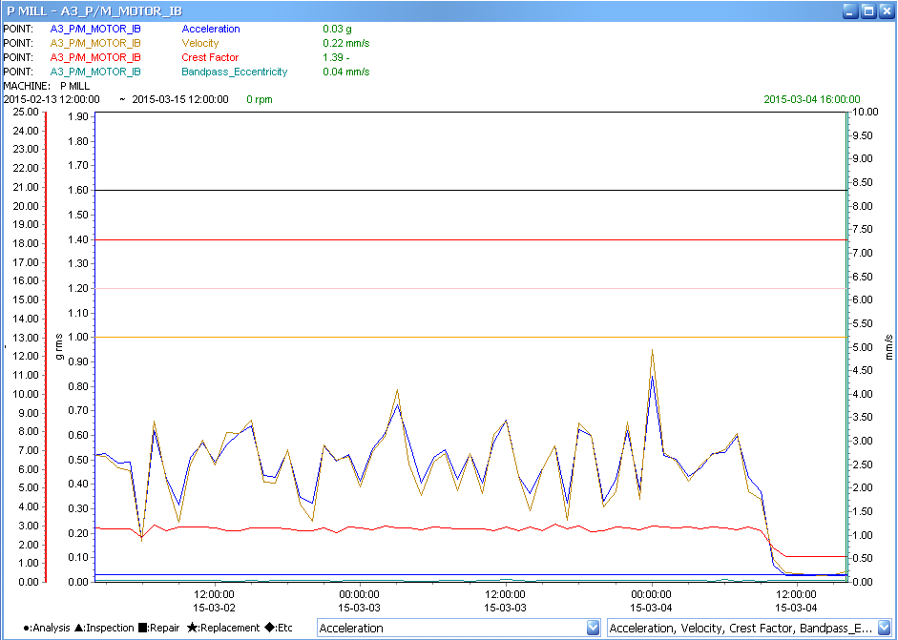
$PlotImage

