分箱图
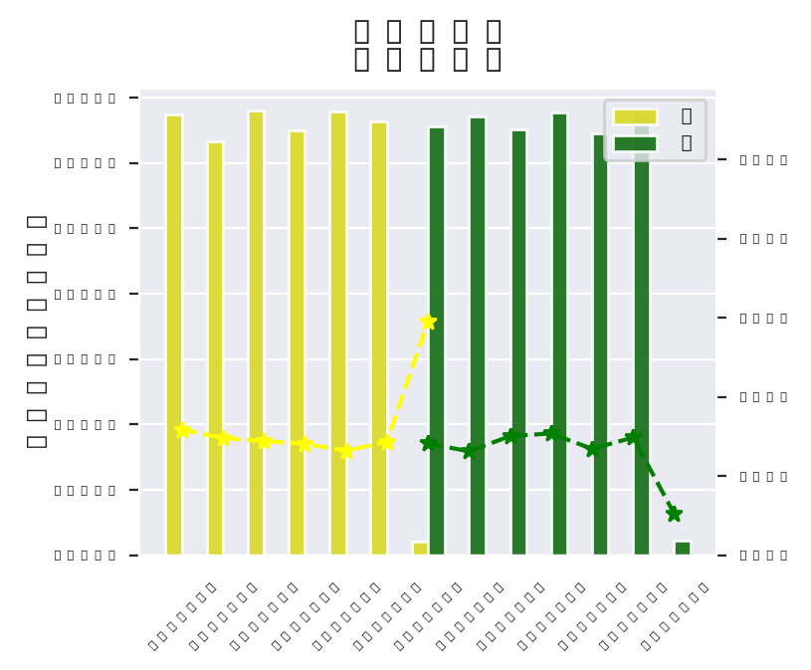
/home/lsy/Project/model_vision/.model_profile/Lgt2021_0716_1046_1626403560/b_png/month&month.png

