分箱图
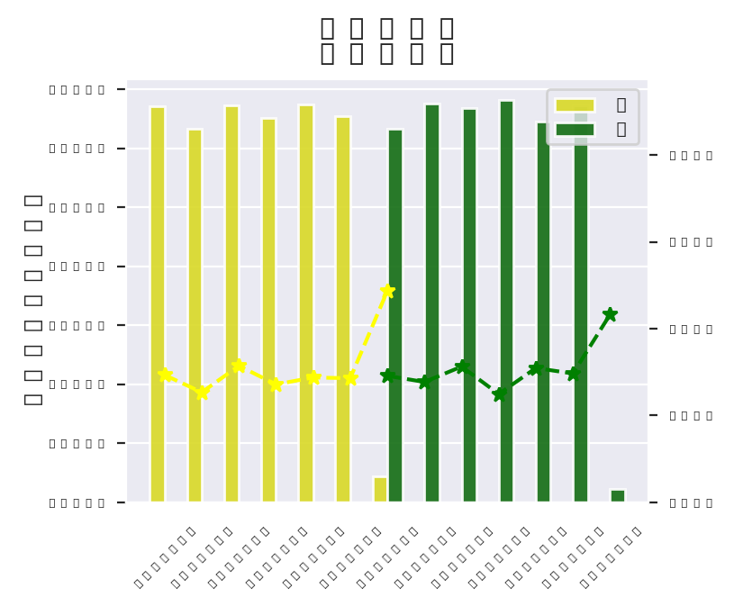
/home/lsy/Project/model_vision/.model_profile/Lgt2021_0716_1052_1626403923/b_png/card_cm_bank60m_pct&card_cm_bank60m_pct.png | /home/lsy/Project/model_vision/.model_profile/Lgt2021_0716_1052_1626403923/b_png/card_cm_bank24m_pct&card_cm_bank24m_pct.png | /home/lsy/Project/model_vision/.model_profile/Lgt2021_0716_1052_1626403923/b_png/card_cm_bank12m_pct&card_cm_bank12m_pct.png
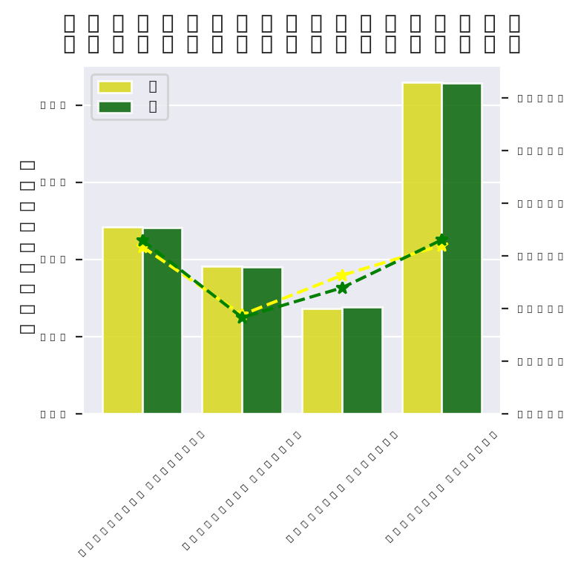 | 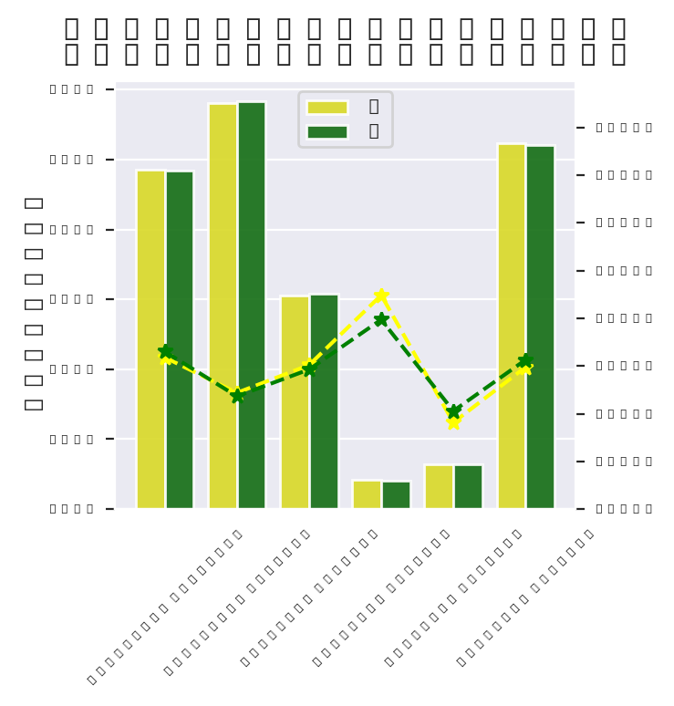 | 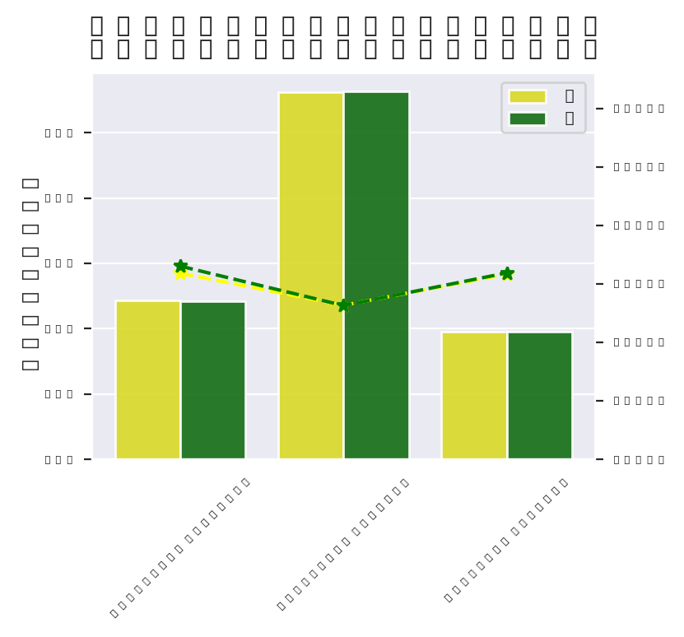
/home/lsy/Project/model_vision/.model_profile/Lgt2021_0716_1052_1626403923/b_png/month&month.png

