wf_rbs
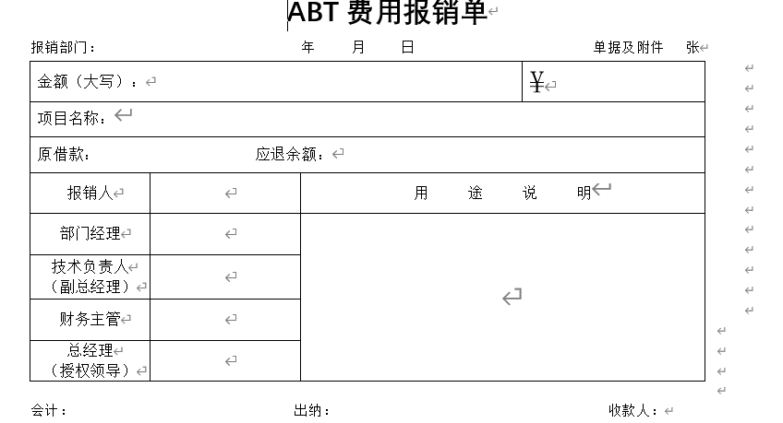
表名 | wf_rbs
实体对象 | Reimburse
表字段 | 对象 | 属性 | 说明 | Java类型 | 是否唯一 | Java Prop&Col | Java prop | rowMapper | table-col
id | Reimburse | id | id，审批编号，唯一 | String |  | @Column(name="id", columnDefinition="VARCHAR(128)") | private String id; | form.setId(rs.getString("id")); | <el-table-column sortable show-overflow-tooltip prop="id" label="id，审批编号，唯一" min-width="100px"> </el-table-column> | <el-form-item label="id，审批编号，唯一" prop="id" required ><el-input v-model="applyForm.id" ></el-input></el-form-item> | <el-descriptions-item label="id，审批编号，唯一"> </el-descriptions-item>
cost | Reimburse | cost | 报销费用 | Double |  | @Column(name="id", columnDefinition="VARCHAR(128)") | private Double cost; | form.setCost | <el-table-column sortable show-overflow-tooltip prop="cost" label="报销费用" min-width="100px"> </el-table-column> | <el-form-item label="报销费用" prop="cost" required ><el-input v-model="applyForm.cost" ></el-input></el-form-item> | <el-descriptions-item label="报销费用"> </el-descriptions-item>
reserve_loan | Reimburse | reserveLoan | 借出的准备金金额，如果没有借准备金则不用填写 | Double |  | @Column(name="id", columnDefinition="VARCHAR(128)") | private Double reserveLoan; | form.setReserveLoan | <el-table-column sortable show-overflow-tooltip prop="reserveLoan" label="借出的准备金金额，如果没有借准备金则不用填写" min-width="100px"> </el-table-column> | <el-form-item label="借出的准备金金额，如果没有借准备金则不用填写" prop="reserveLoan" required ><el-input v-model="applyForm.reserveLoan" ></el-input></el-form-item> | <el-descriptions-item label="借出的准备金金额，如果没有借准备金则不用填写"> </el-descriptions-item>
reserve_refund | Reimburse | reserveRefund | 应退准备金，如果没有借准备金则不用填写 | Double |  | @Column(name="id", columnDefinition="VARCHAR(128)") | private Double reserveRefund; | form.setReserveRefund | <el-table-column sortable show-overflow-tooltip prop="reserveRefund" label="应退准备金，如果没有借准备金则不用填写" min-width="100px"> </el-table-column> | <el-form-item label="应退准备金，如果没有借准备金则不用填写" prop="reserveRefund" required ><el-input v-model="applyForm.reserveRefund" ></el-input></el-form-item> | <el-descriptions-item label="应退准备金，如果没有借准备金则不用填写"> </el-descriptions-item>
voucher_num | Reimburse | voucherNum | 附件数量 | int |  | @Column(name="voucher_num", columnDefinition="TINYINT") | private int voucherNum; | form.setVoucherNum(rs.getInt("voucher_num")); | <el-table-column sortable show-overflow-tooltip prop="voucherNum" label="附件数量" min-width="100px"> </el-table-column> | <el-form-item label="附件数量" prop="voucherNum" required ><el-input v-model="applyForm.voucherNum" ></el-input></el-form-item> | <el-descriptions-item label="附件数量"> </el-descriptions-item>
rbs_date | Reimburse | rbsDate | 报销日期 | LocalDate |  | @Column(name="rbs_date") @JsonFormat(pattern = "yyyy-MM-dd", timezone = "GMT+8") @DateTimeFormat(pattern = "yyyy-MM-dd") | private LocalDate rbsDate; | form.setRbsDate(TimeUtil.from(rs.getDate("rbs_date"))); | <el-table-column sortable show-overflow-tooltip prop="rbsDate" label="报销日期" min-width="100px"> </el-table-column> | <el-form-item label="报销日期" prop="rbsDate" required ><el-input v-model="applyForm.rbsDate" ></el-input></el-form-item> | <el-descriptions-item label="报销日期"> </el-descriptions-item>
reason_ | Reimburse | reason | 报销事由 | String |  | @Column(name="reason_", columnDefinition="VARCHAR(128)") | private String reason; | form.setReason(rs.getString("reason_")); | <el-table-column sortable show-overflow-tooltip prop="reason" label="报销事由" min-width="100px"> </el-table-column> | <el-form-item label="报销事由" prop="reason" required ><el-input v-model="applyForm.reason" ></el-input></el-form-item> | <el-descriptions-item label="报销事由"> </el-descriptions-item>
company | Reimburse | company | 业务归属 | String |  | @Column(name="company", columnDefinition="VARCHAR(128)") | private String company; | form.setCompany(rs.getString("company")); | <el-table-column sortable show-overflow-tooltip prop="company" label="业务归属" min-width="100px"> </el-table-column> | <el-form-item label="业务归属" prop="company" required ><el-input v-model="applyForm.company" ></el-input></el-form-item> | <el-descriptions-item label="业务归属"> </el-descriptions-item>
dept_id | Reimburse | departmentId |  | String |  | @Column(name="dept_id", columnDefinition="VARCHAR(128)") | private String departmentId; | form.setDepartmentId(rs.getString("dept_id")); | <el-table-column sortable show-overflow-tooltip prop="departmentId" label="" min-width="100px"> </el-table-column> | <el-form-item label="" prop="departmentId" required ><el-input v-model="applyForm.departmentId" ></el-input></el-form-item> | <el-descriptions-item label=""> </el-descriptions-item>
dept_name | Reimburse | departmentName |  | String |  | @Column(name="dept_name", columnDefinition="VARCHAR(128)") | private String departmentName; | form.setDepartmentName(rs.getString("dept_name")); | <el-table-column sortable show-overflow-tooltip prop="departmentName" label="" min-width="100px"> </el-table-column> | <el-form-item label="" prop="departmentName" required ><el-input v-model="applyForm.departmentName" ></el-input></el-form-item> | <el-descriptions-item label=""> </el-descriptions-item>
team_id | Reimburse | teamId |  | String |  | @Column(name="team_id", columnDefinition="VARCHAR(128)") | private String teamId; | form.setTeamId(rs.getString("team_id")); | <el-table-column sortable show-overflow-tooltip prop="teamId" label="" min-width="100px"> </el-table-column> | <el-form-item label="" prop="teamId" required ><el-input v-model="applyForm.teamId" ></el-input></el-form-item> | <el-descriptions-item label=""> </el-descriptions-item>
team_name | Reimburse | teamName |  | String |  | @Column(name="team_name", columnDefinition="VARCHAR(128)") | private String teamName; | form.setTeamName(rs.getString("team_name")); | <el-table-column sortable show-overflow-tooltip prop="teamName" label="" min-width="100px"> </el-table-column> | <el-form-item label="" prop="teamName" required ><el-input v-model="applyForm.teamName" ></el-input></el-form-item> | <el-descriptions-item label=""> </el-descriptions-item>
project | Reimburse | project | 项目 | String |  | @Column(name="project", columnDefinition="VARCHAR(128)") | private String project; | form.setProject(rs.getString("project")); | <el-table-column sortable show-overflow-tooltip prop="project" label="项目" min-width="100px"> </el-table-column> | <el-form-item label="项目" prop="project" required ><el-input v-model="applyForm.project" ></el-input></el-form-item> | <el-descriptions-item label="项目"> </el-descriptions-item>
srv_name | Reimburse | serviceName |  | String |  | @Column(name="srv_name", columnDefinition="VARCHAR(128)") | private String serviceName; | form.setServiceName(rs.getString("srv_name")); | <el-table-column sortable show-overflow-tooltip prop="serviceName" label="" min-width="100px"> </el-table-column> | <el-form-item label="" prop="serviceName" required ><el-input v-model="applyForm.serviceName" ></el-input></el-form-item> | <el-descriptions-item label=""> </el-descriptions-item>
pdf_file | Reimburse-WorkFlowBase | pdfFileList |  | String |  | @Column(name="pdf_file", columnDefinition="VARCHAR(128)") | private String pdfFileList; | form.setPdfFileList(rs.getString("pdf_file")); | <el-table-column sortable show-overflow-tooltip prop="pdfFileList" label="" min-width="100px"> </el-table-column> | <el-form-item label="" prop="pdfFileList" required ><el-input v-model="applyForm.pdfFileList" ></el-input></el-form-item> | <el-descriptions-item label=""> </el-descriptions-item>
other_file | Reimburse-WorkFlowBase | otherFileList |  | String |  | @Column(name="other_file", columnDefinition="VARCHAR(128)") | private String otherFileList; | form.setOtherFileList(rs.getString("other_file")); | <el-table-column sortable show-overflow-tooltip prop="otherFileList" label="" min-width="100px"> </el-table-column> | <el-form-item label="" prop="otherFileList" required ><el-input v-model="applyForm.otherFileList" ></el-input></el-form-item> | <el-descriptions-item label=""> </el-descriptions-item>
biz_state | Reimburse-WorkFlowBase | businessState |  | String |  | @Column(name="biz_state", columnDefinition="VARCHAR(128)") | private String businessState; | form.setBusinessState(rs.getString("biz_state")); | <el-table-column sortable show-overflow-tooltip prop="businessState" label="" min-width="100px"> </el-table-column> | <el-form-item label="" prop="businessState" required ><el-input v-model="applyForm.businessState" ></el-input></el-form-item> | <el-descriptions-item label=""> </el-descriptions-item>
proc_state | Reimburse-WorkFlowBase | processState |  | String |  | @Column(name="proc_state", columnDefinition="VARCHAR(128)") | private String processState; | form.setProcessState(rs.getString("proc_state")); | <el-table-column sortable show-overflow-tooltip prop="processState" label="" min-width="100px"> </el-table-column> | <el-form-item label="" prop="processState" required ><el-input v-model="applyForm.processState" ></el-input></el-form-item> | <el-descriptions-item label=""> </el-descriptions-item>
is_finished | Reimburse-WorkFlowBase | isFinished |  | boolean |  | @Column(name="proc_state", columnDefinition="VARCHAR(128)") | private boolean isFinished; | form.setIsFinished | <el-table-column sortable show-overflow-tooltip prop="isFinished" label="" min-width="100px"> </el-table-column> | <el-form-item label="" prop="isFinished" required ><el-input v-model="applyForm.isFinished" ></el-input></el-form-item> | <el-descriptions-item label=""> </el-descriptions-item>
is_leader | Reimburse-WorkFlowBase | isLeader |  | boolean |  | @Column(name="proc_state", columnDefinition="VARCHAR(128)") | private boolean isLeader; | form.setIsLeader | <el-table-column sortable show-overflow-tooltip prop="isLeader" label="" min-width="100px"> </el-table-column> | <el-form-item label="" prop="isLeader" required ><el-input v-model="applyForm.isLeader" ></el-input></el-form-item> | <el-descriptions-item label=""> </el-descriptions-item>
copy | Reimburse-WorkFlowBase | copy | 抄送人，用逗号分割 | String |  | @Column(name="copy", columnDefinition="VARCHAR(128)") | private String copy; | form.setCopy(rs.getString("copy")); | <el-table-column sortable show-overflow-tooltip prop="copy" label="抄送人，用逗号分割" min-width="100px"> </el-table-column> | <el-form-item label="抄送人，用逗号分割" prop="copy" required ><el-input v-model="applyForm.copy" ></el-input></el-form-item> | <el-descriptions-item label="抄送人，用逗号分割"> </el-descriptions-item>
managers | Reimburse-WorkFlowBase | managers |  | String |  | @Column(name="managers", columnDefinition="VARCHAR(128)") | private String managers; | form.setManagers(rs.getString("managers")); | <el-table-column sortable show-overflow-tooltip prop="managers" label="" min-width="100px"> </el-table-column> | <el-form-item label="" prop="managers" required ><el-input v-model="applyForm.managers" ></el-input></el-form-item> | <el-descriptions-item label=""> </el-descriptions-item>
del_reason | Reimburse-WorkFlowBase | deleteReason |  | String |  | @Column(name="del_reason", columnDefinition="VARCHAR(128)") | private String deleteReason; | form.setDeleteReason(rs.getString("del_reason")); | <el-table-column sortable show-overflow-tooltip prop="deleteReason" label="" min-width="100px"> </el-table-column> | <el-form-item label="" prop="deleteReason" required ><el-input v-model="applyForm.deleteReason" ></el-input></el-form-item> | <el-descriptions-item label=""> </el-descriptions-item>
srv_name | Reimburse-WorkFlowBase | serviceName |  | String |  | @Column(name="srv_name", columnDefinition="VARCHAR(128)") | private String serviceName; | form.setServiceName(rs.getString("srv_name")); | <el-table-column sortable show-overflow-tooltip prop="serviceName" label="" min-width="100px"> </el-table-column> | <el-form-item label="" prop="serviceName" required ><el-input v-model="applyForm.serviceName" ></el-input></el-form-item> | <el-descriptions-item label=""> </el-descriptions-item>
end_time | Reimburse-WorkFlowBase | endTime |  | LocalDateTime |  | @Column(name="end_time") @JsonFormat(pattern = "yyyy-MM-dd HH:mm:ss", timezone = "GMT+8")@DateTimeFormat(pattern = "yyyy-MM-dd HH:mm:ss") | private LocalDateTime endTime; | form.setEndTime(TimeUtil.from(rs.getTimestamp("end_time"))); | <el-table-column sortable show-overflow-tooltip prop="endTime" label="" min-width="100px"> </el-table-column> | <el-form-item label="" prop="endTime" required ><el-input v-model="applyForm.endTime" ></el-input></el-form-item> | <el-descriptions-item label=""> </el-descriptions-item>
proc_inst_id | Reimburse-WorkFlowBase | processInstanceId |  | String |  | @Column(name="proc_inst_id", columnDefinition="VARCHAR(128)") | private String processInstanceId; | form.setProcessInstanceId(rs.getString("proc_inst_id")); | <el-table-column sortable show-overflow-tooltip prop="processInstanceId" label="" min-width="100px"> </el-table-column> | <el-form-item label="" prop="processInstanceId" required ><el-input v-model="applyForm.processInstanceId" ></el-input></el-form-item> | <el-descriptions-item label=""> </el-descriptions-item>
proc_def_key | Reimburse-WorkFlowBase | processDefinitionKey |  | String |  | @Column(name="proc_def_key", columnDefinition="VARCHAR(128)") | private String processDefinitionKey; | form.setProcessDefinitionKey(rs.getString("proc_def_key")); | <el-table-column sortable show-overflow-tooltip prop="processDefinitionKey" label="" min-width="100px"> </el-table-column> | <el-form-item label="" prop="processDefinitionKey" required ><el-input v-model="applyForm.processDefinitionKey" ></el-input></el-form-item> | <el-descriptions-item label=""> </el-descriptions-item>
proc_def_id | Reimburse-WorkFlowBase | processDefinitionId |  | String |  | @Column(name="proc_def_id", columnDefinition="VARCHAR(128)") | private String processDefinitionId; | form.setProcessDefinitionId(rs.getString("proc_def_id")); | <el-table-column sortable show-overflow-tooltip prop="processDefinitionId" label="" min-width="100px"> </el-table-column> | <el-form-item label="" prop="processDefinitionId" required ><el-input v-model="applyForm.processDefinitionId" ></el-input></el-form-item> | <el-descriptions-item label=""> </el-descriptions-item>
update_userid | Reimburse-WorkFlowBase-AuditInfo | updateUserid |  | String |  | @Column(name="update_userid", columnDefinition="VARCHAR(128)") | private String updateUserid; | form.setUpdateUserid(rs.getString("update_userid")); | <el-table-column sortable show-overflow-tooltip prop="updateUserid" label="" min-width="100px"> </el-table-column> | <el-form-item label="" prop="updateUserid" required ><el-input v-model="applyForm.updateUserid" ></el-input></el-form-item> | <el-descriptions-item label=""> </el-descriptions-item>
update_username | Reimburse-WorkFlowBase-AuditInfo | updateUsername |  | String |  | @Column(name="update_username", columnDefinition="VARCHAR(128)") | private String updateUsername; | form.setUpdateUsername(rs.getString("update_username")); | <el-table-column sortable show-overflow-tooltip prop="updateUsername" label="" min-width="100px"> </el-table-column> | <el-form-item label="" prop="updateUsername" required ><el-input v-model="applyForm.updateUsername" ></el-input></el-form-item> | <el-descriptions-item label=""> </el-descriptions-item>
update_date | Reimburse-WorkFlowBase-AuditInfo | updateDate |  | LocalDateTime |  | @Column(name="update_date") @JsonFormat(pattern = "yyyy-MM-dd HH:mm:ss", timezone = "GMT+8")@DateTimeFormat(pattern = "yyyy-MM-dd HH:mm:ss") | private LocalDateTime updateDate; | form.setUpdateDate(TimeUtil.from(rs.getTimestamp("update_date"))); | <el-table-column sortable show-overflow-tooltip prop="updateDate" label="" min-width="100px"> </el-table-column> | <el-form-item label="" prop="updateDate" required ><el-input v-model="applyForm.updateDate" ></el-input></el-form-item> | <el-descriptions-item label=""> </el-descriptions-item>
create_date | Reimburse-WorkFlowBase-AuditInfo | createDate |  | LocalDateTime |  | @Column(name="create_date") @JsonFormat(pattern = "yyyy-MM-dd HH:mm:ss", timezone = "GMT+8")@DateTimeFormat(pattern = "yyyy-MM-dd HH:mm:ss") | private LocalDateTime createDate; | form.setCreateDate(TimeUtil.from(rs.getTimestamp("create_date"))); | <el-table-column sortable show-overflow-tooltip prop="createDate" label="" min-width="100px"> </el-table-column> | <el-form-item label="" prop="createDate" required ><el-input v-model="applyForm.createDate" ></el-input></el-form-item> | <el-descriptions-item label=""> </el-descriptions-item>
create_userid | Reimburse-WorkFlowBase-AuditInfo | createUserid |  | String |  | @Column(name="create_userid", columnDefinition="VARCHAR(128)") | private String createUserid; | form.setCreateUserid(rs.getString("create_userid")); | <el-table-column sortable show-overflow-tooltip prop="createUserid" label="" min-width="100px"> </el-table-column> | <el-form-item label="" prop="createUserid" required ><el-input v-model="applyForm.createUserid" ></el-input></el-form-item> | <el-descriptions-item label=""> </el-descriptions-item>
create_username | Reimburse-WorkFlowBase-AuditInfo | createUsername |  | String |  | @Column(name="create_username", columnDefinition="VARCHAR(128)") | private String createUsername; | form.setCreateUsername(rs.getString("create_username")); | <el-table-column sortable show-overflow-tooltip prop="createUsername" label="" min-width="100px"> </el-table-column> | <el-form-item label="" prop="createUsername" required ><el-input v-model="applyForm.createUsername" ></el-input></el-form-item> | <el-descriptions-item label=""> </el-descriptions-item>
debit_book_id | Reimburse | bookId | 资金流出记账id |  |  | @Column(name="create_username", columnDefinition="VARCHAR(128)") | private bookId; | form.setBookId | <el-table-column sortable show-overflow-tooltip prop="bookId" label="资金流出记账id" min-width="100px"> </el-table-column> | <el-form-item label="资金流出记账id" prop="bookId" required ><el-input v-model="applyForm.bookId" ></el-input></el-form-item> | <el-descriptions-item label="资金流出记账id"> </el-descriptions-item>

wf_trip
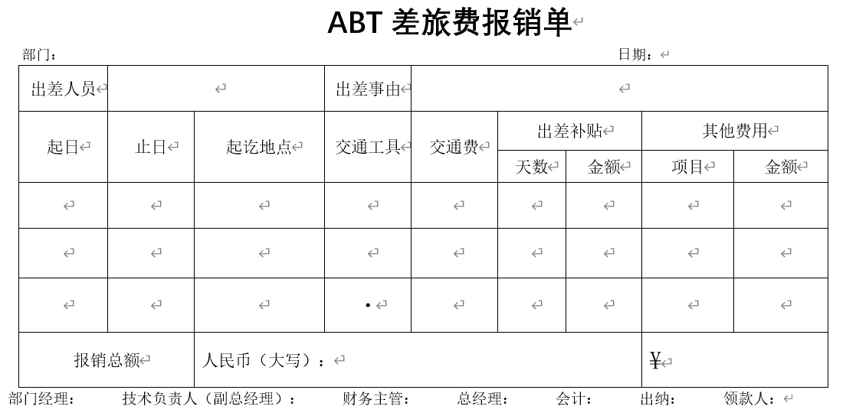
表名 | wf_trip
实体对象 | TripReimburse
表字段 | 对象 | 属性 | 说明 | Java类型 | 是否唯一 | JavaClass | rowMapper |  |  | converter
id | TripReimburse | id | 业务id | String | 是 | @Column(name="id", columnDefinition="VARCHAR(128)") | private String id; | form.setId(rs.getString("id")); | <el-table-column sortable show-overflow-tooltip prop="id" label="业务id" min-width="100"> </el-table-column> | <el-form-item label="业务id" prop="id" required ><el-input v-model="applyForm.id" ></el-input></el-form-item>
root_id | TripReimburse | rootId |  | String |  | @Column(name="root_id", columnDefinition="VARCHAR(128)") | private String rootId; | form.setRootId(rs.getString("root_id")); | <el-table-column sortable show-overflow-tooltip prop="rootId" label="" min-width="100"> </el-table-column> | <el-form-item label="" prop="rootId" required ><el-input v-model="applyForm.rootId" ></el-input></el-form-item>
code_ | TripReimburse | code | 审批编号
dept_id | TripReimburse | deptId | 申请人部门id | String |  | @Column(name="dept_id", columnDefinition="VARCHAR(128)") | private String deptId; | form.setDeptId(rs.getString("dept_id")); | <el-table-column sortable show-overflow-tooltip prop="deptId" label="申请人部门id" min-width="100"> </el-table-column> | <el-form-item label="申请人部门id" prop="deptId" required ><el-input v-model="applyForm.deptId" ></el-input></el-form-item>
dept_name | TripReimburse | deptName |  | String |  | @Column(name="dept_name", columnDefinition="VARCHAR(128)") | private String deptName; | form.setDeptName(rs.getString("dept_name")); | <el-table-column sortable show-overflow-tooltip prop="deptName" label="" min-width="100"> </el-table-column> | <el-form-item label="" prop="deptName" required ><el-input v-model="applyForm.deptName" ></el-input></el-form-item>
staff_ | TripReimburse | staff | 出差人员，可以多个，用逗号分隔 | String |  | @Column(name="staff_", columnDefinition="VARCHAR(128)") | private String staff; | form.setStaff(rs.getString("staff_")); | <el-table-column sortable show-overflow-tooltip prop="staff" label="出差人员，可以多个，用逗号分隔" min-width="100"> </el-table-column> | <el-form-item label="出差人员，可以多个，用逗号分隔" prop="staff" required ><el-input v-model="applyForm.staff" ></el-input></el-form-item>
reason | TripReimburse | reason | 出差事由 | String |  | @Column(name="reason_", columnDefinition="VARCHAR(128)") | private String reason; | form.setReason(rs.getString("reason_")); | <el-table-column sortable show-overflow-tooltip prop="reason" label="出差事由" min-width="100"> </el-table-column> | <el-form-item label="出差事由" prop="reason" required ><el-input v-model="applyForm.reason" ></el-input></el-form-item>
trip_start_date | TripReimburse | tripStartDate | 出差起始日期 | LocalDate |  | @Column(name="start_date") @JsonFormat(pattern = "yyyy-MM-dd", timezone = "GMT+8") @DateTimeFormat(pattern = "yyyy-MM-dd") | private LocalDate tripStartDate; | form.setTripStartDate(TimeUtil.from(rs.getDate("start_date"))); | <el-table-column sortable show-overflow-tooltip prop="tripStartDate" label="出差起始日期" min-width="100"> </el-table-column> | <el-form-item label="出差起始日期" prop="tripStartDate" required ><el-input v-model="applyForm.tripStartDate" ></el-input></el-form-item>
trip_end_date | TripReimburse | tripEndDate | 出差结束日期 | LocalDate |  | @Column(name="end_date") @JsonFormat(pattern = "yyyy-MM-dd", timezone = "GMT+8") @DateTimeFormat(pattern = "yyyy-MM-dd") | private LocalDate tripEndDate; | form.setTripEndDate(TimeUtil.from(rs.getDate("end_date"))); | <el-table-column sortable show-overflow-tooltip prop="tripEndDate" label="出差结束日期" min-width="100"> </el-table-column> | <el-form-item label="出差结束日期" prop="tripEndDate" required ><el-input v-model="applyForm.tripEndDate" ></el-input></el-form-item>
origin_ | TripReimburse | tripOrigin | 起始地 | String |  | @Column(name="origin_", columnDefinition="VARCHAR(128)") | private String tripOrigin; | form.setTripOrigin(rs.getString("origin_")); | <el-table-column sortable show-overflow-tooltip prop="tripOrigin" label="起始地" min-width="100"> </el-table-column> | <el-form-item label="起始地" prop="tripOrigin" required ><el-input v-model="applyForm.tripOrigin" ></el-input></el-form-item>
arrival_ | TripReimburse | tripArrival | 目的地 | String |  | @Column(name="arrival_", columnDefinition="VARCHAR(128)") | private String tripArrival; | form.setTripArrival(rs.getString("arrival_")); | <el-table-column sortable show-overflow-tooltip prop="tripArrival" label="目的地" min-width="100"> </el-table-column> | <el-form-item label="目的地" prop="tripArrival" required ><el-input v-model="applyForm.tripArrival" ></el-input></el-form-item>
allowance_dur | TripReimburse | allowanceDuration | 补贴天数 | double |  | @Column(name="allowance_dur", columnDefinition="DECIMAL(10,2)") | private double allowanceDuration; | form.setAllowanceDuration(rs.getDouble("allowance_dur")); | <el-table-column sortable show-overflow-tooltip prop="allowanceDuration" label="补贴天数" min-width="100"> </el-table-column> | <el-form-item label="补贴天数" prop="allowanceDuration" required ><el-input v-model="applyForm.allowanceDuration" ></el-input></el-form-item>
allowance_exp | TripReimburse | allowanceExpense | 补贴金额 | BigDecimal |  | @Column(name="allowance_dur", columnDefinition="DECIMAL(10,2)") | private BigDecimal allowanceExpense; | form.setAllowanceExpense | <el-table-column sortable show-overflow-tooltip prop="allowanceExpense" label="补贴金额" min-width="100"> </el-table-column> | <el-form-item label="补贴金额" prop="allowanceExpense" required ><el-input v-model="applyForm.allowanceExpense" ></el-input></el-form-item>
oth_exp_desc | TripReimburse | otherExpenseDesc | 其他费用项目说明 | String |  | @Column(name="oth_exp_desc", columnDefinition="VARCHAR(128)") | private String otherExpenseDesc; | form.setOtherExpenseDesc(rs.getString("oth_exp_desc")); | <el-table-column sortable show-overflow-tooltip prop="otherExpenseDesc" label="其他费用项目说明" min-width="100"> </el-table-column> | <el-form-item label="其他费用项目说明" prop="otherExpenseDesc" required ><el-input v-model="applyForm.otherExpenseDesc" ></el-input></el-form-item>
oth_exp | TripReimburse | otherExpense | 其他费用金额 | String |  | @Column(name="oth_exp", columnDefinition="VARCHAR(128)") | private String otherExpense; | form.setOtherExpense(rs.getString("oth_exp")); | <el-table-column sortable show-overflow-tooltip prop="otherExpense" label="其他费用金额" min-width="100"> </el-table-column> | <el-form-item label="其他费用金额" prop="otherExpense" required ><el-input v-model="applyForm.otherExpense" ></el-input></el-form-item>
sum_ | TripReimburse | sum | 报销总额，明细中sum就是费用合计, root中是所有明细的合计 | BigDecimal |  | @Column(name="oth_exp", columnDefinition="VARCHAR(128)") | private BigDecimal sum; | form.setSum | <el-table-column sortable show-overflow-tooltip prop="sum" label="报销总额，明细中sum就是费用合计, root中是所有明细的合计" min-width="100"> </el-table-column> | <el-form-item label="报销总额，明细中sum就是费用合计, root中是所有明细的合计" prop="sum" required ><el-input v-model="applyForm.sum" ></el-input></el-form-item>
payee_id | TripReimburse | payeeId | 领款人(唯一), root中有 | String |  | @Column(name="payee_id", columnDefinition="VARCHAR(128)") | private String payeeId; | form.setPayeeId(rs.getString("payee_id")); | <el-table-column sortable show-overflow-tooltip prop="payeeId" label="领款人(唯一), root中有" min-width="100"> </el-table-column> | <el-form-item label="领款人(唯一), root中有" prop="payeeId" required ><el-input v-model="applyForm.payeeId" ></el-input></el-form-item>
payee_name | TripReimburse | payeeName | 领款人名称 | String |  | @Column(name="payee_name", columnDefinition="VARCHAR(128)") | private String payeeName; | form.setPayeeName(rs.getString("payee_name")); | <el-table-column sortable show-overflow-tooltip prop="payeeName" label="领款人名称" min-width="100"> </el-table-column> | <el-form-item label="领款人名称" prop="payeeName" required ><el-input v-model="applyForm.payeeName" ></el-input></el-form-item>
sort_ | TripReimburse | sort | 明细排序 | int |  | @Column(name="sort_", columnDefinition="TINYINT") | private int sort; | form.setSort(rs.getInt("sort_")); | <el-table-column sortable show-overflow-tooltip prop="sort" label="明细排序" min-width="100"> </el-table-column> | <el-form-item label="明细排序" prop="sort" required ><el-input v-model="applyForm.sort" ></el-input></el-form-item>
transportation | TripReimburse | transportation | 交通工具，飞机，火车，高铁，其他 | String |  | @Column(name="transportation", columnDefinition="VARCHAR(128)") | private String transportation; | form.setTransportation(rs.getString("transportation")); | <el-table-column sortable show-overflow-tooltip prop="transportation" label="交通工具，飞机，火车，高铁，其他" min-width="100"> </el-table-column> | <el-form-item label="交通工具，飞机，火车，高铁，其他" prop="transportation" required ><el-input v-model="applyForm.transportation" ></el-input></el-form-item>
trans_exp | TripReimburse | transExpense | 交通费 | BigDecimal |  | @Column(name="transportation", columnDefinition="VARCHAR(128)") | private BigDecimal transExpense; | form.setTransExpense | <el-table-column sortable show-overflow-tooltip prop="transExpense" label="交通费" min-width="100"> </el-table-column> | <el-form-item label="交通费" prop="transExpense" required ><el-input v-model="applyForm.transExpense" ></el-input></el-form-item>
company_ | TripReimburse | company | 所属公司 | String |  | @Column(name="company_", columnDefinition="VARCHAR(128)") | private String company; | form.setCompany(rs.getString("company_")); | <el-table-column sortable show-overflow-tooltip prop="company" label="所属公司" min-width="100"> </el-table-column> | <el-form-item label="所属公司" prop="company" required ><el-input v-model="applyForm.company" ></el-input></el-form-item>
managers |  | managers | 主管及负责人审批人，多人用逗号分隔 |  |  | @Column(name="company_", columnDefinition="VARCHAR(128)") | private managers; | form.setManagers | <el-table-column sortable show-overflow-tooltip prop="managers" label="主管及负责人审批人，多人用逗号分隔" min-width="100"> </el-table-column> | <el-form-item label="主管及负责人审批人，多人用逗号分隔" prop="managers" required ><el-input v-model="applyForm.managers" ></el-input></el-form-item>

wf_pay_voucher
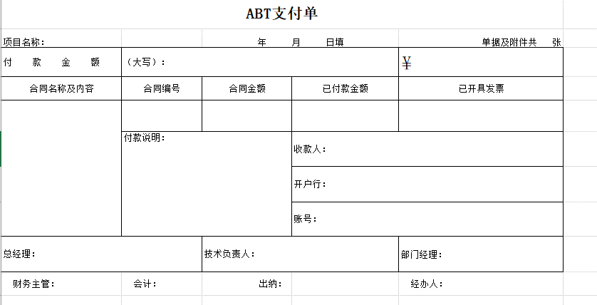
表名 | wf_pay_voucher |  | 款项支付单
实体对象 | PayVoucher |  |  |  |  |  |  | 9
表字段 | 对象 | 属性 | 说明 | Java类型 | 是否唯一 | Java Prop&Col | Java prop | rowMapper | table-col
id | PayVoucher | id |  | String | 是 | @Column(name="id", columnDefinition="VARCHAR(128)") | private String id; | form.setId(rs.getString("id")); | <el-table-column sortable show-overflow-tooltip prop="id" label="" min-width="100px"> </el-table-column> | <el-form-item label="" prop="id" required ><el-input v-model="applyForm.id" ></el-input></el-form-item> | <el-descriptions-item label=""> </el-descriptions-item>
project |  | project | 项目名称 | String |  | @Column(name="project", columnDefinition="VARCHAR(128)") | private String project; | form.setProject(rs.getString("project")); | <el-table-column sortable show-overflow-tooltip prop="project" label="项目名称" min-width="100px"> </el-table-column> | <el-form-item label="项目名称" prop="project" required ><el-input v-model="applyForm.project" ></el-input></el-form-item> | <el-descriptions-item label="项目名称"> </el-descriptions-item>
pay_inv_num |  | payInvoiceNum | 此次单据数量 | int |  | @Column(name="pay_inv_num", columnDefinition="TINYINT") | private int payInvoiceNum; | form.setPayInvoiceNum(rs.getInt("pay_inv_num")); | <el-table-column sortable show-overflow-tooltip prop="payInvoiceNum" label="此次单据数量" min-width="100px"> </el-table-column> | <el-form-item label="此次单据数量" prop="payInvoiceNum" required ><el-input v-model="applyForm.payInvoiceNum" ></el-input></el-form-item> | <el-descriptions-item label="此次单据数量"> </el-descriptions-item>
pay_amt |  | payAmount | 付款金额 | double |  | @Column(name="pay_amt", columnDefinition="DECIMAL(10,2)") | private double payAmount; | form.setPayAmount(rs.getDouble("pay_amt")); | <el-table-column sortable show-overflow-tooltip prop="payAmount" label="付款金额" min-width="100px"> </el-table-column> | <el-form-item label="付款金额" prop="payAmount" required ><el-input v-model="applyForm.payAmount" ></el-input></el-form-item> | <el-descriptions-item label="付款金额"> </el-descriptions-item>
contract_name |  | contactName | 合同名称 | String |  | @Column(name="contract_name", columnDefinition="VARCHAR(128)") | private String contactName; | form.setContactName(rs.getString("contract_name")); | <el-table-column sortable show-overflow-tooltip prop="contactName" label="合同名称" min-width="100px"> </el-table-column> | <el-form-item label="合同名称" prop="contactName" required ><el-input v-model="applyForm.contactName" ></el-input></el-form-item> | <el-descriptions-item label="合同名称"> </el-descriptions-item>
contract_desc |  | contactDesc | 合同内容 | String |  | @Column(name="contract_desc", columnDefinition="VARCHAR(128)") | private String contactDesc; | form.setContactDesc(rs.getString("contract_desc")); | <el-table-column sortable show-overflow-tooltip prop="contactDesc" label="合同内容" min-width="100px"> </el-table-column> | <el-form-item label="合同内容" prop="contactDesc" required ><el-input v-model="applyForm.contactDesc" ></el-input></el-form-item> | <el-descriptions-item label="合同内容"> </el-descriptions-item>
contract_no |  | contactNo | 合同编号 | String |  | @Column(name="contract_no", columnDefinition="VARCHAR(128)") | private String contactNo; | form.setContactNo(rs.getString("contract_no")); | <el-table-column sortable show-overflow-tooltip prop="contactNo" label="合同编号" min-width="100px"> </el-table-column> | <el-form-item label="合同编号" prop="contactNo" required ><el-input v-model="applyForm.contactNo" ></el-input></el-form-item> | <el-descriptions-item label="合同编号"> </el-descriptions-item>
contract_amt |  | contactAmount | 合同金额 | double |  | @Column(name="contract_amt", columnDefinition="DECIMAL(10,2)") | private double contactAmount; | form.setContactAmount(rs.getDouble("contract_amt")); | <el-table-column sortable show-overflow-tooltip prop="contactAmount" label="合同金额" min-width="100px"> </el-table-column> | <el-form-item label="合同金额" prop="contactAmount" required ><el-input v-model="applyForm.contactAmount" ></el-input></el-form-item> | <el-descriptions-item label="合同金额"> </el-descriptions-item>
payed_amt |  | payedAmount | 已付金额 | double |  | @Column(name="payed_amt", columnDefinition="DECIMAL(10,2)") | private double payedAmount; | form.setPayedAmount(rs.getDouble("payed_amt")); | <el-table-column sortable show-overflow-tooltip prop="payedAmount" label="已付金额" min-width="100px"> </el-table-column> | <el-form-item label="已付金额" prop="payedAmount" required ><el-input v-model="applyForm.payedAmount" ></el-input></el-form-item> | <el-descriptions-item label="已付金额"> </el-descriptions-item>
payed_inv_num |  | payedInvoiceNum | 已开发票数量 | int |  | @Column(name="payed_inv_num", columnDefinition="TINYINT") | private int payedInvoiceNum; | form.setPayedInvoiceNum(rs.getInt("payed_inv_num")); | <el-table-column sortable show-overflow-tooltip prop="payedInvoiceNum" label="已开发票数量" min-width="100px"> </el-table-column> | <el-form-item label="已开发票数量" prop="payedInvoiceNum" required ><el-input v-model="applyForm.payedInvoiceNum" ></el-input></el-form-item> | <el-descriptions-item label="已开发票数量"> </el-descriptions-item>
pay_desc |  | payDesc | 付款说明 | String | s | @Column(name="pay_desc", columnDefinition="VARCHAR(128)") | private String payDesc; | form.setPayDesc(rs.getString("pay_desc")); | <el-table-column sortable show-overflow-tooltip prop="payDesc" label="付款说明" min-width="100px"> </el-table-column> | <el-form-item label="付款说明" prop="payDesc" required ><el-input v-model="applyForm.payDesc" ></el-input></el-form-item> | <el-descriptions-item label="付款说明"> </el-descriptions-item>
rec_user |  | receiveUser | 收款人 | String |  | @Column(name="rec_user", columnDefinition="VARCHAR(128)") | private String receiveUser; | form.setReceiveUser(rs.getString("rec_user")); | <el-table-column sortable show-overflow-tooltip prop="receiveUser" label="收款人" min-width="100px"> </el-table-column> | <el-form-item label="收款人" prop="receiveUser" required ><el-input v-model="applyForm.receiveUser" ></el-input></el-form-item> | <el-descriptions-item label="收款人"> </el-descriptions-item>
rec_bank |  | receiveBank | 开户行 | String |  | @Column(name="rec_bank", columnDefinition="VARCHAR(128)") | private String receiveBank; | form.setReceiveBank(rs.getString("rec_bank")); | <el-table-column sortable show-overflow-tooltip prop="receiveBank" label="开户行" min-width="100px"> </el-table-column> | <el-form-item label="开户行" prop="receiveBank" required ><el-input v-model="applyForm.receiveBank" ></el-input></el-form-item> | <el-descriptions-item label="开户行"> </el-descriptions-item>
rec_account |  | receiveAccount | 账号 | String |  | @Column(name="rec_account", columnDefinition="VARCHAR(128)") | private String receiveAccount; | form.setReceiveAccount(rs.getString("rec_account")); | <el-table-column sortable show-overflow-tooltip prop="receiveAccount" label="账号" min-width="100px"> </el-table-column> | <el-form-item label="账号" prop="receiveAccount" required ><el-input v-model="applyForm.receiveAccount" ></el-input></el-form-item> | <el-descriptions-item label="账号"> </el-descriptions-item>
pdf_file |  | pdfFileList | 发票附件 | String |  | @Column(name="pdf_file", columnDefinition="VARCHAR(128)") | private String pdfFileList; | form.setPdfFileList(rs.getString("pdf_file")); | <el-table-column sortable show-overflow-tooltip prop="pdfFileList" label="发票附件" min-width="100px"> </el-table-column> | <el-form-item label="发票附件" prop="pdfFileList" required ><el-input v-model="applyForm.pdfFileList" ></el-input></el-form-item> | <el-descriptions-item label="发票附件"> </el-descriptions-item>
other_file |  | otherFileList | 其他附件 | String |  | @Column(name="other_file", columnDefinition="VARCHAR(128)") | private String otherFileList; | form.setOtherFileList(rs.getString("other_file")); | <el-table-column sortable show-overflow-tooltip prop="otherFileList" label="其他附件" min-width="100px"> </el-table-column> | <el-form-item label="其他附件" prop="otherFileList" required ><el-input v-model="applyForm.otherFileList" ></el-input></el-form-item> | <el-descriptions-item label="其他附件"> </el-descriptions-item>
managers |  | managers | 主管及负责人审批人，多人用逗号分隔 | String |  | @Column(name="managers", columnDefinition="VARCHAR(128)") | private String managers; | form.setManagers(rs.getString("managers")); | <el-table-column sortable show-overflow-tooltip prop="managers" label="主管及负责人审批人，多人用逗号分隔" min-width="100px"> </el-table-column> | <el-form-item label="主管及负责人审批人，多人用逗号分隔" prop="managers" required ><el-input v-model="applyForm.managers" ></el-input></el-form-item> | <el-descriptions-item label="主管及负责人审批人，多人用逗号分隔"> </el-descriptions-item>
company |  | company | 业务所属公司 | String |  | @Column(name="company", columnDefinition="VARCHAR(128)") | private String company; | form.setCompany(rs.getString("company")); | <el-table-column sortable show-overflow-tooltip prop="company" label="业务所属公司" min-width="100px"> </el-table-column> | <el-form-item label="业务所属公司" prop="company" required ><el-input v-model="applyForm.company" ></el-input></el-form-item> | <el-descriptions-item label="业务所属公司"> </el-descriptions-item>

wf_loan
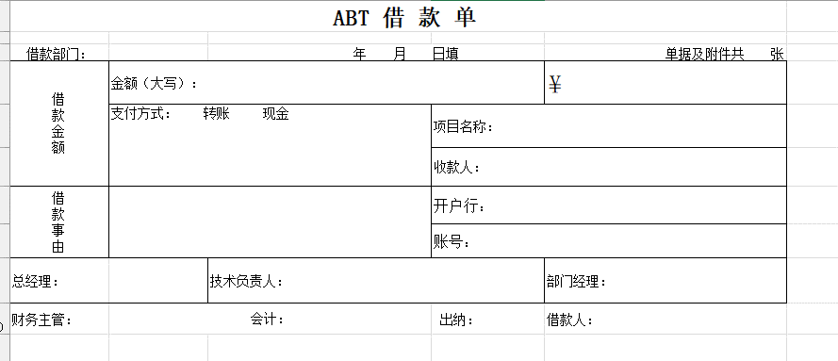
表名 | wf_loan |  | 借款单
实体对象 | Loan |  |  |  |  |  |  | 9
表字段 | 对象 | 属性 | 说明 | Java类型 | 是否唯一 | Java Prop&Col | Java prop | rowMapper | table-col | form-item
id | Loan | id |  | String | 是 | @Column(name="id", columnDefinition="VARCHAR(128)") | private String id; | form.setId(rs.getString("id")); | <el-table-column sortable show-overflow-tooltip prop="id" label="" min-width="100"> </el-table-column> | <el-form-item label="" prop="id" required ><el-input v-model="applyForm.id" ></el-input></el-form-item>
vch_num |  | voucherNum | 单据及附件数量 | int |  | @Column(name="vch_num", columnDefinition="TINYINT") | private int voucherNum; | form.setVoucherNum(rs.getInt("vch_num")); | <el-table-column sortable show-overflow-tooltip prop="voucherNum" label="单据及附件数量" min-width="100"> </el-table-column> | <el-form-item label="单据及附件数量" prop="voucherNum" required ><el-input v-model="applyForm.voucherNum" ></el-input></el-form-item>
dept_id |  | deptId | 借款部门id | String |  | @Column(name="dept_id", columnDefinition="VARCHAR(128)") | private String deptId; | form.setDeptId(rs.getString("dept_id")); | <el-table-column sortable show-overflow-tooltip prop="deptId" label="借款部门id" min-width="100"> </el-table-column> | <el-form-item label="借款部门id" prop="deptId" required ><el-input v-model="applyForm.deptId" ></el-input></el-form-item>
dept_name |  | deptName | 借款部门name | String |  | @Column(name="dept_name", columnDefinition="VARCHAR(128)") | private String deptName; | form.setDeptName(rs.getString("dept_name")); | <el-table-column sortable show-overflow-tooltip prop="deptName" label="借款部门name" min-width="100"> </el-table-column> | <el-form-item label="借款部门name" prop="deptName" required ><el-input v-model="applyForm.deptName" ></el-input></el-form-item>
loan_amt |  | loanAmount | 借款金额 | double |  | @Column(name="loan_amt", columnDefinition="DECIMAL(10,2)") | private double loanAmount; | form.setLoanAmount(rs.getDouble("loan_amt")); | <el-table-column sortable show-overflow-tooltip prop="loanAmount" label="借款金额" min-width="100"> </el-table-column> | <el-form-item label="借款金额" prop="loanAmount" required ><el-input v-model="applyForm.loanAmount" ></el-input></el-form-item>
reason_ |  | reason | 借款事由 | String |  | @Column(name="reason_", columnDefinition="VARCHAR(128)") | private String reason; | form.setReason(rs.getString("reason_")); | <el-table-column sortable show-overflow-tooltip prop="reason" label="借款事由" min-width="100"> </el-table-column> | <el-form-item label="借款事由" prop="reason" required ><el-input v-model="applyForm.reason" ></el-input></el-form-item>
project |  | project | 项目名称 | String |  | @Column(name="project", columnDefinition="VARCHAR(128)") | private String project; | form.setProject(rs.getString("project")); | <el-table-column sortable show-overflow-tooltip prop="project" label="项目名称" min-width="100"> </el-table-column> | <el-form-item label="项目名称" prop="project" required ><el-input v-model="applyForm.project" ></el-input></el-form-item>
rec_user |  | receiveUser | 收款人 | String |  | @Column(name="rec_user", columnDefinition="VARCHAR(128)") | private String receiveUser; | form.setReceiveUser(rs.getString("rec_user")); | <el-table-column sortable show-overflow-tooltip prop="receiveUser" label="收款人" min-width="100"> </el-table-column> | <el-form-item label="收款人" prop="receiveUser" required ><el-input v-model="applyForm.receiveUser" ></el-input></el-form-item>
rec_bank |  | receiveBank | 开户行 | String |  | @Column(name="rec_bank", columnDefinition="VARCHAR(128)") | private String receiveBank; | form.setReceiveBank(rs.getString("rec_bank")); | <el-table-column sortable show-overflow-tooltip prop="receiveBank" label="开户行" min-width="100"> </el-table-column> | <el-form-item label="开户行" prop="receiveBank" required ><el-input v-model="applyForm.receiveBank" ></el-input></el-form-item>
rec_account |  | receiveAccount | 账号 | String |  | @Column(name="rec_account", columnDefinition="VARCHAR(128)") | private String receiveAccount; | form.setReceiveAccount(rs.getString("rec_account")); | <el-table-column sortable show-overflow-tooltip prop="receiveAccount" label="账号" min-width="100"> </el-table-column> | <el-form-item label="账号" prop="receiveAccount" required ><el-input v-model="applyForm.receiveAccount" ></el-input></el-form-item>
pay_type |  | payType | 支付方式(转账，现金) | String |  | @Column(name="pay_type", columnDefinition="VARCHAR(128)") | private String payType; | form.setPayType(rs.getString("pay_type")); | <el-table-column sortable show-overflow-tooltip prop="payType" label="支付方式(转账，现金)" min-width="100"> </el-table-column> | <el-form-item label="支付方式(转账，现金)" prop="payType" required ><el-input v-model="applyForm.payType" ></el-input></el-form-item>
managers |  | managers | 选择审批人 | String |  | @Column(name="managers", columnDefinition="VARCHAR(128)") | private String managers; | form.setManagers(rs.getString("managers")); | <el-table-column sortable show-overflow-tooltip prop="managers" label="选择审批人" min-width="100"> </el-table-column> | <el-form-item label="选择审批人" prop="managers" required ><el-input v-model="applyForm.managers" ></el-input></el-form-item>

wf_inv
表名 | wf_inv |  | 开票申请单
实体对象 | InvoiceApply |  |  |  |  |  |  | 9
表字段 | 对象 | 属性 | 说明 | Java类型 | 是否唯一 | Java Prop&Col | Java prop | rowMapper | table-col | form-item
id | InvoiceApply | id |  | String |  | @Column(name="id", columnDefinition="VARCHAR(128)") | private String id; | form.setId(rs.getString("id")); | <el-table-column sortable show-overflow-tooltip prop="id" label="" min-width="100px"> </el-table-column> | <el-form-item label="" prop="id" required ><el-input v-model="applyForm.id" ></el-input></el-form-item> | <el-descriptions-item label="">{{this.applyForm.id}} </el-descriptions-item>
client_id |  | clientId | 客户id | String |  | @Column(name="client_id", columnDefinition="VARCHAR(128)") | private String clientId; | form.setClientId(rs.getString("client_id")); | <el-table-column sortable show-overflow-tooltip prop="clientId" label="客户id" min-width="100px"> </el-table-column> | <el-form-item label="客户id" prop="clientId" required ><el-input v-model="applyForm.clientId" ></el-input></el-form-item> | <el-descriptions-item label="客户id">{{this.applyForm.clientId}} </el-descriptions-item>
client_name |  | clientName | 客户名称 | String |  | @Column(name="client_name", columnDefinition="VARCHAR(128)") | private String clientName; | form.setClientName(rs.getString("client_name")); | <el-table-column sortable show-overflow-tooltip prop="clientName" label="客户名称" min-width="100px"> </el-table-column> | <el-form-item label="客户名称" prop="clientName" required ><el-input v-model="applyForm.clientName" ></el-input></el-form-item> | <el-descriptions-item label="客户名称">{{this.applyForm.clientName}} </el-descriptions-item>
inv_type |  | invoiceType | 发票类型:专票，普票 | String |  | @Column(name="inv_type", columnDefinition="VARCHAR(128)") | private String invoiceType; | form.setInvoiceType(rs.getString("inv_type")); | <el-table-column sortable show-overflow-tooltip prop="invoiceType" label="发票类型:专票，普票" min-width="100px"> </el-table-column> | <el-form-item label="发票类型:专票，普票" prop="invoiceType" required ><el-input v-model="applyForm.invoiceType" ></el-input></el-form-item> | <el-descriptions-item label="发票类型:专票，普票">{{this.applyForm.invoiceType}} </el-descriptions-item>
contract_amt |  | contractAmount | 合同金额 | Double |  | @Column(name="inv_type", columnDefinition="VARCHAR(128)") | private Double contractAmount; | form.setContractAmount | <el-table-column sortable show-overflow-tooltip prop="contractAmount" label="合同金额" min-width="100px"> </el-table-column> | <el-form-item label="合同金额" prop="contractAmount" required ><el-input v-model="applyForm.contractAmount" ></el-input></el-form-item> | <el-descriptions-item label="合同金额">{{this.applyForm.contractAmount}} </el-descriptions-item>
contract_no |  | contractNo | 合同编号 | String |  | @Column(name="contract_no", columnDefinition="VARCHAR(128)") | private String contractNo; | form.setContractNo(rs.getString("contract_no")); | <el-table-column sortable show-overflow-tooltip prop="contractNo" label="合同编号" min-width="100px"> </el-table-column> | <el-form-item label="合同编号" prop="contractNo" required ><el-input v-model="applyForm.contractNo" ></el-input></el-form-item> | <el-descriptions-item label="合同编号">{{this.applyForm.contractNo}} </el-descriptions-item>
contract_name |  | contractName | 合同名称 | String |  | @Column(name="contract_name", columnDefinition="VARCHAR(128)") | private String contractName; | form.setContractName(rs.getString("contract_name")); | <el-table-column sortable show-overflow-tooltip prop="contractName" label="合同名称" min-width="100px"> </el-table-column> | <el-form-item label="合同名称" prop="contractName" required ><el-input v-model="applyForm.contractName" ></el-input></el-form-item> | <el-descriptions-item label="合同名称">{{this.applyForm.contractName}} </el-descriptions-item>
project |  | project | 项目名称 | String |  | @Column(name="project", columnDefinition="VARCHAR(128)") | private String project; | form.setProject(rs.getString("project")); | <el-table-column sortable show-overflow-tooltip prop="project" label="项目名称" min-width="100px"> </el-table-column> | <el-form-item label="项目名称" prop="project" required ><el-input v-model="applyForm.project" ></el-input></el-form-item> | <el-descriptions-item label="项目名称">{{this.applyForm.project}} </el-descriptions-item>
inv_amt |  | invoiceAmount | 开票金额 | double |  | @Column(name="inv_amt", columnDefinition="DECIMAL(10,2)") | private double invoiceAmount; | form.setInvoiceAmount(rs.getDouble("inv_amt")); | <el-table-column sortable show-overflow-tooltip prop="invoiceAmount" label="开票金额" min-width="100px"> </el-table-column> | <el-form-item label="开票金额" prop="invoiceAmount" required ><el-input v-model="applyForm.invoiceAmount" ></el-input></el-form-item> | <el-descriptions-item label="开票金额">{{this.applyForm.invoiceAmount}} </el-descriptions-item>
address |  | address | 开票信息：地址 | String |  | @Column(name="address", columnDefinition="VARCHAR(128)") | private String address; | form.setAddress(rs.getString("address")); | <el-table-column sortable show-overflow-tooltip prop="address" label="开票信息：地址" min-width="100px"> </el-table-column> | <el-form-item label="开票信息：地址" prop="address" required ><el-input v-model="applyForm.address" ></el-input></el-form-item> | <el-descriptions-item label="开票信息：地址">{{this.applyForm.address}} </el-descriptions-item>
tax_no |  | taxNo | 税号 | String |  | @Column(name="tax_no", columnDefinition="VARCHAR(128)") | private String taxNo; | form.setTaxNo(rs.getString("tax_no")); | <el-table-column sortable show-overflow-tooltip prop="taxNo" label="税号" min-width="100px"> </el-table-column> | <el-form-item label="税号" prop="taxNo" required ><el-input v-model="applyForm.taxNo" ></el-input></el-form-item> | <el-descriptions-item label="税号">{{this.applyForm.taxNo}} </el-descriptions-item>
tel_no |  | telephoneNo | 电话 | String |  | @Column(name="tel_no", columnDefinition="VARCHAR(128)") | private String telephoneNo; | form.setTelephoneNo(rs.getString("tel_no")); | <el-table-column sortable show-overflow-tooltip prop="telephoneNo" label="电话" min-width="100px"> </el-table-column> | <el-form-item label="电话" prop="telephoneNo" required ><el-input v-model="applyForm.telephoneNo" ></el-input></el-form-item> | <el-descriptions-item label="电话">{{this.applyForm.telephoneNo}} </el-descriptions-item>
bank |  | bank | 开户行 | String |  | @Column(name="bank", columnDefinition="VARCHAR(128)") | private String bank; | form.setBank(rs.getString("bank")); | <el-table-column sortable show-overflow-tooltip prop="bank" label="开户行" min-width="100px"> </el-table-column> | <el-form-item label="开户行" prop="bank" required ><el-input v-model="applyForm.bank" ></el-input></el-form-item> | <el-descriptions-item label="开户行">{{this.applyForm.bank}} </el-descriptions-item>
account |  | account | 银行账号 | String |  | @Column(name="account", columnDefinition="VARCHAR(128)") | private String account; | form.setAccount(rs.getString("account")); | <el-table-column sortable show-overflow-tooltip prop="account" label="银行账号" min-width="100px"> </el-table-column> | <el-form-item label="银行账号" prop="account" required ><el-input v-model="applyForm.account" ></el-input></el-form-item> | <el-descriptions-item label="银行账号">{{this.applyForm.account}} </el-descriptions-item>
managers |  | managers | 审批人 | String |  | @Column(name="managers", columnDefinition="VARCHAR(128)") | private String managers; | form.setManagers(rs.getString("managers")); | <el-table-column sortable show-overflow-tooltip prop="managers" label="审批人" min-width="100px"> </el-table-column> | <el-form-item label="审批人" prop="managers" required ><el-input v-model="applyForm.managers" ></el-input></el-form-item> | <el-descriptions-item label="审批人">{{this.applyForm.managers}} </el-descriptions-item>
remark |  | remark | 备注 | String |  | @Column(name="remark", columnDefinition="VARCHAR(128)") | private String remark; | form.setRemark(rs.getString("remark")); | <el-table-column sortable show-overflow-tooltip prop="remark" label="备注" min-width="100px"> </el-table-column> | <el-form-item label="备注" prop="remark" required ><el-input v-model="applyForm.remark" ></el-input></el-form-item> | <el-descriptions-item label="备注">{{this.applyForm.remark}} </el-descriptions-item>
dept_id |  | deptId | 申请部门id | String |  | @Column(name="dept_id", columnDefinition="VARCHAR(128)") | private String deptId; | form.setDeptId(rs.getString("dept_id")); | <el-table-column sortable show-overflow-tooltip prop="deptId" label="申请部门id" min-width="100px"> </el-table-column> | <el-form-item label="申请部门id" prop="deptId" required ><el-input v-model="applyForm.deptId" ></el-input></el-form-item> | <el-descriptions-item label="申请部门id">{{this.applyForm.deptId}} </el-descriptions-item>
dept_name |  | deptName | 申请部门 | String |  | @Column(name="dept_name", columnDefinition="VARCHAR(128)") | private String deptName; | form.setDeptName(rs.getString("dept_name")); | <el-table-column sortable show-overflow-tooltip prop="deptName" label="申请部门" min-width="100px"> </el-table-column> | <el-form-item label="申请部门" prop="deptName" required ><el-input v-model="applyForm.deptName" ></el-input></el-form-item> | <el-descriptions-item label="申请部门">{{this.applyForm.deptName}} </el-descriptions-item>

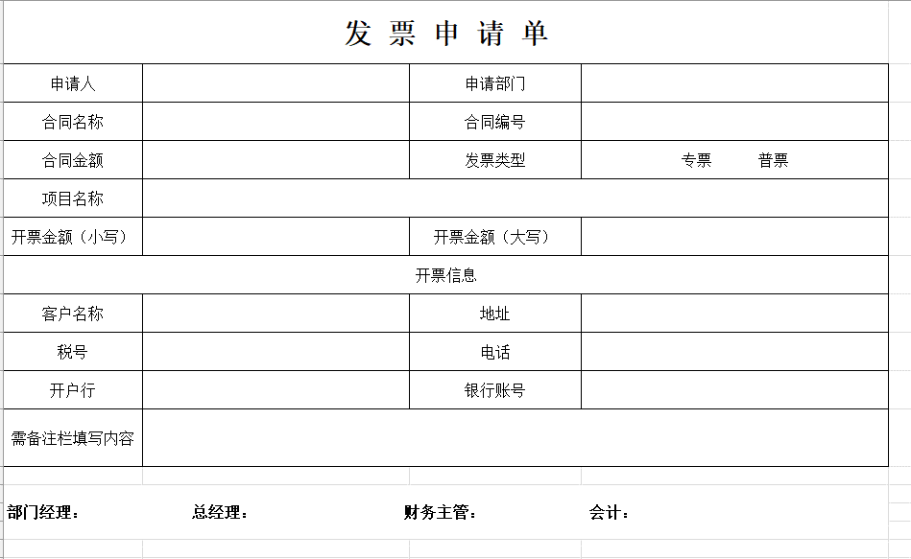
 |  |  |  |  |  |  |  |  | table
 |  |  |  |  |  |  |  |  | 申请人 | 申请部门 | 发票类型 | 开票金额 | 合同名称 | 合同编号 | 客户名称 | 银行账号 | 开户行
 |  |  |  |  |  |  |  |  | createUserid |  |  |  |  |  | clientName

wf_inv_offset
表名 | wf_inv_offset |  | 发票冲账
实体对象 | invoiceOffset |  |  |  |  |  |  | 9
表字段 | 对象 | 属性 | 说明 | Java类型 | 是否唯一 | Java Prop&Col | Java prop | rowMapper | table-col | form-item
id |  | id |  | String |  | @Column(name="id", columnDefinition="VARCHAR(128)") | private String id; | form.setId(rs.getString("id")); | <el-table-column sortable show-overflow-tooltip prop="id" label="" min-width="100px"> </el-table-column> | <el-form-item label="" prop="id" required ><el-input v-model="applyForm.id" ></el-input></el-form-item> | <el-descriptions-item label=""> </el-descriptions-item>
company_ |  | company | 业务所属公司 | String |  | @Column(name="company_", columnDefinition="VARCHAR(128)") | private String company; | form.setCompany(rs.getString("company_")); | <el-table-column sortable show-overflow-tooltip prop="company" label="业务所属公司" min-width="100px"> </el-table-column> | <el-form-item label="业务所属公司" prop="company" required ><el-input v-model="applyForm.company" ></el-input></el-form-item> | <el-descriptions-item label="业务所属公司"> </el-descriptions-item>
project_ |  | project | 项目名称 | String |  | @Column(name="project_", columnDefinition="VARCHAR(128)") | private String project; | form.setProject(rs.getString("project_")); | <el-table-column sortable show-overflow-tooltip prop="project" label="项目名称" min-width="100px"> </el-table-column> | <el-form-item label="项目名称" prop="project" required ><el-input v-model="applyForm.project" ></el-input></el-form-item> | <el-descriptions-item label="项目名称"> </el-descriptions-item>
project_id |  | projectId | 项目编码 | String |  | @Column(name="project_id", columnDefinition="VARCHAR(128)") | private String projectId; | form.setProjectId(rs.getString("project_id")); | <el-table-column sortable show-overflow-tooltip prop="projectId" label="项目编码" min-width="100px"> </el-table-column> | <el-form-item label="项目编码" prop="projectId" required ><el-input v-model="applyForm.projectId" ></el-input></el-form-item> | <el-descriptions-item label="项目编码"> </el-descriptions-item>
project_type |  | projectType | 项目类型 | String |  | @Column(name="project_type", columnDefinition="VARCHAR(128)") | private String projectType; | form.setProjectType(rs.getString("project_type")); | <el-table-column sortable show-overflow-tooltip prop="projectType" label="项目类型" min-width="100px"> </el-table-column> | <el-form-item label="项目类型" prop="projectType" required ><el-input v-model="applyForm.projectType" ></el-input></el-form-item> | <el-descriptions-item label="项目类型"> </el-descriptions-item>
acc_inv |  | accumulatedInvoice | 累计回票 | String |  | @Column(name="acc_inv", columnDefinition="VARCHAR(128)") | private String accumulatedInvoice; | form.setAccumulatedInvoice(rs.getString("acc_inv")); | <el-table-column sortable show-overflow-tooltip prop="accumulatedInvoice" label="累计回票" min-width="100px"> </el-table-column> | <el-form-item label="累计回票" prop="accumulatedInvoice" required ><el-input v-model="applyForm.accumulatedInvoice" ></el-input></el-form-item> | <el-descriptions-item label="累计回票"> </el-descriptions-item>
supplier_id |  | supplierId | 供应商id | String |  | @Column(name="supplier_id", columnDefinition="VARCHAR(128)") | private String supplierId; | form.setSupplierId(rs.getString("supplier_id")); | <el-table-column sortable show-overflow-tooltip prop="supplierId" label="供应商id" min-width="100px"> </el-table-column> | <el-form-item label="供应商id" prop="supplierId" required ><el-input v-model="applyForm.supplierId" ></el-input></el-form-item> | <el-descriptions-item label="供应商id"> </el-descriptions-item>
supplier_name |  | supplierName | 供应商 | String |  | @Column(name="supplier_name", columnDefinition="VARCHAR(128)") | private String supplierName; | form.setSupplierName(rs.getString("supplier_name")); | <el-table-column sortable show-overflow-tooltip prop="supplierName" label="供应商" min-width="100px"> </el-table-column> | <el-form-item label="供应商" prop="supplierName" required ><el-input v-model="applyForm.supplierName" ></el-input></el-form-item> | <el-descriptions-item label="供应商"> </el-descriptions-item>
contract_name |  | contractName | 合同名称 | String |  | @Column(name="contract_name", columnDefinition="VARCHAR(128)") | private String contractName; | form.setContractName(rs.getString("contract_name")); | <el-table-column sortable show-overflow-tooltip prop="contractName" label="合同名称" min-width="100px"> </el-table-column> | <el-form-item label="合同名称" prop="contractName" required ><el-input v-model="applyForm.contractName" ></el-input></el-form-item> | <el-descriptions-item label="合同名称"> </el-descriptions-item>
contract_code |  | contractCode | 合同编码 | String |  | @Column(name="contract_code", columnDefinition="VARCHAR(128)") | private String contractCode; | form.setContractCode(rs.getString("contract_code")); | <el-table-column sortable show-overflow-tooltip prop="contractCode" label="合同编码" min-width="100px"> </el-table-column> | <el-form-item label="合同编码" prop="contractCode" required ><el-input v-model="applyForm.contractCode" ></el-input></el-form-item> | <el-descriptions-item label="合同编码"> </el-descriptions-item>
contract_amt |  | contractAmount | 合同金额 | double |  | @Column(name="contract_amt", columnDefinition="DECIMAL(10,2)") | private double contractAmount; | form.setContractAmount(rs.getDouble("contract_amt")); | <el-table-column sortable show-overflow-tooltip prop="contractAmount" label="合同金额" min-width="100px"> </el-table-column> | <el-form-item label="合同金额" prop="contractAmount" required ><el-input v-model="applyForm.contractAmount" ></el-input></el-form-item> | <el-descriptions-item label="合同金额"> </el-descriptions-item>
inv_amt |  | invoiceAmount | 发票金额 | double |  | @Column(name="inv_amt", columnDefinition="DECIMAL(10,2)") | private double invoiceAmount; | form.setInvoiceAmount(rs.getDouble("inv_amt")); | <el-table-column sortable show-overflow-tooltip prop="invoiceAmount" label="发票金额" min-width="100px"> </el-table-column> | <el-form-item label="发票金额" prop="invoiceAmount" required ><el-input v-model="applyForm.invoiceAmount" ></el-input></el-form-item> | <el-descriptions-item label="发票金额"> </el-descriptions-item>
inv_code |  | invoiceCode | 发票编号 | String |  | @Column(name="inv_code", columnDefinition="VARCHAR(128)") | private String invoiceCode; | form.setInvoiceCode(rs.getString("inv_code")); | <el-table-column sortable show-overflow-tooltip prop="invoiceCode" label="发票编号" min-width="100px"> </el-table-column> | <el-form-item label="发票编号" prop="invoiceCode" required ><el-input v-model="applyForm.invoiceCode" ></el-input></el-form-item> | <el-descriptions-item label="发票编号"> </el-descriptions-item>
inv_type |  | invoiceType | 汇票类型 | String |  | @Column(name="inv_type", columnDefinition="VARCHAR(128)") | private String invoiceType; | form.setInvoiceType(rs.getString("inv_type")); | <el-table-column sortable show-overflow-tooltip prop="invoiceType" label="汇票类型" min-width="100px"> </el-table-column> | <el-form-item label="汇票类型" prop="invoiceType" required ><el-input v-model="applyForm.invoiceType" ></el-input></el-form-item> | <el-descriptions-item label="汇票类型"> </el-descriptions-item>
remark |  | remark | 备注 | String |  | @Column(name="remark", columnDefinition="VARCHAR(128)") | private String remark; | form.setRemark(rs.getString("remark")); | <el-table-column sortable show-overflow-tooltip prop="remark" label="备注" min-width="100px"> </el-table-column> | <el-form-item label="备注" prop="remark" required ><el-input v-model="applyForm.remark" ></el-input></el-form-item> | <el-descriptions-item label="备注"> </el-descriptions-item>
file_list |  | fileList | 附件 | String |  | @Column(name="file_list", columnDefinition="VARCHAR(128)") | private String fileList; | form.setFileList(rs.getString("file_list")); | <el-table-column sortable show-overflow-tooltip prop="fileList" label="附件" min-width="100px"> </el-table-column> | <el-form-item label="附件" prop="fileList" required ><el-input v-model="applyForm.fileList" ></el-input></el-form-item> | <el-descriptions-item label="附件"> </el-descriptions-item>
managers |  | managers | 审批人 | String |  | @Column(name="managers", columnDefinition="VARCHAR(128)") | private String managers; | form.setManagers(rs.getString("managers")); | <el-table-column sortable show-overflow-tooltip prop="managers" label="审批人" min-width="100px"> </el-table-column> | <el-form-item label="审批人" prop="managers" required ><el-input v-model="applyForm.managers" ></el-input></el-form-item> | <el-descriptions-item label="审批人"> </el-descriptions-item>
title_ |  | title | 标题 | String |  | @Column(name="title_", columnDefinition="VARCHAR(128)") | private String title; | form.setTitle(rs.getString("title_")); | <el-table-column sortable show-overflow-tooltip prop="title" label="标题" min-width="100px"> </el-table-column> | <el-form-item label="标题" prop="title" required ><el-input v-model="applyForm.title" ></el-input></el-form-item> | <el-descriptions-item label="标题"> </el-descriptions-item>

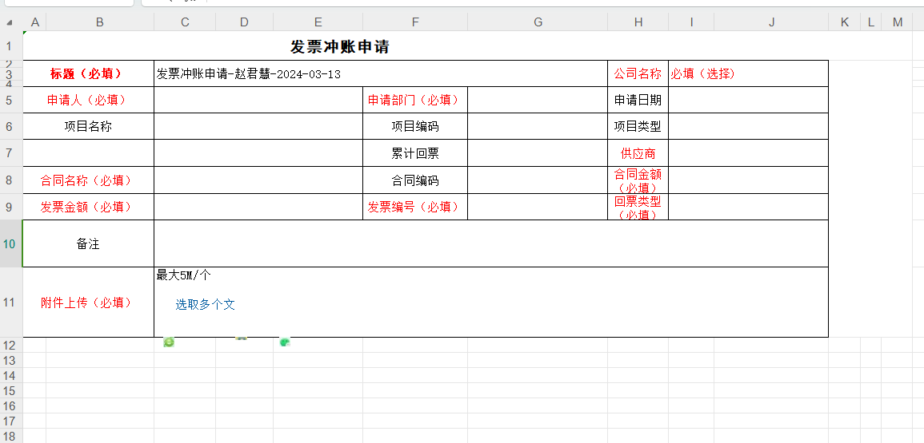

 |  |  |  |  |  |  |  | 非必填项
 |  |  |  |  |  |  |  | 合同名称
 |  |  |  |  |  |  |  | 回票类型
 |  |  |  |  |  |  |  | 合同金额

销售面板
main-container

 |  |  |  |  |  |  |  | card
 |  | 销售合同-趋势 |  |  | 2024销售合同-概况 |  | 2024销售合同-概况

 |  | 本周新增合同 | 本月新增合同 |  | 合同数量 | 合同数量最多 | 合同金额(有金额的) |  | 客户 | 合同数量 | 甲方 | 合同数量
 |  |  |  |  |  |  |  |  | 延长油田 | 12 | 北京凯博瑞石油科技有限公司 | 1
 |  | 12↑ | -4↓ |  | 48 | 延长油田(9) | 300000(元) |  | 辽河 | 1 | 北京德量源生物科技有限公司 | 1
 |  |  |  |  |  |  |  |  | 长庆 | 4 | 定边利汇德油田技术服务有限责任公司 | 1
 |  |  |  |  |  |  |  |  | 客户1 | 2 | 陕西延长石油（集团）有限责任公司气田公司 | 1
 |  |  |  |  |  |  |  |  | 客户2 | 3 | 陕西延长石油（集团）有限责任公司延长气田采气一厂 | 1
 |  |  |  |  |  |  |  |  |  |  | 陕西延长石油压裂材料有限公司 | 1
 |  |  |  |  |  |  |  |  | 登记月 | 合同数量 | 陕西延长油田检验技术服务有限公司 | 2
 |  |  |  |  |  |  |  |  | 2024-01-01 | 12 | 斯伦贝谢长和油田工程有限公司 | 5
 |  |  |  |  |  |  |  |  | 2024-02-01 | 3 | 四川迪曼油气新材料科技有限公司 | 1
 |  |  |  |  |  |  |  |  | 2024-03-01 | 4 | 四川科力特油气技术服务有限公司 | 1
 |  |  |  |  |  |  |  |  | 2024-04-01 | 1 | 苏州冠德能源科技有限公司 | 1
 |  |  |  |  |  |  |  |  | 2024-05-01 | 2 | 西安石油大学 | 1
 |  |  |  |  |  |  |  |  |  |  | 西北大学（徐建） | 1
 |  |  |  |  |  |  |  |  | 乙方 | 合同数量 | 延长油田股份有限公司横山采油厂 | 1
 |  |  |  |  |  |  |  |  | 阿伯塔 | 32 | 昱宏(濮阳)化学有限公司 | 1
 |  |  |  |  |  |  |  |  | 吉瑞达 | 2 | 中国地质调查局油气资源中心 | 1
 |  |  |  |  |  |  |  |  | 西北大学 | 1 | 中国石油集团测井有限公司长庆分公司 | 1
 |  |  |  |  |  |  |  |  |  |  | 中国石油天然气股份有限公司勘探开发研究院 | 1
 |  | 甲方合同最多前三 |  |  | 合同即将到期(提前1个月)： 5个 |  |  |  |  |  | 中国石油天然气股份有限公司吐哈油田分公司 | 1
 |  |  |  |  |  |  |  |  |  |  | 中国石油天然气股份有限公司长庆油田分公司第三采油厂（采油工艺研究所） | 1
 |  | 延长 | 5 |  | 合同1 | 2024-05-30 |  |  |  |  | 中国石油天然气股份有限公司长庆油田分公司勘探开发研究院 | 1
 |  | 压裂材料 | 2 |  | 合同2 | 2024-06-30 |  |  |  |  | 中陕核工业集团地质调查研究院有限公司 | 1
 |  |  |  |  |  |  |  |  |  |  | 洲际海峡能源科技有限公司 | 1

 | card |  |  | card

