Info
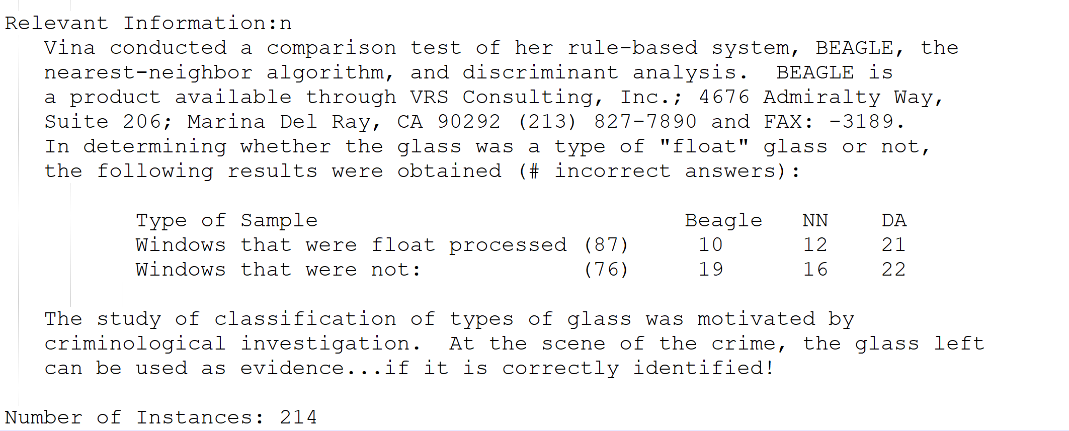

Attribute Information:
1. Id number: 1 to 214
2. RI: refractive index
3. Na: Sodium (unit measurement: weight percent in corresponding oxide, as
are attributes 4-10)
4. Mg: Magnesium
5. Al: Aluminum
6. Si: Silicon
7. K: Potassium
8. Ca: Calcium
9. Ba: Barium
10. Fe: Iron
11. Type of glass: (class attribute)
-- 1 building_windows_float_processed
-- 2 building_windows_non_float_processed
-- 3 vehicle_windows_float_processed
-- 4 vehicle_windows_non_float_processed (none in this database)
-- 5 containers
-- 6 tableware
-- 7 headlamps
12. Name

