info
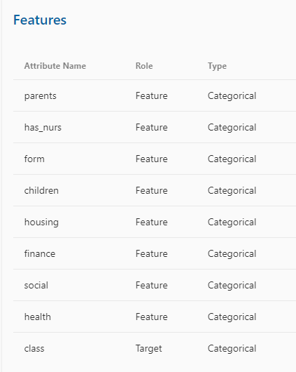
Additional Information Nursery Database was derived from a hierarchical decision model originally developed to rank applications for nursery schools. It was used during several years in 1980's when there was excessive enrollment to these schools in Ljubljana, Slovenia, and the rejected applications frequently needed an objective explanation. The final decision depended on three subproblems: occupation of parents and child's nursery, family structure and financial standing, and social and health picture of the family.

Additional Information

parents: usual, pretentious, great_pret
has_nurs: proper, less_proper, improper, critical, very_crit
form: complete, completed, incomplete, foster
children: 1, 2, 3, more
housing: convenient, less_conv, critical
finance: convenient, inconv
social: non-prob, slightly_prob, problematic
health: recommended, priority, not_recom

