Sheet1
Substructure | Substructure in Molecule | Compound ID | Activity label | p_value | Compounds with substr. | Comp. with substr. active | Comp. with substr. inactive
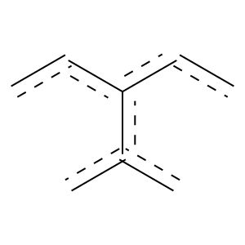 | 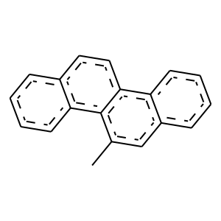 | 2 | 1 | 1.2943742843E-07 | 148 | 146 | 2
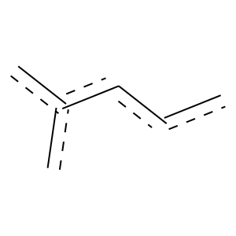 |  | 2 | 1 | 4.1466310871E-11 | 476 | 451 | 25
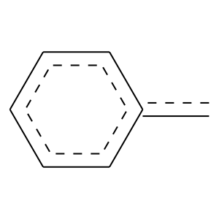 |  | 2 | 1 | 1.7693912601E-10 | 287 | 278 | 9
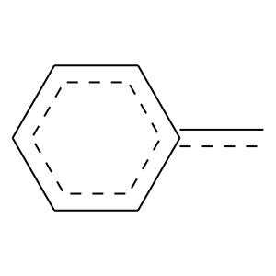 |  | 2 | 1 | 8.0956912207E-15 | 433 | 418 | 15
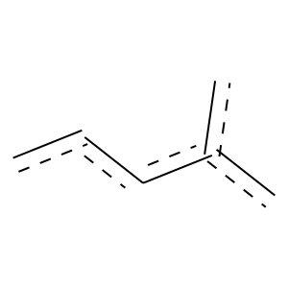 |  | 2 | 1 | 5.5341429024E-18 | 523 | 505 | 18
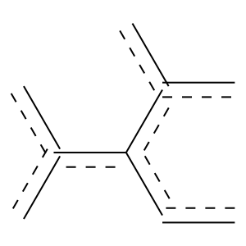 |  | 2 | 1 | 7.390837663E-06 | 122 | 120 | 2
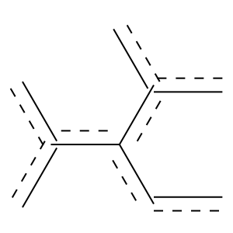 |  | 2 | 1 | 1.2905123643E-05 | 103 | 102 | 1
 |  | 2 | 1 | 4.5425056185E-12 | 287 | 280 | 7
 |  | 2 | 1 | 8.6820019945E-12 | 369 | 355 | 14
 |  | 2 | 1 | 2.6894471416E-07 | 158 | 155 | 3
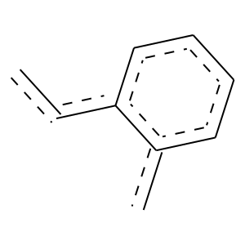 |  | 2 | 1 | 5.4307333682E-06 | 138 | 135 | 3
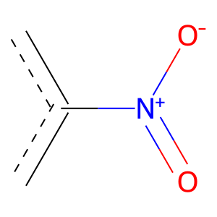 | 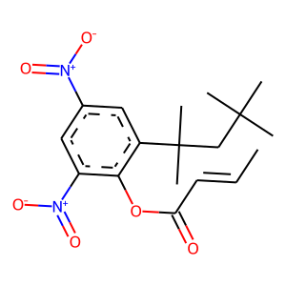 | 5 | 1 | 0.0011008524445 | 322 | 296 | 26
 | 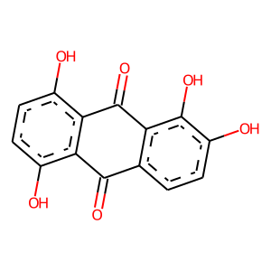 | 7 | 1 | 0.01193368723 | 106 | 101 | 5
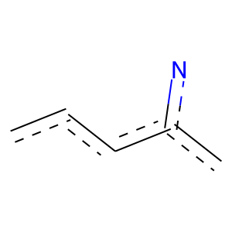 | 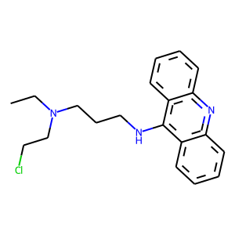 | 12 | 1 | 0.028142385885 | 109 | 103 | 6
 | 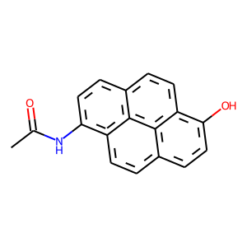 | 14 | 1 | 3.6001052901E-05 | 184 | 176 | 8
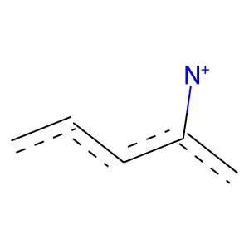 | 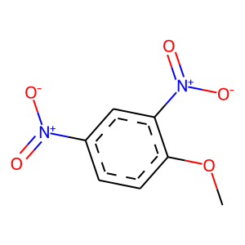 | 15 | 1 | 0.00052404865123 | 259 | 241 | 18
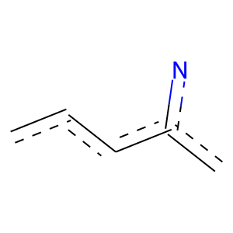 | 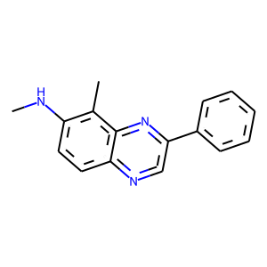 | 16 | 1 | 0.0017604721728 | 121 | 116 | 5
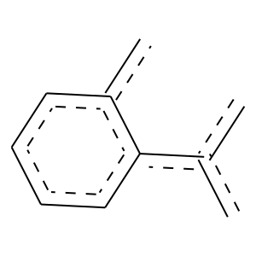 | 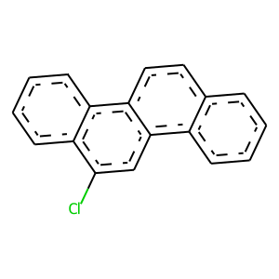 | 19 | 1 | 2.5259308463E-05 | 114 | 112 | 2
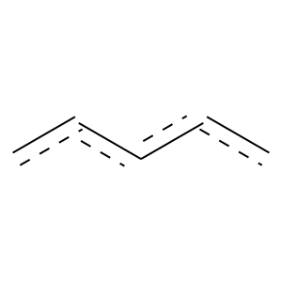 | 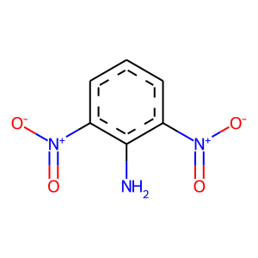 | 22 | 1 | 0.0094674871532 | 442 | 398 | 44
 | 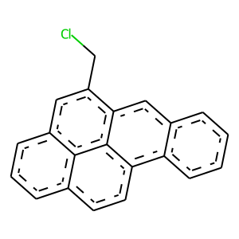 | 24 | 1 | 0.000134806649 | 103 | 101 | 2
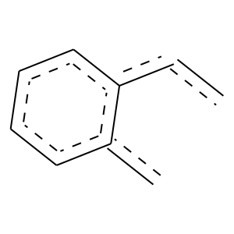 |  | 24 | 1 | 0.013241199272 | 135 | 127 | 8

