Sheet1
Substructure | Substructure in Molecule | Compound ID | Activity label | p_value | Compounds with substr. | Comp. with substr. active | Comp. with substr. inactive
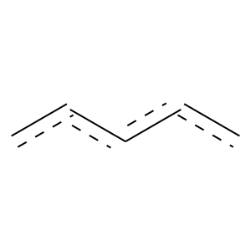 | 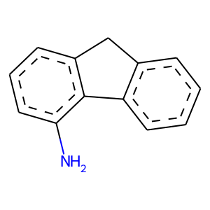 | 0 | 1 | 0.00027459668046 | 448 | 442 | 6
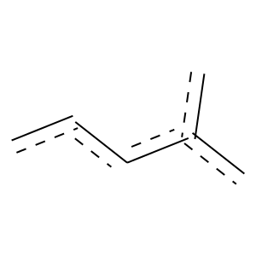 | 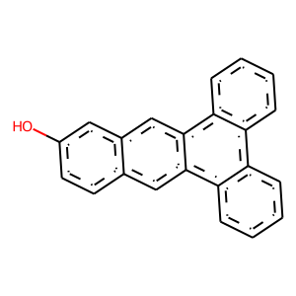 | 2 | 1 | 3.6081246276E-07 | 388 | 387 | 1
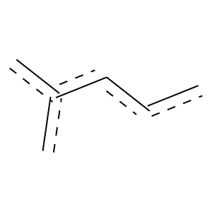 |  | 2 | 1 | 1.4930810228E-10 | 537 | 536 | 1
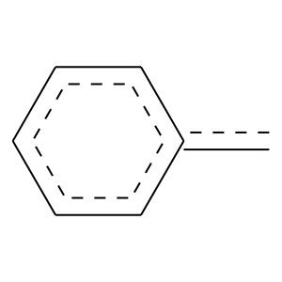 |  | 2 | 1 | 1.9554573356E-08 | 444 | 443 | 1
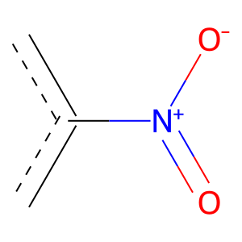 | 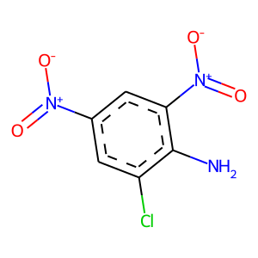 | 5 | 1 | 0.0015012474771 | 305 | 302 | 3
 |  | 5 | 1 | 0.034107477074 | 266 | 262 | 4
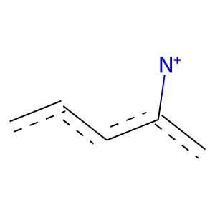 | 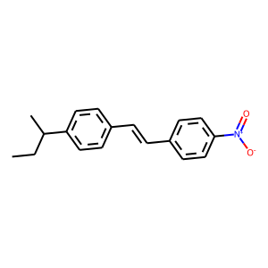 | 6 | 1 | 0.0041058229889 | 246 | 244 | 2
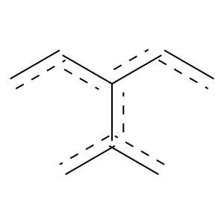 | 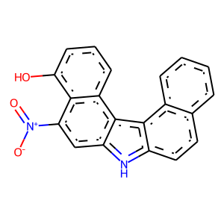 | 12 | 1 | 0.024973742596 | 168 | 167 | 1
 |  | 12 | 1 | 9.8961296786E-10 | 501 | 500 | 1
 |  | 12 | 1 | 3.0383652377E-05 | 302 | 301 | 1
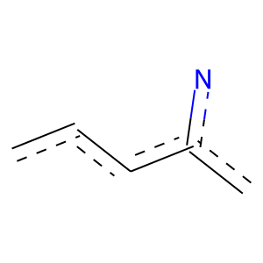 | 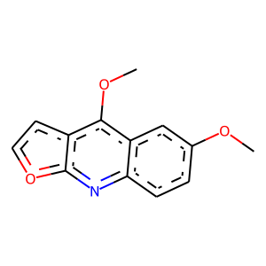 | 20 | 1 | 0 | 124 | 124 | 0
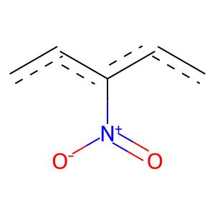 | 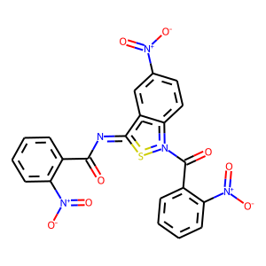 | 24 | 1 | 0.038587897319 | 159 | 158 | 1
 | 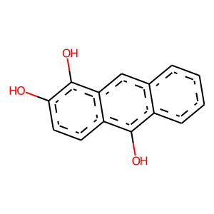 | 26 | 1 | 3.1978112396E-05 | 301 | 300 | 1
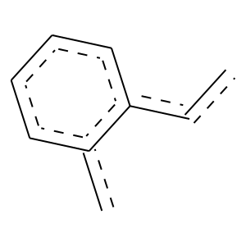 |  | 26 | 1 | 0 | 103 | 103 | 0
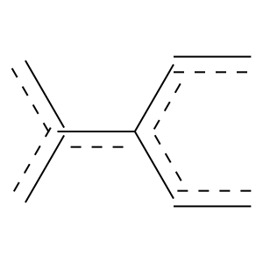 |  | 26 | 1 | 0 | 157 | 157 | 0
 | 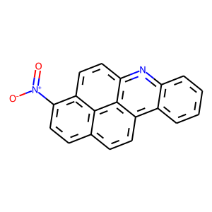 | 38 | 1 | 0 | 197 | 197 | 0
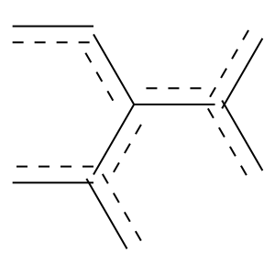 |  | 38 | 1 | 0 | 115 | 115 | 0
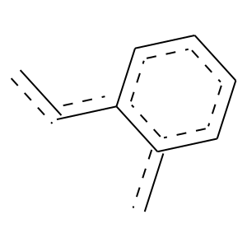 | 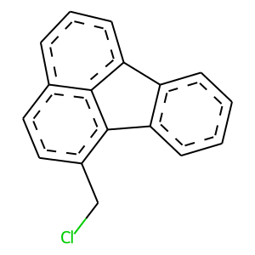 | 40 | 1 | 0 | 146 | 146 | 0
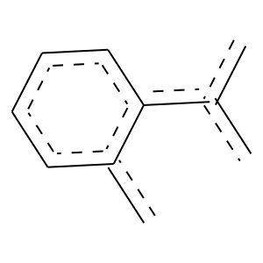 | 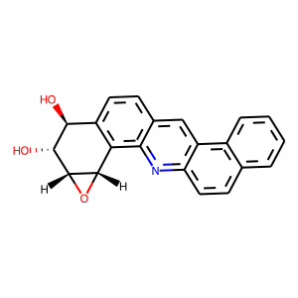 | 85 | 1 | 0 | 119 | 119 | 0
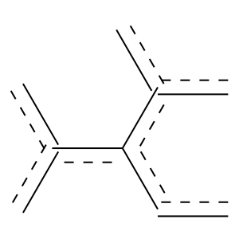 |  | 85 | 1 | 0 | 127 | 127 | 0
 | 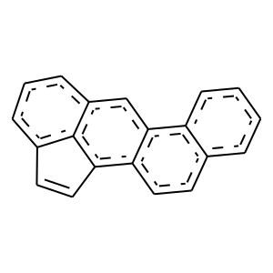 | 90 | 1 | 0 | 108 | 108 | 0
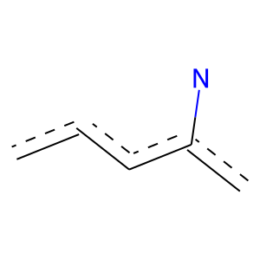 | 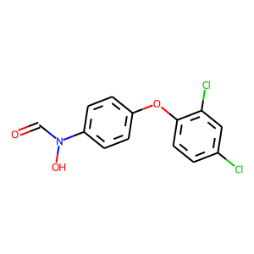 | 108 | 1 | 0 | 115 | 115 | 0

